CCT3 _multivariate
Reported by Tex Li-Hsing Chi. tex@gate.sinica.edu.tw 2019-08-21

Table 2. The clinicopathological features of HNSCC cohort and CCT3 expression. (Chi square test)
Cutoff at -0.378 (35.7%)
 |  | CCT3 expression |  | CCT3 expression |  | (Optimised)
 | Features | Low | (%) | High | (%) | Case no | P-value | Remark | Matthews
Gender | Female | 112 | 27 | 194 | 46.7 | 415 | 0.5807 | 0 | 0
2 | Male | 36 | 8.7 | 73 | 17.6
Age at diagnosis | <=65y | 96 | 23.1 | 178 | 42.9 | 415 | 0.7925 | 0 | 0
4 | >65y | 52 | 12.5 | 89 | 21.4
Clinical T Status | T1+T2 | 62 | 14.9 | 87 | 21 | 415 | 0.074 | 0 | 0
6 | T3+T4 | 86 | 20.7 | 180 | 43.4
Clinical N Status | N0 | 77 | 18.6 | 139 | 33.5 | 415 | 1 | 0 | 0
8 | N1-3 | 71 | 17.1 | 128 | 30.8
Clinical M Status | M0 | 148 | 35.7 | 264 | 63.6 | 415 | 0.5556 | 0 | 0
10 | M1 | 0 | 0 | 3 | 0.7
Clinical Stage | Stage I+II | 39 | 9.4 | 63 | 15.2 | 415 | 0.6132 | 0 | 0
12 | Stage III+IV | 109 | 26.3 | 204 | 49.2
Surgical Margin status | Negative | 114 | 27.5 | 204 | 49.2 | 415 | 0.9043 | 0 | 0
14 | Positive | 34 | 8.2 | 63 | 15.2
Tobacco Exposure | Low | 67 | 16.1 | 94 | 22.7 | 415 | 0.0464 | 1 | 0
16 | High | 81 | 19.5 | 173 | 41.7

Table 3. Univariate/Multivariate Cox's proportional hazards regression analyses on OS time of CCT3 gene expression in HNSCC

 |  | Univariate |  |  |  | Multivariate
 | Features | HR | CI95%(L) | CI95%(H) | P-value | HR | CI95%(L) | CI95%(H) | P-value
1 | Female | 1 |  |  |  | 1
Gender | Male | 1.157 | 0.843 | 1.587 | 0.367 | 1.158 | 0.826 | 1.624 | 0.394
11 | <=65y | 1 |  |  |  | 1
Age at diagnosis | >65y | 1.329 | 0.99 | 1.784 | 0.058 | 1.407 | 1.035 | 1.914 | 0.029
12 | T1+T2 | 1 |  |  |  | 1
Clinical T Status | T3+T4 | 1.409 | 1.028 | 1.931 | 0.033 | 2.1 | 1.109 | 3.976 | 0.023
13 | N0 | 1 |  |  |  | 1
Clinical N Status | N1-3 | 1.185 | 0.89 | 1.577 | 0.246 | 1.243 | 0.87 | 1.774 | 0.232
14 | M0 | 1 |  |  |  | 1
Clinical M Status | M1 | 4.097 | 1.009 | 16.644 | 0.049 | 8.172 | 1.768 | 37.772 | 0.007
15 | Stage I+II | 1 |  |  |  | 1
Clinical Stage | Stage III+IV | 1.245 | 0.882 | 1.759 | 0.213 | 0.528 | 0.246 | 1.136 | 0.102
16 | Negative | 1 |  |  |  | 1
Surgical Margin status | Positive | 1.591 | 1.155 | 2.191 | 0.004 | 1.633 | 1.181 | 2.258 | 0.003
17 | Low | 1 |  |  |  | 1
Tobacco Exposure | High | 1.364 | 1.008 | 1.844 | 0.044 | 1.437 | 1.043 | 1.981 | 0.027
18 | Low | 1 |  |  |  | 1
RNAseq(z-score) | High | 1.424 | 1.042 | 1.945 | 0.026 | 1.304 | 0.949 | 1.791 | 0.101

Table 4. Univariate/Multivariate Cox's proportional hazards regression analyses on RFS time of CCT3 gene expression in HNSCC

 |  | Univariate |  |  |  | Multivariate
 | Features | HR | CI95%(L) | CI95%(H) | P-value | HR | CI95%(L) | CI95%(H) | P-value
1 | Female | 1 |  |  |  | 1
Gender | Male | 1.157 | 0.843 | 1.587 | 0.367 | 1.158 | 0.826 | 1.624 | 0.394
11 | <=65y | 1 |  |  |  | 1
Age at diagnosis | >65y | 1.329 | 0.99 | 1.784 | 0.058 | 1.407 | 1.035 | 1.914 | 0.029
12 | T1+T2 | 1 |  |  |  | 1
Clinical T Status | T3+T4 | 1.409 | 1.028 | 1.931 | 0.033 | 2.1 | 1.109 | 3.976 | 0.023
13 | N0 | 1 |  |  |  | 1
Clinical N Status | N1-3 | 1.185 | 0.89 | 1.577 | 0.246 | 1.243 | 0.87 | 1.774 | 0.232
14 | M0 | 1 |  |  |  | 1
Clinical M Status | M1 | 4.097 | 1.009 | 16.644 | 0.049 | 8.172 | 1.768 | 37.772 | 0.007
15 | Stage I+II | 1 |  |  |  | 1
Clinical Stage | Stage III+IV | 1.245 | 0.882 | 1.759 | 0.213 | 0.528 | 0.246 | 1.136 | 0.102
16 | Negative | 1 |  |  |  | 1
Surgical Margin status | Positive | 1.591 | 1.155 | 2.191 | 0.004 | 1.633 | 1.181 | 2.258 | 0.003
17 | Low | 1 |  |  |  | 1
Tobacco Exposure | High | 1.364 | 1.008 | 1.844 | 0.044 | 1.437 | 1.043 | 1.981 | 0.027
18 | Low | 1 |  |  |  | 1
RNAseq(z-score) | High | 1.424 | 1.042 | 1.945 | 0.026 | 1.304 | 0.949 | 1.791 | 0.101

Kaplan-Meier survival estimate: Cutoff at -0.378 (35.7%)

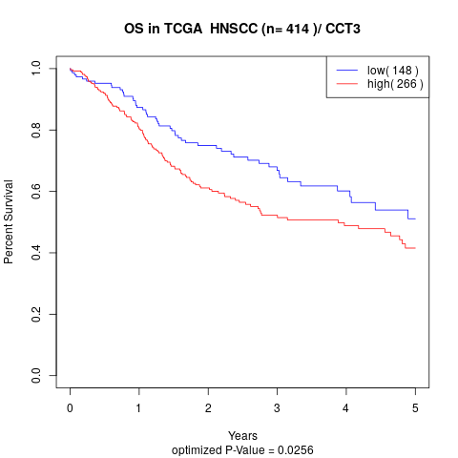

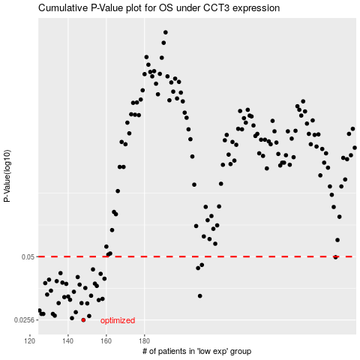

 |  |  |  |  |  | cases_OS | p_OS | rank | exp
 |  |  |  |  |  | 148 | 0.0256 | 70 | -0.37833280406
 |  |  |  |  |  | 142 | 0.0261 | 284 | -0.41508580042
 |  |  |  |  |  | 151 | 0.0267 | 4 | -0.36185193599
 |  |  |  |  |  | 133 | 0.0268 | 124 | -0.44797164079
 |  |  |  |  |  | 132 | 0.0273 | 154 | -0.450669704
 |  |  |  |  |  | 126 | 0.0273 | 342 | -0.4898055374
 |  |  |  |  |  | 127 | 0.0273 | 364 | -0.47647179557
 |  |  |  |  |  | 144 | 0.0278 | 281 | -0.4070483366
 |  |  |  |  |  | 125 | 0.0283 | 391 | -0.49211863344
 |  |  |  |  |  | 150 | 0.0305 | 367 | -0.37584396384
 |  |  |  |  |  | 147 | 0.0306 | 136 | -0.37838972588
 |  |  |  |  |  | 135 | 0.0306 | 204 | -0.43799048477
 |  |  |  |  |  | 156 | 0.0316 | 385 | -0.3510040942
 |  |  |  |  |  | 141 | 0.0317 | 329 | -0.41603281182
 |  |  |  |  |  | 158 | 0.032 | 90 | -0.34671786499
 |  |  |  |  |  | 138 | 0.0326 | 240 | -0.42606097147
 |  |  |  |  |  | 140 | 0.0328 | 20 | -0.42062372178
 |  |  |  |  |  | 209 | 0.033 | 210 | -0.03117752212
 |  |  |  |  |  | 152 | 0.0331 | 137 | -0.36030148266
 |  |  |  |  |  | 129 | 0.0335 | 55 | -0.46586312738
 |  |  |  |  |  | 143 | 0.0345 | 327 | -0.41120794219
 |  |  |  |  |  | 131 | 0.0349 | 49 | -0.45834321311
 |  |  |  |  |  | 149 | 0.0359 | 39 | -0.37754083798
 |  |  |  |  |  | 155 | 0.0367 | 100 | -0.35539083826
 |  |  |  |  |  | 146 | 0.0372 | 174 | -0.38395555932
 |  |  |  |  |  | 139 | 0.0375 | 101 | -0.42071765063
 |  |  |  |  |  | 154 | 0.0376 | 173 | -0.35802680493
 |  |  |  |  |  | 128 | 0.0378 | 29 | -0.47003794348
 |  |  |  |  |  | 137 | 0.038 | 303 | -0.43179588469
 |  |  |  |  |  | 134 | 0.0386 | 149 | -0.44712628111
 |  |  |  |  |  | 130 | 0.0392 | 386 | -0.46082546733
 |  |  |  |  |  | 159 | 0.0396 | 155 | -0.34669077615
 |  |  |  |  |  | 145 | 0.0403 | 374 | -0.39246356906
 |  |  |  |  |  | 157 | 0.0417 | 122 | -0.34992022735
 |  |  |  |  |  | 136 | 0.042 | 147 | -0.43524753486
 |  |  |  |  |  | 153 | 0.0437 | 311 | -0.35950755646
 |  |  |  |  |  | 208 | 0.0443 | 111 | -0.031960158031
 |  |  |  |  |  | 210 | 0.0458 | 214 | -0.030530369565
 |  |  |  |  |  | 280 | 0.0497 | 371 | 0.33588965762
 |  |  |  |  |  |  | cases_RFS | p_RFS | rank | exp
 |  |  |  |  |  |  | 147 | 0.0256 | 136 | -0.37838972588
 |  |  |  |  |  |  | 141 | 0.0261 | 329 | -0.41603281182
 |  |  |  |  |  |  | 150 | 0.0267 | 367 | -0.37584396384
 |  |  |  |  |  |  | 132 | 0.0268 | 154 | -0.450669704
 |  |  |  |  |  |  | 131 | 0.0273 | 49 | -0.45834321311
 |  |  |  |  |  |  | 126 | 0.0273 | 342 | -0.4898055374
 |  |  |  |  |  |  | 125 | 0.0273 | 391 | -0.49211863344
 |  |  |  |  |  |  | 143 | 0.0278 | 327 | -0.41120794219
 |  |  |  |  |  |  |  | 0.0283 | 128 | -0.49725237846
 |  |  |  |  |  |  | 149 | 0.0305 | 39 | -0.37754083798
 |  |  |  |  |  |  | 134 | 0.0306 | 149 | -0.44712628111
 |  |  |  |  |  |  | 146 | 0.0306 | 174 | -0.38395555932
 |  |  |  |  |  |  | 155 | 0.0316 | 100 | -0.35539083826
 |  |  |  |  |  |  | 140 | 0.0317 | 20 | -0.42062372178
 |  |  |  |  |  |  | 157 | 0.032 | 122 | -0.34992022735
 |  |  |  |  |  |  | 137 | 0.0326 | 303 | -0.43179588469
 |  |  |  |  |  |  | 139 | 0.0328 | 101 | -0.42071765063
 |  |  |  |  |  |  | 208 | 0.033 | 111 | -0.031960158031
 |  |  |  |  |  |  | 151 | 0.0331 | 4 | -0.36185193599
 |  |  |  |  |  |  | 128 | 0.0335 | 29 | -0.47003794348
 |  |  |  |  |  |  | 142 | 0.0345 | 284 | -0.41508580042
 |  |  |  |  |  |  | 130 | 0.0349 | 386 | -0.46082546733
 |  |  |  |  |  |  | 148 | 0.0359 | 70 | -0.37833280406
 |  |  |  |  |  |  | 154 | 0.0367 | 173 | -0.35802680493
 |  |  |  |  |  |  | 145 | 0.0372 | 374 | -0.39246356906
 |  |  |  |  |  |  | 138 | 0.0375 | 240 | -0.42606097147
 |  |  |  |  |  |  | 153 | 0.0376 | 311 | -0.35950755646
 |  |  |  |  |  |  | 127 | 0.0378 | 364 | -0.47647179557
 |  |  |  |  |  |  | 136 | 0.038 | 147 | -0.43524753486
 |  |  |  |  |  |  | 133 | 0.0386 | 124 | -0.44797164079
 |  |  |  |  |  |  | 129 | 0.0392 | 55 | -0.46586312738
 |  |  |  |  |  |  | 158 | 0.0396 | 90 | -0.34671786499
 |  |  |  |  |  |  | 144 | 0.0403 | 281 | -0.4070483366
 |  |  |  |  |  |  | 156 | 0.0417 | 385 | -0.3510040942
 |  |  |  |  |  |  | 135 | 0.042 | 204 | -0.43799048477
 |  |  |  |  |  |  | 152 | 0.0437 | 137 | -0.36030148266
 |  |  |  |  |  |  | 207 | 0.0443 | 182 | -0.032976243995
 |  |  |  |  |  |  | 209 | 0.0458 | 210 | -0.03117752212
 |  |  |  |  |  |  | 279 | 0.0497 | 230 | 0.3247987612

