CCT6P1 _multivariate
Reported by Tex Li-Hsing Chi. tex@gate.sinica.edu.tw 2019-08-21

Table 2. The clinicopathological features of HNSCC cohort and CCT6P1 expression. (Chi square test)
Cutoff at -0.236 (49.8%)
 |  | CCT6P1 expression |  | CCT6P1 expression |  | (Optimised)
 | Features | Low | (%) | High | (%) | Case no | P-value | Remark | Matthews
Gender | Female | 144 | 34.7 | 162 | 39 | 415 | 0.0697 | 0 | 0
2 | Male | 63 | 15.2 | 46 | 11.1
Age at diagnosis | <=65y | 137 | 33 | 137 | 33 | 415 | 1 | 0 | 0
4 | >65y | 70 | 16.9 | 71 | 17.1
Clinical T Status | T1+T2 | 85 | 20.5 | 64 | 15.4 | 415 | 0.0372 | 1 | 0
6 | T3+T4 | 122 | 29.4 | 144 | 34.7
Clinical N Status | N0 | 105 | 25.3 | 111 | 26.7 | 415 | 0.6598 | 0 | 0
8 | N1-3 | 102 | 24.6 | 97 | 23.4
Clinical M Status | M0 | 205 | 49.4 | 207 | 49.9 | 415 | 0.6232 | 0 | 0
10 | M1 | 2 | 0.5 | 1 | 0.2
Clinical Stage | Stage I+II | 58 | 14 | 44 | 10.6 | 415 | 0.131 | 0 | 0
12 | Stage III+IV | 149 | 35.9 | 164 | 39.5
Surgical Margin status | Negative | 165 | 39.8 | 153 | 36.9 | 415 | 0.1639 | 0 | 0
14 | Positive | 42 | 10.1 | 55 | 13.3
Tobacco Exposure | Low | 90 | 21.7 | 71 | 17.1 | 415 | 0.0559 | 0 | 0
16 | High | 117 | 28.2 | 137 | 33

Table 3. Univariate/Multivariate Cox's proportional hazards regression analyses on OS time of CCT6P1 gene expression in HNSCC

 |  | Univariate |  |  |  | Multivariate
 | Features | HR | CI95%(L) | CI95%(H) | P-value | HR | CI95%(L) | CI95%(H) | P-value
1 | Female | 1 |  |  |  | 1
Gender | Male | 1.157 | 0.843 | 1.587 | 0.367 | 1.175 | 0.841 | 1.642 | 0.344
11 | <=65y | 1 |  |  |  | 1
Age at diagnosis | >65y | 1.329 | 0.99 | 1.784 | 0.058 | 1.403 | 1.032 | 1.907 | 0.03
12 | T1+T2 | 1 |  |  |  | 1
Clinical T Status | T3+T4 | 1.409 | 1.028 | 1.931 | 0.033 | 2.254 | 1.192 | 4.264 | 0.012
13 | N0 | 1 |  |  |  | 1
Clinical N Status | N1-3 | 1.185 | 0.89 | 1.577 | 0.246 | 1.225 | 0.858 | 1.748 | 0.263
14 | M0 | 1 |  |  |  | 1
Clinical M Status | M1 | 4.097 | 1.009 | 16.644 | 0.049 | 8.704 | 1.897 | 39.945 | 0.005
15 | Stage I+II | 1 |  |  |  | 1
Clinical Stage | Stage III+IV | 1.245 | 0.882 | 1.759 | 0.213 | 0.509 | 0.237 | 1.092 | 0.083
16 | Negative | 1 |  |  |  | 1
Surgical Margin status | Positive | 1.591 | 1.155 | 2.191 | 0.004 | 1.745 | 1.26 | 2.417 | 0.001
17 | Low | 1 |  |  |  | 1
Tobacco Exposure | High | 1.364 | 1.008 | 1.844 | 0.044 | 1.507 | 1.091 | 2.081 | 0.013
18 | Low | 1 |  |  |  | 1
RNAseq(z-score) | High | 0.791 | 0.593 | 1.057 | 0.113 | 0.713 | 0.531 | 0.957 | 0.024

Table 4. Univariate/Multivariate Cox's proportional hazards regression analyses on RFS time of CCT6P1 gene expression in HNSCC

 |  | Univariate |  |  |  | Multivariate
 | Features | HR | CI95%(L) | CI95%(H) | P-value | HR | CI95%(L) | CI95%(H) | P-value
1 | Female | 1 |  |  |  | 1
Gender | Male | 1.157 | 0.843 | 1.587 | 0.367 | 1.175 | 0.841 | 1.642 | 0.344
11 | <=65y | 1 |  |  |  | 1
Age at diagnosis | >65y | 1.329 | 0.99 | 1.784 | 0.058 | 1.403 | 1.032 | 1.907 | 0.03
12 | T1+T2 | 1 |  |  |  | 1
Clinical T Status | T3+T4 | 1.409 | 1.028 | 1.931 | 0.033 | 2.254 | 1.192 | 4.264 | 0.012
13 | N0 | 1 |  |  |  | 1
Clinical N Status | N1-3 | 1.185 | 0.89 | 1.577 | 0.246 | 1.225 | 0.858 | 1.748 | 0.263
14 | M0 | 1 |  |  |  | 1
Clinical M Status | M1 | 4.097 | 1.009 | 16.644 | 0.049 | 8.704 | 1.897 | 39.945 | 0.005
15 | Stage I+II | 1 |  |  |  | 1
Clinical Stage | Stage III+IV | 1.245 | 0.882 | 1.759 | 0.213 | 0.509 | 0.237 | 1.092 | 0.083
16 | Negative | 1 |  |  |  | 1
Surgical Margin status | Positive | 1.591 | 1.155 | 2.191 | 0.004 | 1.745 | 1.26 | 2.417 | 0.001
17 | Low | 1 |  |  |  | 1
Tobacco Exposure | High | 1.364 | 1.008 | 1.844 | 0.044 | 1.507 | 1.091 | 2.081 | 0.013
18 | Low | 1 |  |  |  | 1
RNAseq(z-score) | High | 0.791 | 0.593 | 1.057 | 0.113 | 0.713 | 0.531 | 0.957 | 0.024

Kaplan-Meier survival estimate: Cutoff at -0.236 (49.8%)



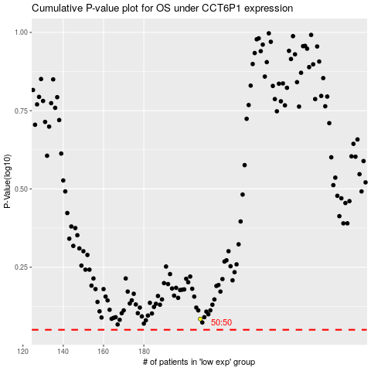

 |  |  |  |  |  | cases_OS | p_OS | rank | exp
 |  |  |  |  |  |  | cases_RFS | p_RFS | rank | exp

