CCT8 _multivariate
Reported by Tex Li-Hsing Chi. tex@gate.sinica.edu.tw 2019-08-21

Table 2. The clinicopathological features of HNSCC cohort and CCT8 expression. (Chi square test)
Cutoff at -0.085 (50.0%)
 |  | CCT8 expression |  | CCT8 expression |  | (Optimised)
 | Features | Low | (%) | High | (%) | Case no | P-value | Remark | Matthews
Gender | Female | 158 | 38.1 | 148 | 35.7 | 415 | 0.2774 | 0 | 0
2 | Male | 49 | 11.8 | 60 | 14.5
Age at diagnosis | <=65y | 141 | 34 | 133 | 32 | 415 | 0.4272 | 0 | 0
4 | >65y | 66 | 15.9 | 75 | 18.1
Clinical T Status | T1+T2 | 77 | 18.6 | 72 | 17.3 | 415 | 0.6556 | 0 | 0
6 | T3+T4 | 130 | 31.3 | 136 | 32.8
Clinical N Status | N0 | 108 | 26 | 108 | 26 | 415 | 1 | 0 | 0
8 | N1-3 | 99 | 23.9 | 100 | 24.1
Clinical M Status | M0 | 207 | 49.9 | 205 | 49.4 | 415 | 0.2482 | 0 | 0
10 | M1 | 0 | 0 | 3 | 0.7
Clinical Stage | Stage I+II | 53 | 12.8 | 49 | 11.8 | 415 | 0.7113 | 0 | 0
12 | Stage III+IV | 154 | 37.1 | 159 | 38.3
Surgical Margin status | Negative | 162 | 39 | 156 | 37.6 | 415 | 0.4867 | 0 | 0
14 | Positive | 45 | 10.8 | 52 | 12.5
Tobacco Exposure | Low | 80 | 19.3 | 81 | 19.5 | 415 | 1 | 0 | 0
16 | High | 127 | 30.6 | 127 | 30.6

Table 3. Univariate/Multivariate Cox's proportional hazards regression analyses on OS time of CCT8 gene expression in HNSCC

 |  | Univariate |  |  |  | Multivariate
 | Features | HR | CI95%(L) | CI95%(H) | P-value | HR | CI95%(L) | CI95%(H) | P-value
1 | Female | 1 |  |  |  | 1
Gender | Male | 1.157 | 0.843 | 1.587 | 0.367 | 1.198 | 0.857 | 1.674 | 0.291
11 | <=65y | 1 |  |  |  | 1
Age at diagnosis | >65y | 1.329 | 0.99 | 1.784 | 0.058 | 1.389 | 1.022 | 1.89 | 0.036
12 | T1+T2 | 1 |  |  |  | 1
Clinical T Status | T3+T4 | 1.409 | 1.028 | 1.931 | 0.033 | 2.191 | 1.159 | 4.141 | 0.016
13 | N0 | 1 |  |  |  | 1
Clinical N Status | N1-3 | 1.185 | 0.89 | 1.577 | 0.246 | 1.242 | 0.871 | 1.772 | 0.232
14 | M0 | 1 |  |  |  | 1
Clinical M Status | M1 | 4.097 | 1.009 | 16.644 | 0.049 | 8.929 | 1.932 | 41.269 | 0.005
15 | Stage I+II | 1 |  |  |  | 1
Clinical Stage | Stage III+IV | 1.245 | 0.882 | 1.759 | 0.213 | 0.509 | 0.237 | 1.093 | 0.083
16 | Negative | 1 |  |  |  | 1
Surgical Margin status | Positive | 1.591 | 1.155 | 2.191 | 0.004 | 1.671 | 1.209 | 2.309 | 0.002
17 | Low | 1 |  |  |  | 1
Tobacco Exposure | High | 1.364 | 1.008 | 1.844 | 0.044 | 1.462 | 1.06 | 2.017 | 0.021
18 | Low | 1 |  |  |  | 1
RNAseq(z-score) | High | 1.093 | 0.82 | 1.456 | 0.545 | 1.097 | 0.82 | 1.469 | 0.532

Table 4. Univariate/Multivariate Cox's proportional hazards regression analyses on RFS time of CCT8 gene expression in HNSCC

 |  | Univariate |  |  |  | Multivariate
 | Features | HR | CI95%(L) | CI95%(H) | P-value | HR | CI95%(L) | CI95%(H) | P-value
1 | Female | 1 |  |  |  | 1
Gender | Male | 1.157 | 0.843 | 1.587 | 0.367 | 1.198 | 0.857 | 1.674 | 0.291
11 | <=65y | 1 |  |  |  | 1
Age at diagnosis | >65y | 1.329 | 0.99 | 1.784 | 0.058 | 1.389 | 1.022 | 1.89 | 0.036
12 | T1+T2 | 1 |  |  |  | 1
Clinical T Status | T3+T4 | 1.409 | 1.028 | 1.931 | 0.033 | 2.191 | 1.159 | 4.141 | 0.016
13 | N0 | 1 |  |  |  | 1
Clinical N Status | N1-3 | 1.185 | 0.89 | 1.577 | 0.246 | 1.242 | 0.871 | 1.772 | 0.232
14 | M0 | 1 |  |  |  | 1
Clinical M Status | M1 | 4.097 | 1.009 | 16.644 | 0.049 | 8.929 | 1.932 | 41.269 | 0.005
15 | Stage I+II | 1 |  |  |  | 1
Clinical Stage | Stage III+IV | 1.245 | 0.882 | 1.759 | 0.213 | 0.509 | 0.237 | 1.093 | 0.083
16 | Negative | 1 |  |  |  | 1
Surgical Margin status | Positive | 1.591 | 1.155 | 2.191 | 0.004 | 1.671 | 1.209 | 2.309 | 0.002
17 | Low | 1 |  |  |  | 1
Tobacco Exposure | High | 1.364 | 1.008 | 1.844 | 0.044 | 1.462 | 1.06 | 2.017 | 0.021
18 | Low | 1 |  |  |  | 1
RNAseq(z-score) | High | 1.093 | 0.82 | 1.456 | 0.545 | 1.097 | 0.82 | 1.469 | 0.532

Kaplan-Meier survival estimate: Cutoff at -0.085 (50.0%)

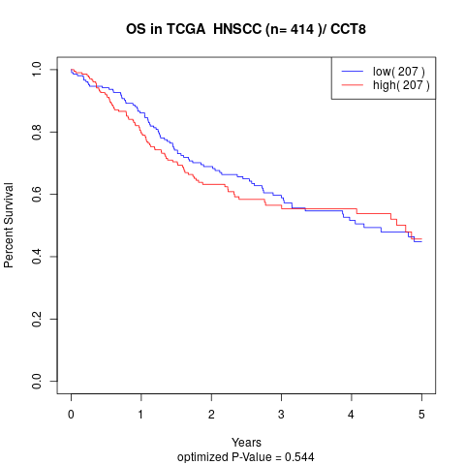

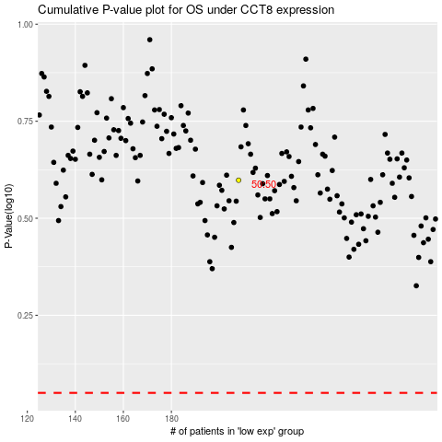

 |  |  |  |  |  | cases_OS | p_OS | rank | exp
 |  |  |  |  |  |  | cases_RFS | p_RFS | rank | exp

