CD14 _multivariate
Reported by Tex Li-Hsing Chi. tex@gate.sinica.edu.tw 2019-08-21

Table 2. The clinicopathological features of HNSCC cohort and CD14 expression. (Chi square test)
Cutoff at -0.244 (49.8%)
 |  | CD14 expression |  | CD14 expression |  | (Optimised)
 | Features | Low | (%) | High | (%) | Case no | P-value | Remark | Matthews
Gender | Female | 161 | 38.8 | 145 | 34.9 | 415 | 0.0792 | 0 | 0
2 | Male | 46 | 11.1 | 63 | 15.2
Age at diagnosis | <=65y | 146 | 35.2 | 128 | 30.8 | 415 | 0.0672 | 0 | 0
4 | >65y | 61 | 14.7 | 80 | 19.3
Clinical T Status | T1+T2 | 75 | 18.1 | 74 | 17.8 | 415 | 0.9707 | 0 | 0
6 | T3+T4 | 132 | 31.8 | 134 | 32.3
Clinical N Status | N0 | 111 | 26.7 | 105 | 25.3 | 415 | 0.5875 | 0 | 0
8 | N1-3 | 96 | 23.1 | 103 | 24.8
Clinical M Status | M0 | 206 | 49.6 | 206 | 49.6 | 415 | 1 | 0 | 0
10 | M1 | 1 | 0.2 | 2 | 0.5
Clinical Stage | Stage I+II | 50 | 12 | 52 | 12.5 | 415 | 0.9315 | 0 | 0
12 | Stage III+IV | 157 | 37.8 | 156 | 37.6
Surgical Margin status | Negative | 152 | 36.6 | 166 | 40 | 415 | 0.1329 | 0 | 0
14 | Positive | 55 | 13.3 | 42 | 10.1
Tobacco Exposure | Low | 70 | 16.9 | 91 | 21.9 | 415 | 0.0439 | 1 | 0
16 | High | 137 | 33 | 117 | 28.2

Table 3. Univariate/Multivariate Cox's proportional hazards regression analyses on OS time of CD14 gene expression in HNSCC

 |  | Univariate |  |  |  | Multivariate
 | Features | HR | CI95%(L) | CI95%(H) | P-value | HR | CI95%(L) | CI95%(H) | P-value
1 | Female | 1 |  |  |  | 1
Gender | Male | 1.157 | 0.843 | 1.587 | 0.367 | 1.201 | 0.86 | 1.677 | 0.284
11 | <=65y | 1 |  |  |  | 1
Age at diagnosis | >65y | 1.329 | 0.99 | 1.784 | 0.058 | 1.388 | 1.02 | 1.887 | 0.037
12 | T1+T2 | 1 |  |  |  | 1
Clinical T Status | T3+T4 | 1.409 | 1.028 | 1.931 | 0.033 | 2.194 | 1.16 | 4.149 | 0.016
13 | N0 | 1 |  |  |  | 1
Clinical N Status | N1-3 | 1.185 | 0.89 | 1.577 | 0.246 | 1.233 | 0.863 | 1.762 | 0.249
14 | M0 | 1 |  |  |  | 1
Clinical M Status | M1 | 4.097 | 1.009 | 16.644 | 0.049 | 9.234 | 2.008 | 42.463 | 0.004
15 | Stage I+II | 1 |  |  |  | 1
Clinical Stage | Stage III+IV | 1.245 | 0.882 | 1.759 | 0.213 | 0.51 | 0.237 | 1.096 | 0.084
16 | Negative | 1 |  |  |  | 1
Surgical Margin status | Positive | 1.591 | 1.155 | 2.191 | 0.004 | 1.675 | 1.212 | 2.315 | 0.002
17 | Low | 1 |  |  |  | 1
Tobacco Exposure | High | 1.364 | 1.008 | 1.844 | 0.044 | 1.462 | 1.059 | 2.018 | 0.021
18 | Low | 1 |  |  |  | 1
RNAseq(z-score) | High | 1.054 | 0.791 | 1.405 | 0.72 | 1.056 | 0.789 | 1.414 | 0.713

Table 4. Univariate/Multivariate Cox's proportional hazards regression analyses on RFS time of CD14 gene expression in HNSCC

 |  | Univariate |  |  |  | Multivariate
 | Features | HR | CI95%(L) | CI95%(H) | P-value | HR | CI95%(L) | CI95%(H) | P-value
1 | Female | 1 |  |  |  | 1
Gender | Male | 1.157 | 0.843 | 1.587 | 0.367 | 1.201 | 0.86 | 1.677 | 0.284
11 | <=65y | 1 |  |  |  | 1
Age at diagnosis | >65y | 1.329 | 0.99 | 1.784 | 0.058 | 1.388 | 1.02 | 1.887 | 0.037
12 | T1+T2 | 1 |  |  |  | 1
Clinical T Status | T3+T4 | 1.409 | 1.028 | 1.931 | 0.033 | 2.194 | 1.16 | 4.149 | 0.016
13 | N0 | 1 |  |  |  | 1
Clinical N Status | N1-3 | 1.185 | 0.89 | 1.577 | 0.246 | 1.233 | 0.863 | 1.762 | 0.249
14 | M0 | 1 |  |  |  | 1
Clinical M Status | M1 | 4.097 | 1.009 | 16.644 | 0.049 | 9.234 | 2.008 | 42.463 | 0.004
15 | Stage I+II | 1 |  |  |  | 1
Clinical Stage | Stage III+IV | 1.245 | 0.882 | 1.759 | 0.213 | 0.51 | 0.237 | 1.096 | 0.084
16 | Negative | 1 |  |  |  | 1
Surgical Margin status | Positive | 1.591 | 1.155 | 2.191 | 0.004 | 1.675 | 1.212 | 2.315 | 0.002
17 | Low | 1 |  |  |  | 1
Tobacco Exposure | High | 1.364 | 1.008 | 1.844 | 0.044 | 1.462 | 1.059 | 2.018 | 0.021
18 | Low | 1 |  |  |  | 1
RNAseq(z-score) | High | 1.054 | 0.791 | 1.405 | 0.72 | 1.056 | 0.789 | 1.414 | 0.713

Kaplan-Meier survival estimate: Cutoff at -0.244 (49.8%)



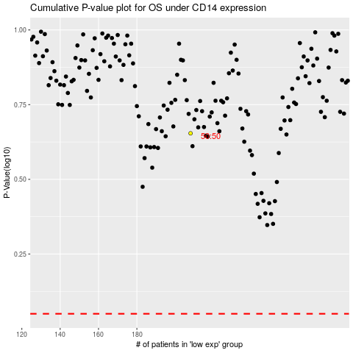

 |  |  |  |  |  | cases_OS | p_OS | rank | exp
 |  |  |  |  |  |  | cases_RFS | p_RFS | rank | exp

