CD160 _multivariate
Reported by Tex Li-Hsing Chi. tex@gate.sinica.edu.tw 2019-08-21

Table 2. The clinicopathological features of HNSCC cohort and CD160 expression. (Chi square test)
Cutoff at -0.26 (50.0%)
 |  | CD160 expression |  | CD160 expression |  | (Optimised)
 | Features | Low | (%) | High | (%) | Case no | P-value | Remark | Matthews
Gender | Female | 152 | 36.6 | 154 | 37.1 | 415 | 0.9766 | 0 | 0
2 | Male | 55 | 13.3 | 54 | 13
Age at diagnosis | <=65y | 137 | 33 | 137 | 33 | 415 | 1 | 0 | 0
4 | >65y | 70 | 16.9 | 71 | 17.1
Clinical T Status | T1+T2 | 56 | 13.5 | 93 | 22.4 | 415 | 3e-04 | 1 | 0
6 | T3+T4 | 151 | 36.4 | 115 | 27.7
Clinical N Status | N0 | 110 | 26.5 | 106 | 25.5 | 415 | 0.7294 | 0 | 0
8 | N1-3 | 97 | 23.4 | 102 | 24.6
Clinical M Status | M0 | 206 | 49.6 | 206 | 49.6 | 415 | 1 | 0 | 0
10 | M1 | 1 | 0.2 | 2 | 0.5
Clinical Stage | Stage I+II | 39 | 9.4 | 63 | 15.2 | 415 | 0.0095 | 1 | 0
12 | Stage III+IV | 168 | 40.5 | 145 | 34.9
Surgical Margin status | Negative | 161 | 38.8 | 157 | 37.8 | 415 | 0.6429 | 0 | 0
14 | Positive | 46 | 11.1 | 51 | 12.3
Tobacco Exposure | Low | 79 | 19 | 82 | 19.8 | 415 | 0.8405 | 0 | 0
16 | High | 128 | 30.8 | 126 | 30.4

Table 3. Univariate/Multivariate Cox's proportional hazards regression analyses on OS time of CD160 gene expression in HNSCC

 |  | Univariate |  |  |  | Multivariate
 | Features | HR | CI95%(L) | CI95%(H) | P-value | HR | CI95%(L) | CI95%(H) | P-value
1 | Female | 1 |  |  |  | 1
Gender | Male | 1.157 | 0.843 | 1.587 | 0.367 | 1.194 | 0.854 | 1.67 | 0.299
11 | <=65y | 1 |  |  |  | 1
Age at diagnosis | >65y | 1.329 | 0.99 | 1.784 | 0.058 | 1.396 | 1.027 | 1.897 | 0.033
12 | T1+T2 | 1 |  |  |  | 1
Clinical T Status | T3+T4 | 1.409 | 1.028 | 1.931 | 0.033 | 2.165 | 1.142 | 4.107 | 0.018
13 | N0 | 1 |  |  |  | 1
Clinical N Status | N1-3 | 1.185 | 0.89 | 1.577 | 0.246 | 1.246 | 0.873 | 1.779 | 0.225
14 | M0 | 1 |  |  |  | 1
Clinical M Status | M1 | 4.097 | 1.009 | 16.644 | 0.049 | 9.366 | 2.043 | 42.931 | 0.004
15 | Stage I+II | 1 |  |  |  | 1
Clinical Stage | Stage III+IV | 1.245 | 0.882 | 1.759 | 0.213 | 0.504 | 0.235 | 1.081 | 0.078
16 | Negative | 1 |  |  |  | 1
Surgical Margin status | Positive | 1.591 | 1.155 | 2.191 | 0.004 | 1.676 | 1.213 | 2.315 | 0.002
17 | Low | 1 |  |  |  | 1
Tobacco Exposure | High | 1.364 | 1.008 | 1.844 | 0.044 | 1.459 | 1.058 | 2.012 | 0.021
18 | Low | 1 |  |  |  | 1
RNAseq(z-score) | High | 0.891 | 0.669 | 1.188 | 0.432 | 0.926 | 0.69 | 1.242 | 0.608

Table 4. Univariate/Multivariate Cox's proportional hazards regression analyses on RFS time of CD160 gene expression in HNSCC

 |  | Univariate |  |  |  | Multivariate
 | Features | HR | CI95%(L) | CI95%(H) | P-value | HR | CI95%(L) | CI95%(H) | P-value
1 | Female | 1 |  |  |  | 1
Gender | Male | 1.157 | 0.843 | 1.587 | 0.367 | 1.194 | 0.854 | 1.67 | 0.299
11 | <=65y | 1 |  |  |  | 1
Age at diagnosis | >65y | 1.329 | 0.99 | 1.784 | 0.058 | 1.396 | 1.027 | 1.897 | 0.033
12 | T1+T2 | 1 |  |  |  | 1
Clinical T Status | T3+T4 | 1.409 | 1.028 | 1.931 | 0.033 | 2.165 | 1.142 | 4.107 | 0.018
13 | N0 | 1 |  |  |  | 1
Clinical N Status | N1-3 | 1.185 | 0.89 | 1.577 | 0.246 | 1.246 | 0.873 | 1.779 | 0.225
14 | M0 | 1 |  |  |  | 1
Clinical M Status | M1 | 4.097 | 1.009 | 16.644 | 0.049 | 9.366 | 2.043 | 42.931 | 0.004
15 | Stage I+II | 1 |  |  |  | 1
Clinical Stage | Stage III+IV | 1.245 | 0.882 | 1.759 | 0.213 | 0.504 | 0.235 | 1.081 | 0.078
16 | Negative | 1 |  |  |  | 1
Surgical Margin status | Positive | 1.591 | 1.155 | 2.191 | 0.004 | 1.676 | 1.213 | 2.315 | 0.002
17 | Low | 1 |  |  |  | 1
Tobacco Exposure | High | 1.364 | 1.008 | 1.844 | 0.044 | 1.459 | 1.058 | 2.012 | 0.021
18 | Low | 1 |  |  |  | 1
RNAseq(z-score) | High | 0.891 | 0.669 | 1.188 | 0.432 | 0.926 | 0.69 | 1.242 | 0.608

Kaplan-Meier survival estimate: Cutoff at -0.26 (50.0%)



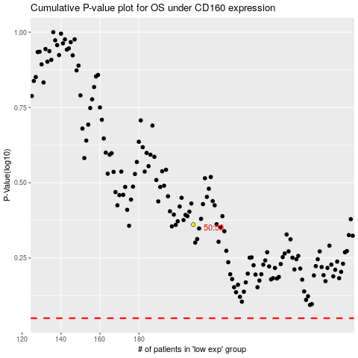

 |  |  |  |  |  | cases_OS | p_OS | rank | exp
 |  |  |  |  |  |  | cases_RFS | p_RFS | rank | exp

