CD180 _multivariate
Reported by Tex Li-Hsing Chi. tex@gate.sinica.edu.tw 2019-08-21

Table 2. The clinicopathological features of HNSCC cohort and CD180 expression. (Chi square test)
Cutoff at -0.515 (30.2%)
 |  | CD180 expression |  | CD180 expression |  | (Optimised)
 | Features | Low | (%) | High | (%) | Case no | P-value | Remark | Matthews
Gender | Female | 99 | 23.9 | 207 | 49.9 | 415 | 0.1237 | 0 | 0
2 | Male | 26 | 6.3 | 83 | 20
Age at diagnosis | <=65y | 83 | 20 | 191 | 46 | 415 | 1 | 0 | 0
4 | >65y | 42 | 10.1 | 99 | 23.9
Clinical T Status | T1+T2 | 42 | 10.1 | 107 | 25.8 | 415 | 0.5956 | 0 | 0
6 | T3+T4 | 83 | 20 | 183 | 44.1
Clinical N Status | N0 | 75 | 18.1 | 141 | 34 | 415 | 0.0432 | 1 | 0
8 | N1-3 | 50 | 12 | 149 | 35.9
Clinical M Status | M0 | 125 | 30.1 | 287 | 69.2 | 415 | 0.5571 | 0 | 0
10 | M1 | 0 | 0 | 3 | 0.7
Clinical Stage | Stage I+II | 33 | 8 | 69 | 16.6 | 415 | 0.6588 | 0 | 0
12 | Stage III+IV | 92 | 22.2 | 221 | 53.3
Surgical Margin status | Negative | 92 | 22.2 | 226 | 54.5 | 415 | 0.3765 | 0 | 0
14 | Positive | 33 | 8 | 64 | 15.4
Tobacco Exposure | Low | 50 | 12 | 111 | 26.7 | 415 | 0.7432 | 0 | 0
16 | High | 75 | 18.1 | 179 | 43.1

Table 3. Univariate/Multivariate Cox's proportional hazards regression analyses on OS time of CD180 gene expression in HNSCC

 |  | Univariate |  |  |  | Multivariate
 | Features | HR | CI95%(L) | CI95%(H) | P-value | HR | CI95%(L) | CI95%(H) | P-value
1 | Female | 1 |  |  |  | 1
Gender | Male | 1.157 | 0.843 | 1.587 | 0.367 | 1.219 | 0.871 | 1.706 | 0.247
11 | <=65y | 1 |  |  |  | 1
Age at diagnosis | >65y | 1.329 | 0.99 | 1.784 | 0.058 | 1.39 | 1.023 | 1.888 | 0.035
12 | T1+T2 | 1 |  |  |  | 1
Clinical T Status | T3+T4 | 1.409 | 1.028 | 1.931 | 0.033 | 2.183 | 1.154 | 4.131 | 0.016
13 | N0 | 1 |  |  |  | 1
Clinical N Status | N1-3 | 1.185 | 0.89 | 1.577 | 0.246 | 1.277 | 0.894 | 1.823 | 0.178
14 | M0 | 1 |  |  |  | 1
Clinical M Status | M1 | 4.097 | 1.009 | 16.644 | 0.049 | 10.407 | 2.263 | 47.858 | 0.003
15 | Stage I+II | 1 |  |  |  | 1
Clinical Stage | Stage III+IV | 1.245 | 0.882 | 1.759 | 0.213 | 0.508 | 0.237 | 1.089 | 0.082
16 | Negative | 1 |  |  |  | 1
Surgical Margin status | Positive | 1.591 | 1.155 | 2.191 | 0.004 | 1.693 | 1.224 | 2.34 | 0.001
17 | Low | 1 |  |  |  | 1
Tobacco Exposure | High | 1.364 | 1.008 | 1.844 | 0.044 | 1.459 | 1.058 | 2.012 | 0.021
18 | Low | 1 |  |  |  | 1
RNAseq(z-score) | High | 0.743 | 0.552 | 1 | 0.05 | 0.708 | 0.524 | 0.955 | 0.024

Table 4. Univariate/Multivariate Cox's proportional hazards regression analyses on RFS time of CD180 gene expression in HNSCC

 |  | Univariate |  |  |  | Multivariate
 | Features | HR | CI95%(L) | CI95%(H) | P-value | HR | CI95%(L) | CI95%(H) | P-value
1 | Female | 1 |  |  |  | 1
Gender | Male | 1.157 | 0.843 | 1.587 | 0.367 | 1.219 | 0.871 | 1.706 | 0.247
11 | <=65y | 1 |  |  |  | 1
Age at diagnosis | >65y | 1.329 | 0.99 | 1.784 | 0.058 | 1.39 | 1.023 | 1.888 | 0.035
12 | T1+T2 | 1 |  |  |  | 1
Clinical T Status | T3+T4 | 1.409 | 1.028 | 1.931 | 0.033 | 2.183 | 1.154 | 4.131 | 0.016
13 | N0 | 1 |  |  |  | 1
Clinical N Status | N1-3 | 1.185 | 0.89 | 1.577 | 0.246 | 1.277 | 0.894 | 1.823 | 0.178
14 | M0 | 1 |  |  |  | 1
Clinical M Status | M1 | 4.097 | 1.009 | 16.644 | 0.049 | 10.407 | 2.263 | 47.858 | 0.003
15 | Stage I+II | 1 |  |  |  | 1
Clinical Stage | Stage III+IV | 1.245 | 0.882 | 1.759 | 0.213 | 0.508 | 0.237 | 1.089 | 0.082
16 | Negative | 1 |  |  |  | 1
Surgical Margin status | Positive | 1.591 | 1.155 | 2.191 | 0.004 | 1.693 | 1.224 | 2.34 | 0.001
17 | Low | 1 |  |  |  | 1
Tobacco Exposure | High | 1.364 | 1.008 | 1.844 | 0.044 | 1.459 | 1.058 | 2.012 | 0.021
18 | Low | 1 |  |  |  | 1
RNAseq(z-score) | High | 0.743 | 0.552 | 1 | 0.05 | 0.708 | 0.524 | 0.955 | 0.024

Kaplan-Meier survival estimate: Cutoff at -0.515 (30.2%)



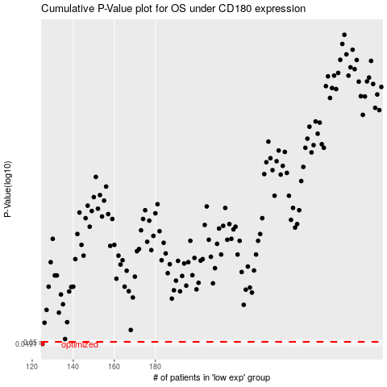

 |  |  |  |  |  | cases_OS | p_OS | rank | exp
 |  |  |  |  |  | 125 | 0.0491 | 290 | -0.51531916317
 |  |  |  |  |  |  | cases_RFS | p_RFS | rank | exp
 |  |  |  |  |  |  |  | 0.0491 | 371 | -0.51539334467

