CD1E _multivariate
Reported by Tex Li-Hsing Chi. tex@gate.sinica.edu.tw 2019-08-21

Table 2. The clinicopathological features of HNSCC cohort and CD1E expression. (Chi square test)
Cutoff at -0.452 (50.0%)
 |  | CD1E expression |  | CD1E expression |  | (Optimised)
 | Features | Low | (%) | High | (%) | Case no | P-value | Remark | Matthews
Gender | Female | 155 | 37.3 | 151 | 36.4 | 415 | 0.6768 | 0 | 0
2 | Male | 52 | 12.5 | 57 | 13.7
Age at diagnosis | <=65y | 134 | 32.3 | 140 | 33.7 | 415 | 0.6529 | 0 | 0
4 | >65y | 73 | 17.6 | 68 | 16.4
Clinical T Status | T1+T2 | 59 | 14.2 | 90 | 21.7 | 415 | 0.0024 | 1 | 0
6 | T3+T4 | 148 | 35.7 | 118 | 28.4
Clinical N Status | N0 | 110 | 26.5 | 106 | 25.5 | 415 | 0.7294 | 0 | 0
8 | N1-3 | 97 | 23.4 | 102 | 24.6
Clinical M Status | M0 | 205 | 49.4 | 207 | 49.9 | 415 | 0.6232 | 0 | 0
10 | M1 | 2 | 0.5 | 1 | 0.2
Clinical Stage | Stage I+II | 40 | 9.6 | 62 | 14.9 | 415 | 0.018 | 1 | 0
12 | Stage III+IV | 167 | 40.2 | 146 | 35.2
Surgical Margin status | Negative | 157 | 37.8 | 161 | 38.8 | 415 | 0.729 | 0 | 0
14 | Positive | 50 | 12 | 47 | 11.3
Tobacco Exposure | Low | 77 | 18.6 | 84 | 20.2 | 415 | 0.5459 | 0 | 0
16 | High | 130 | 31.3 | 124 | 29.9

Table 3. Univariate/Multivariate Cox's proportional hazards regression analyses on OS time of CD1E gene expression in HNSCC

 |  | Univariate |  |  |  | Multivariate
 | Features | HR | CI95%(L) | CI95%(H) | P-value | HR | CI95%(L) | CI95%(H) | P-value
1 | Female | 1 |  |  |  | 1
Gender | Male | 1.157 | 0.843 | 1.587 | 0.367 | 1.201 | 0.859 | 1.678 | 0.285
11 | <=65y | 1 |  |  |  | 1
Age at diagnosis | >65y | 1.329 | 0.99 | 1.784 | 0.058 | 1.386 | 1.02 | 1.885 | 0.037
12 | T1+T2 | 1 |  |  |  | 1
Clinical T Status | T3+T4 | 1.409 | 1.028 | 1.931 | 0.033 | 2.153 | 1.137 | 4.078 | 0.019
13 | N0 | 1 |  |  |  | 1
Clinical N Status | N1-3 | 1.185 | 0.89 | 1.577 | 0.246 | 1.246 | 0.873 | 1.779 | 0.225
14 | M0 | 1 |  |  |  | 1
Clinical M Status | M1 | 4.097 | 1.009 | 16.644 | 0.049 | 9.117 | 1.986 | 41.856 | 0.004
15 | Stage I+II | 1 |  |  |  | 1
Clinical Stage | Stage III+IV | 1.245 | 0.882 | 1.759 | 0.213 | 0.501 | 0.233 | 1.075 | 0.076
16 | Negative | 1 |  |  |  | 1
Surgical Margin status | Positive | 1.591 | 1.155 | 2.191 | 0.004 | 1.672 | 1.21 | 2.31 | 0.002
17 | Low | 1 |  |  |  | 1
Tobacco Exposure | High | 1.364 | 1.008 | 1.844 | 0.044 | 1.452 | 1.053 | 2.001 | 0.023
18 | Low | 1 |  |  |  | 1
RNAseq(z-score) | High | 0.827 | 0.62 | 1.102 | 0.195 | 0.877 | 0.654 | 1.176 | 0.379

Table 4. Univariate/Multivariate Cox's proportional hazards regression analyses on RFS time of CD1E gene expression in HNSCC

 |  | Univariate |  |  |  | Multivariate
 | Features | HR | CI95%(L) | CI95%(H) | P-value | HR | CI95%(L) | CI95%(H) | P-value
1 | Female | 1 |  |  |  | 1
Gender | Male | 1.157 | 0.843 | 1.587 | 0.367 | 1.201 | 0.859 | 1.678 | 0.285
11 | <=65y | 1 |  |  |  | 1
Age at diagnosis | >65y | 1.329 | 0.99 | 1.784 | 0.058 | 1.386 | 1.02 | 1.885 | 0.037
12 | T1+T2 | 1 |  |  |  | 1
Clinical T Status | T3+T4 | 1.409 | 1.028 | 1.931 | 0.033 | 2.153 | 1.137 | 4.078 | 0.019
13 | N0 | 1 |  |  |  | 1
Clinical N Status | N1-3 | 1.185 | 0.89 | 1.577 | 0.246 | 1.246 | 0.873 | 1.779 | 0.225
14 | M0 | 1 |  |  |  | 1
Clinical M Status | M1 | 4.097 | 1.009 | 16.644 | 0.049 | 9.117 | 1.986 | 41.856 | 0.004
15 | Stage I+II | 1 |  |  |  | 1
Clinical Stage | Stage III+IV | 1.245 | 0.882 | 1.759 | 0.213 | 0.501 | 0.233 | 1.075 | 0.076
16 | Negative | 1 |  |  |  | 1
Surgical Margin status | Positive | 1.591 | 1.155 | 2.191 | 0.004 | 1.672 | 1.21 | 2.31 | 0.002
17 | Low | 1 |  |  |  | 1
Tobacco Exposure | High | 1.364 | 1.008 | 1.844 | 0.044 | 1.452 | 1.053 | 2.001 | 0.023
18 | Low | 1 |  |  |  | 1
RNAseq(z-score) | High | 0.827 | 0.62 | 1.102 | 0.195 | 0.877 | 0.654 | 1.176 | 0.379

Kaplan-Meier survival estimate: Cutoff at -0.452 (50.0%)



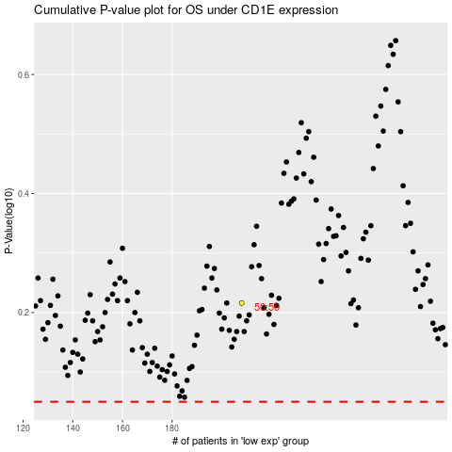

 |  |  |  |  |  | cases_OS | p_OS | rank | exp
 |  |  |  |  |  |  | cases_RFS | p_RFS | rank | exp

