CD209 _multivariate
Reported by Tex Li-Hsing Chi. tex@gate.sinica.edu.tw 2019-08-21

Table 2. The clinicopathological features of HNSCC cohort and CD209 expression. (Chi square test)
Cutoff at -0.289 (49.8%)
 |  | CD209 expression |  | CD209 expression |  | (Optimised)
 | Features | Low | (%) | High | (%) | Case no | P-value | Remark | Matthews
Gender | Female | 162 | 39 | 144 | 34.7 | 415 | 0.0479 | 1 | 0
2 | Male | 45 | 10.8 | 64 | 15.4
Age at diagnosis | <=65y | 149 | 35.9 | 125 | 30.1 | 415 | 0.0142 | 1 | 0
4 | >65y | 58 | 14 | 83 | 20
Clinical T Status | T1+T2 | 75 | 18.1 | 74 | 17.8 | 415 | 0.9707 | 0 | 0
6 | T3+T4 | 132 | 31.8 | 134 | 32.3
Clinical N Status | N0 | 106 | 25.5 | 110 | 26.5 | 415 | 0.8075 | 0 | 0
8 | N1-3 | 101 | 24.3 | 98 | 23.6
Clinical M Status | M0 | 206 | 49.6 | 206 | 49.6 | 415 | 1 | 0 | 0
10 | M1 | 1 | 0.2 | 2 | 0.5
Clinical Stage | Stage I+II | 49 | 11.8 | 53 | 12.8 | 415 | 0.7535 | 0 | 0
12 | Stage III+IV | 158 | 38.1 | 155 | 37.3
Surgical Margin status | Negative | 147 | 35.4 | 171 | 41.2 | 415 | 0.0077 | 1 | 0
14 | Positive | 60 | 14.5 | 37 | 8.9
Tobacco Exposure | Low | 72 | 17.3 | 89 | 21.4 | 415 | 0.1071 | 0 | 0
16 | High | 135 | 32.5 | 119 | 28.7

Table 3. Univariate/Multivariate Cox's proportional hazards regression analyses on OS time of CD209 gene expression in HNSCC

 |  | Univariate |  |  |  | Multivariate
 | Features | HR | CI95%(L) | CI95%(H) | P-value | HR | CI95%(L) | CI95%(H) | P-value
1 | Female | 1 |  |  |  | 1
Gender | Male | 1.157 | 0.843 | 1.587 | 0.367 | 1.195 | 0.855 | 1.67 | 0.296
11 | <=65y | 1 |  |  |  | 1
Age at diagnosis | >65y | 1.329 | 0.99 | 1.784 | 0.058 | 1.384 | 1.017 | 1.883 | 0.039
12 | T1+T2 | 1 |  |  |  | 1
Clinical T Status | T3+T4 | 1.409 | 1.028 | 1.931 | 0.033 | 2.199 | 1.163 | 4.157 | 0.015
13 | N0 | 1 |  |  |  | 1
Clinical N Status | N1-3 | 1.185 | 0.89 | 1.577 | 0.246 | 1.241 | 0.87 | 1.77 | 0.234
14 | M0 | 1 |  |  |  | 1
Clinical M Status | M1 | 4.097 | 1.009 | 16.644 | 0.049 | 9.108 | 1.981 | 41.882 | 0.005
15 | Stage I+II | 1 |  |  |  | 1
Clinical Stage | Stage III+IV | 1.245 | 0.882 | 1.759 | 0.213 | 0.506 | 0.236 | 1.087 | 0.081
16 | Negative | 1 |  |  |  | 1
Surgical Margin status | Positive | 1.591 | 1.155 | 2.191 | 0.004 | 1.688 | 1.22 | 2.336 | 0.002
17 | Low | 1 |  |  |  | 1
Tobacco Exposure | High | 1.364 | 1.008 | 1.844 | 0.044 | 1.468 | 1.063 | 2.025 | 0.02
18 | Low | 1 |  |  |  | 1
RNAseq(z-score) | High | 1.082 | 0.812 | 1.442 | 0.591 | 1.1 | 0.821 | 1.473 | 0.525

Table 4. Univariate/Multivariate Cox's proportional hazards regression analyses on RFS time of CD209 gene expression in HNSCC

 |  | Univariate |  |  |  | Multivariate
 | Features | HR | CI95%(L) | CI95%(H) | P-value | HR | CI95%(L) | CI95%(H) | P-value
1 | Female | 1 |  |  |  | 1
Gender | Male | 1.157 | 0.843 | 1.587 | 0.367 | 1.195 | 0.855 | 1.67 | 0.296
11 | <=65y | 1 |  |  |  | 1
Age at diagnosis | >65y | 1.329 | 0.99 | 1.784 | 0.058 | 1.384 | 1.017 | 1.883 | 0.039
12 | T1+T2 | 1 |  |  |  | 1
Clinical T Status | T3+T4 | 1.409 | 1.028 | 1.931 | 0.033 | 2.199 | 1.163 | 4.157 | 0.015
13 | N0 | 1 |  |  |  | 1
Clinical N Status | N1-3 | 1.185 | 0.89 | 1.577 | 0.246 | 1.241 | 0.87 | 1.77 | 0.234
14 | M0 | 1 |  |  |  | 1
Clinical M Status | M1 | 4.097 | 1.009 | 16.644 | 0.049 | 9.108 | 1.981 | 41.882 | 0.005
15 | Stage I+II | 1 |  |  |  | 1
Clinical Stage | Stage III+IV | 1.245 | 0.882 | 1.759 | 0.213 | 0.506 | 0.236 | 1.087 | 0.081
16 | Negative | 1 |  |  |  | 1
Surgical Margin status | Positive | 1.591 | 1.155 | 2.191 | 0.004 | 1.688 | 1.22 | 2.336 | 0.002
17 | Low | 1 |  |  |  | 1
Tobacco Exposure | High | 1.364 | 1.008 | 1.844 | 0.044 | 1.468 | 1.063 | 2.025 | 0.02
18 | Low | 1 |  |  |  | 1
RNAseq(z-score) | High | 1.082 | 0.812 | 1.442 | 0.591 | 1.1 | 0.821 | 1.473 | 0.525

Kaplan-Meier survival estimate: Cutoff at -0.289 (49.8%)



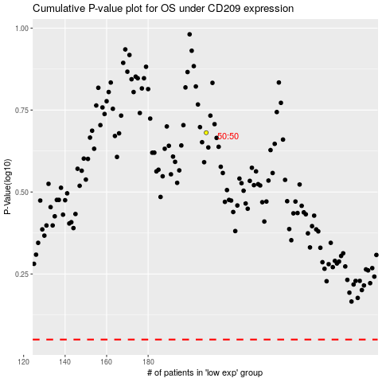

 |  |  |  |  |  | cases_OS | p_OS | rank | exp
 |  |  |  |  |  |  | cases_RFS | p_RFS | rank | exp

