CD24 _multivariate
Reported by Tex Li-Hsing Chi. tex@gate.sinica.edu.tw 2019-08-21

Table 2. The clinicopathological features of HNSCC cohort and CD24 expression. (Chi square test)
Cutoff at -0.167 (50.0%)
 |  | CD24 expression |  | CD24 expression |  | (Optimised)
 | Features | Low | (%) | High | (%) | Case no | P-value | Remark | Matthews
Gender | Female | 160 | 38.6 | 146 | 35.2 | 415 | 0.1254 | 0 | 0
2 | Male | 47 | 11.3 | 62 | 14.9
Age at diagnosis | <=65y | 137 | 33 | 137 | 33 | 415 | 1 | 0 | 0
4 | >65y | 70 | 16.9 | 71 | 17.1
Clinical T Status | T1+T2 | 67 | 16.1 | 82 | 19.8 | 415 | 0.1628 | 0 | 0
6 | T3+T4 | 140 | 33.7 | 126 | 30.4
Clinical N Status | N0 | 103 | 24.8 | 113 | 27.2 | 415 | 0.4047 | 0 | 0
8 | N1-3 | 104 | 25.1 | 95 | 22.9
Clinical M Status | M0 | 206 | 49.6 | 206 | 49.6 | 415 | 1 | 0 | 0
10 | M1 | 1 | 0.2 | 2 | 0.5
Clinical Stage | Stage I+II | 45 | 10.8 | 57 | 13.7 | 415 | 0.2202 | 0 | 0
12 | Stage III+IV | 162 | 39 | 151 | 36.4
Surgical Margin status | Negative | 157 | 37.8 | 161 | 38.8 | 415 | 0.729 | 0 | 0
14 | Positive | 50 | 12 | 47 | 11.3
Tobacco Exposure | Low | 65 | 15.7 | 96 | 23.1 | 415 | 0.0025 | 1 | 0
16 | High | 142 | 34.2 | 112 | 27

Table 3. Univariate/Multivariate Cox's proportional hazards regression analyses on OS time of CD24 gene expression in HNSCC

 |  | Univariate |  |  |  | Multivariate
 | Features | HR | CI95%(L) | CI95%(H) | P-value | HR | CI95%(L) | CI95%(H) | P-value
1 | Female | 1 |  |  |  | 1
Gender | Male | 1.157 | 0.843 | 1.587 | 0.367 | 1.226 | 0.876 | 1.716 | 0.234
11 | <=65y | 1 |  |  |  | 1
Age at diagnosis | >65y | 1.329 | 0.99 | 1.784 | 0.058 | 1.389 | 1.022 | 1.889 | 0.036
12 | T1+T2 | 1 |  |  |  | 1
Clinical T Status | T3+T4 | 1.409 | 1.028 | 1.931 | 0.033 | 2.177 | 1.152 | 4.115 | 0.017
13 | N0 | 1 |  |  |  | 1
Clinical N Status | N1-3 | 1.185 | 0.89 | 1.577 | 0.246 | 1.226 | 0.859 | 1.751 | 0.262
14 | M0 | 1 |  |  |  | 1
Clinical M Status | M1 | 4.097 | 1.009 | 16.644 | 0.049 | 10.028 | 2.18 | 46.12 | 0.003
15 | Stage I+II | 1 |  |  |  | 1
Clinical Stage | Stage III+IV | 1.245 | 0.882 | 1.759 | 0.213 | 0.504 | 0.235 | 1.082 | 0.079
16 | Negative | 1 |  |  |  | 1
Surgical Margin status | Positive | 1.591 | 1.155 | 2.191 | 0.004 | 1.654 | 1.197 | 2.286 | 0.002
17 | Low | 1 |  |  |  | 1
Tobacco Exposure | High | 1.364 | 1.008 | 1.844 | 0.044 | 1.417 | 1.026 | 1.958 | 0.034
18 | Low | 1 |  |  |  | 1
RNAseq(z-score) | High | 0.786 | 0.588 | 1.051 | 0.104 | 0.823 | 0.611 | 1.109 | 0.2

Table 4. Univariate/Multivariate Cox's proportional hazards regression analyses on RFS time of CD24 gene expression in HNSCC

 |  | Univariate |  |  |  | Multivariate
 | Features | HR | CI95%(L) | CI95%(H) | P-value | HR | CI95%(L) | CI95%(H) | P-value
1 | Female | 1 |  |  |  | 1
Gender | Male | 1.157 | 0.843 | 1.587 | 0.367 | 1.226 | 0.876 | 1.716 | 0.234
11 | <=65y | 1 |  |  |  | 1
Age at diagnosis | >65y | 1.329 | 0.99 | 1.784 | 0.058 | 1.389 | 1.022 | 1.889 | 0.036
12 | T1+T2 | 1 |  |  |  | 1
Clinical T Status | T3+T4 | 1.409 | 1.028 | 1.931 | 0.033 | 2.177 | 1.152 | 4.115 | 0.017
13 | N0 | 1 |  |  |  | 1
Clinical N Status | N1-3 | 1.185 | 0.89 | 1.577 | 0.246 | 1.226 | 0.859 | 1.751 | 0.262
14 | M0 | 1 |  |  |  | 1
Clinical M Status | M1 | 4.097 | 1.009 | 16.644 | 0.049 | 10.028 | 2.18 | 46.12 | 0.003
15 | Stage I+II | 1 |  |  |  | 1
Clinical Stage | Stage III+IV | 1.245 | 0.882 | 1.759 | 0.213 | 0.504 | 0.235 | 1.082 | 0.079
16 | Negative | 1 |  |  |  | 1
Surgical Margin status | Positive | 1.591 | 1.155 | 2.191 | 0.004 | 1.654 | 1.197 | 2.286 | 0.002
17 | Low | 1 |  |  |  | 1
Tobacco Exposure | High | 1.364 | 1.008 | 1.844 | 0.044 | 1.417 | 1.026 | 1.958 | 0.034
18 | Low | 1 |  |  |  | 1
RNAseq(z-score) | High | 0.786 | 0.588 | 1.051 | 0.104 | 0.823 | 0.611 | 1.109 | 0.2

Kaplan-Meier survival estimate: Cutoff at -0.167 (50.0%)



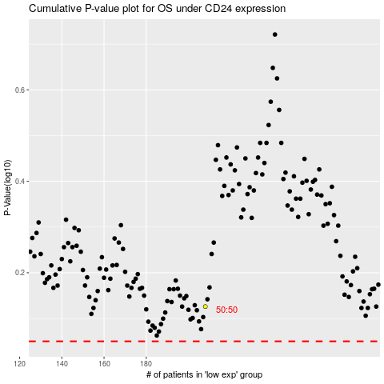

 |  |  |  |  |  | cases_OS | p_OS | rank | exp
 |  |  |  |  |  |  | cases_RFS | p_RFS | rank | exp

