CD300A _multivariate
Reported by Tex Li-Hsing Chi. tex@gate.sinica.edu.tw 2019-08-21

Table 2. The clinicopathological features of HNSCC cohort and CD300A expression. (Chi square test)
Cutoff at -0.263 (49.8%)
 |  | CD300A expression |  | CD300A expression |  | (Optimised)
 | Features | Low | (%) | High | (%) | Case no | P-value | Remark | Matthews
Gender | Female | 166 | 40 | 140 | 33.7 | 415 | 0.0041 | 1 | 0
2 | Male | 41 | 9.9 | 68 | 16.4
Age at diagnosis | <=65y | 144 | 34.7 | 130 | 31.3 | 415 | 0.1568 | 0 | 0
4 | >65y | 63 | 15.2 | 78 | 18.8
Clinical T Status | T1+T2 | 72 | 17.3 | 77 | 18.6 | 415 | 0.7095 | 0 | 0
6 | T3+T4 | 135 | 32.5 | 131 | 31.6
Clinical N Status | N0 | 124 | 29.9 | 92 | 22.2 | 415 | 0.002 | 1 | 0
8 | N1-3 | 83 | 20 | 116 | 28
Clinical M Status | M0 | 206 | 49.6 | 206 | 49.6 | 415 | 1 | 0 | 0
10 | M1 | 1 | 0.2 | 2 | 0.5
Clinical Stage | Stage I+II | 51 | 12.3 | 51 | 12.3 | 415 | 1 | 0 | 0
12 | Stage III+IV | 156 | 37.6 | 157 | 37.8
Surgical Margin status | Negative | 154 | 37.1 | 164 | 39.5 | 415 | 0.2984 | 0 | 0
14 | Positive | 53 | 12.8 | 44 | 10.6
Tobacco Exposure | Low | 79 | 19 | 82 | 19.8 | 415 | 0.8405 | 0 | 0
16 | High | 128 | 30.8 | 126 | 30.4

Table 3. Univariate/Multivariate Cox's proportional hazards regression analyses on OS time of CD300A gene expression in HNSCC

 |  | Univariate |  |  |  | Multivariate
 | Features | HR | CI95%(L) | CI95%(H) | P-value | HR | CI95%(L) | CI95%(H) | P-value
1 | Female | 1 |  |  |  | 1
Gender | Male | 1.157 | 0.843 | 1.587 | 0.367 | 1.212 | 0.865 | 1.697 | 0.263
11 | <=65y | 1 |  |  |  | 1
Age at diagnosis | >65y | 1.329 | 0.99 | 1.784 | 0.058 | 1.394 | 1.026 | 1.896 | 0.034
12 | T1+T2 | 1 |  |  |  | 1
Clinical T Status | T3+T4 | 1.409 | 1.028 | 1.931 | 0.033 | 2.209 | 1.168 | 4.177 | 0.015
13 | N0 | 1 |  |  |  | 1
Clinical N Status | N1-3 | 1.185 | 0.89 | 1.577 | 0.246 | 1.262 | 0.878 | 1.814 | 0.21
14 | M0 | 1 |  |  |  | 1
Clinical M Status | M1 | 4.097 | 1.009 | 16.644 | 0.049 | 9.463 | 2.064 | 43.388 | 0.004
15 | Stage I+II | 1 |  |  |  | 1
Clinical Stage | Stage III+IV | 1.245 | 0.882 | 1.759 | 0.213 | 0.499 | 0.232 | 1.073 | 0.075
16 | Negative | 1 |  |  |  | 1
Surgical Margin status | Positive | 1.591 | 1.155 | 2.191 | 0.004 | 1.67 | 1.209 | 2.308 | 0.002
17 | Low | 1 |  |  |  | 1
Tobacco Exposure | High | 1.364 | 1.008 | 1.844 | 0.044 | 1.447 | 1.05 | 1.996 | 0.024
18 | Low | 1 |  |  |  | 1
RNAseq(z-score) | High | 0.975 | 0.732 | 1.299 | 0.864 | 0.936 | 0.695 | 1.26 | 0.663

Table 4. Univariate/Multivariate Cox's proportional hazards regression analyses on RFS time of CD300A gene expression in HNSCC

 |  | Univariate |  |  |  | Multivariate
 | Features | HR | CI95%(L) | CI95%(H) | P-value | HR | CI95%(L) | CI95%(H) | P-value
1 | Female | 1 |  |  |  | 1
Gender | Male | 1.157 | 0.843 | 1.587 | 0.367 | 1.212 | 0.865 | 1.697 | 0.263
11 | <=65y | 1 |  |  |  | 1
Age at diagnosis | >65y | 1.329 | 0.99 | 1.784 | 0.058 | 1.394 | 1.026 | 1.896 | 0.034
12 | T1+T2 | 1 |  |  |  | 1
Clinical T Status | T3+T4 | 1.409 | 1.028 | 1.931 | 0.033 | 2.209 | 1.168 | 4.177 | 0.015
13 | N0 | 1 |  |  |  | 1
Clinical N Status | N1-3 | 1.185 | 0.89 | 1.577 | 0.246 | 1.262 | 0.878 | 1.814 | 0.21
14 | M0 | 1 |  |  |  | 1
Clinical M Status | M1 | 4.097 | 1.009 | 16.644 | 0.049 | 9.463 | 2.064 | 43.388 | 0.004
15 | Stage I+II | 1 |  |  |  | 1
Clinical Stage | Stage III+IV | 1.245 | 0.882 | 1.759 | 0.213 | 0.499 | 0.232 | 1.073 | 0.075
16 | Negative | 1 |  |  |  | 1
Surgical Margin status | Positive | 1.591 | 1.155 | 2.191 | 0.004 | 1.67 | 1.209 | 2.308 | 0.002
17 | Low | 1 |  |  |  | 1
Tobacco Exposure | High | 1.364 | 1.008 | 1.844 | 0.044 | 1.447 | 1.05 | 1.996 | 0.024
18 | Low | 1 |  |  |  | 1
RNAseq(z-score) | High | 0.975 | 0.732 | 1.299 | 0.864 | 0.936 | 0.695 | 1.26 | 0.663

Kaplan-Meier survival estimate: Cutoff at -0.263 (49.8%)



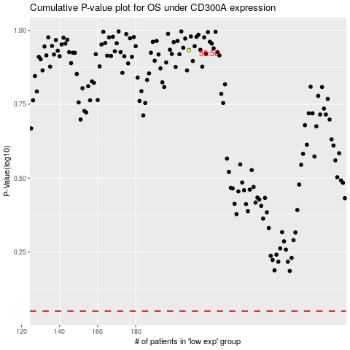

 |  |  |  |  |  | cases_OS | p_OS | rank | exp
 |  |  |  |  |  |  | cases_RFS | p_RFS | rank | exp

