CD300LB _multivariate
Reported by Tex Li-Hsing Chi. tex@gate.sinica.edu.tw 2019-08-21

Table 2. The clinicopathological features of HNSCC cohort and CD300LB expression. (Chi square test)
Cutoff at -0.24 (49.8%)
 |  | CD300LB expression |  | CD300LB expression |  | (Optimised)
 | Features | Low | (%) | High | (%) | Case no | P-value | Remark | Matthews
Gender | Female | 159 | 38.3 | 147 | 35.4 | 415 | 0.1905 | 0 | 0
2 | Male | 48 | 11.6 | 61 | 14.7
Age at diagnosis | <=65y | 147 | 35.4 | 127 | 30.6 | 415 | 0.0416 | 1 | 0
4 | >65y | 60 | 14.5 | 81 | 19.5
Clinical T Status | T1+T2 | 81 | 19.5 | 68 | 16.4 | 415 | 0.206 | 0 | 0
6 | T3+T4 | 126 | 30.4 | 140 | 33.7
Clinical N Status | N0 | 118 | 28.4 | 98 | 23.6 | 415 | 0.0551 | 1 | 0
8 | N1-3 | 89 | 21.4 | 110 | 26.5
Clinical M Status | M0 | 204 | 49.2 | 208 | 50.1 | 415 | 0.1232 | 0 | 0
10 | M1 | 3 | 0.7 | 0 | 0
Clinical Stage | Stage I+II | 55 | 13.3 | 47 | 11.3 | 415 | 0.4087 | 0 | 0
12 | Stage III+IV | 152 | 36.6 | 161 | 38.8
Surgical Margin status | Negative | 155 | 37.3 | 163 | 39.3 | 415 | 0.4187 | 0 | 0
14 | Positive | 52 | 12.5 | 45 | 10.8
Tobacco Exposure | Low | 81 | 19.5 | 80 | 19.3 | 415 | 0.9199 | 0 | 0
16 | High | 126 | 30.4 | 128 | 30.8

Table 3. Univariate/Multivariate Cox's proportional hazards regression analyses on OS time of CD300LB gene expression in HNSCC

 |  | Univariate |  |  |  | Multivariate
 | Features | HR | CI95%(L) | CI95%(H) | P-value | HR | CI95%(L) | CI95%(H) | P-value
1 | Female | 1 |  |  |  | 1
Gender | Male | 1.157 | 0.843 | 1.587 | 0.367 | 1.214 | 0.869 | 1.696 | 0.256
11 | <=65y | 1 |  |  |  | 1
Age at diagnosis | >65y | 1.329 | 0.99 | 1.784 | 0.058 | 1.41 | 1.037 | 1.919 | 0.029
12 | T1+T2 | 1 |  |  |  | 1
Clinical T Status | T3+T4 | 1.409 | 1.028 | 1.931 | 0.033 | 2.289 | 1.204 | 4.352 | 0.012
13 | N0 | 1 |  |  |  | 1
Clinical N Status | N1-3 | 1.185 | 0.89 | 1.577 | 0.246 | 1.283 | 0.893 | 1.843 | 0.177
14 | M0 | 1 |  |  |  | 1
Clinical M Status | M1 | 4.097 | 1.009 | 16.644 | 0.049 | 8.975 | 1.952 | 41.268 | 0.005
15 | Stage I+II | 1 |  |  |  | 1
Clinical Stage | Stage III+IV | 1.245 | 0.882 | 1.759 | 0.213 | 0.482 | 0.223 | 1.041 | 0.063
16 | Negative | 1 |  |  |  | 1
Surgical Margin status | Positive | 1.591 | 1.155 | 2.191 | 0.004 | 1.688 | 1.221 | 2.336 | 0.002
17 | Low | 1 |  |  |  | 1
Tobacco Exposure | High | 1.364 | 1.008 | 1.844 | 0.044 | 1.447 | 1.051 | 1.994 | 0.024
18 | Low | 1 |  |  |  | 1
RNAseq(z-score) | High | 0.966 | 0.723 | 1.291 | 0.815 | 0.864 | 0.639 | 1.167 | 0.341

Table 4. Univariate/Multivariate Cox's proportional hazards regression analyses on RFS time of CD300LB gene expression in HNSCC

 |  | Univariate |  |  |  | Multivariate
 | Features | HR | CI95%(L) | CI95%(H) | P-value | HR | CI95%(L) | CI95%(H) | P-value
1 | Female | 1 |  |  |  | 1
Gender | Male | 1.157 | 0.843 | 1.587 | 0.367 | 1.214 | 0.869 | 1.696 | 0.256
11 | <=65y | 1 |  |  |  | 1
Age at diagnosis | >65y | 1.329 | 0.99 | 1.784 | 0.058 | 1.41 | 1.037 | 1.919 | 0.029
12 | T1+T2 | 1 |  |  |  | 1
Clinical T Status | T3+T4 | 1.409 | 1.028 | 1.931 | 0.033 | 2.289 | 1.204 | 4.352 | 0.012
13 | N0 | 1 |  |  |  | 1
Clinical N Status | N1-3 | 1.185 | 0.89 | 1.577 | 0.246 | 1.283 | 0.893 | 1.843 | 0.177
14 | M0 | 1 |  |  |  | 1
Clinical M Status | M1 | 4.097 | 1.009 | 16.644 | 0.049 | 8.975 | 1.952 | 41.268 | 0.005
15 | Stage I+II | 1 |  |  |  | 1
Clinical Stage | Stage III+IV | 1.245 | 0.882 | 1.759 | 0.213 | 0.482 | 0.223 | 1.041 | 0.063
16 | Negative | 1 |  |  |  | 1
Surgical Margin status | Positive | 1.591 | 1.155 | 2.191 | 0.004 | 1.688 | 1.221 | 2.336 | 0.002
17 | Low | 1 |  |  |  | 1
Tobacco Exposure | High | 1.364 | 1.008 | 1.844 | 0.044 | 1.447 | 1.051 | 1.994 | 0.024
18 | Low | 1 |  |  |  | 1
RNAseq(z-score) | High | 0.966 | 0.723 | 1.291 | 0.815 | 0.864 | 0.639 | 1.167 | 0.341

Kaplan-Meier survival estimate: Cutoff at -0.24 (49.8%)



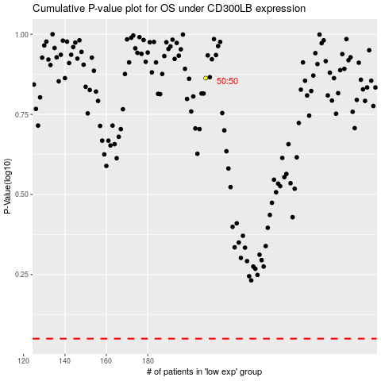

 |  |  |  |  |  | cases_OS | p_OS | rank | exp
 |  |  |  |  |  |  | cases_RFS | p_RFS | rank | exp

