CD300LF _multivariate
Reported by Tex Li-Hsing Chi. tex@gate.sinica.edu.tw 2019-08-21

Table 2. The clinicopathological features of HNSCC cohort and CD300LF expression. (Chi square test)
Cutoff at -0.259 (49.8%)
 |  | CD300LF expression |  | CD300LF expression |  | (Optimised)
 | Features | Low | (%) | High | (%) | Case no | P-value | Remark | Matthews
Gender | Female | 159 | 38.3 | 147 | 35.4 | 415 | 0.1905 | 0 | 0
2 | Male | 48 | 11.6 | 61 | 14.7
Age at diagnosis | <=65y | 142 | 34.2 | 132 | 31.8 | 415 | 0.3167 | 0 | 0
4 | >65y | 65 | 15.7 | 76 | 18.3
Clinical T Status | T1+T2 | 70 | 16.9 | 79 | 19 | 415 | 0.4343 | 0 | 0
6 | T3+T4 | 137 | 33 | 129 | 31.1
Clinical N Status | N0 | 124 | 29.9 | 92 | 22.2 | 415 | 0.002 | 1 | 0
8 | N1-3 | 83 | 20 | 116 | 28
Clinical M Status | M0 | 206 | 49.6 | 206 | 49.6 | 415 | 1 | 0 | 0
10 | M1 | 1 | 0.2 | 2 | 0.5
Clinical Stage | Stage I+II | 51 | 12.3 | 51 | 12.3 | 415 | 1 | 0 | 0
12 | Stage III+IV | 156 | 37.6 | 157 | 37.8
Surgical Margin status | Negative | 156 | 37.6 | 162 | 39 | 415 | 0.5636 | 0 | 0
14 | Positive | 51 | 12.3 | 46 | 11.1
Tobacco Exposure | Low | 72 | 17.3 | 89 | 21.4 | 415 | 0.1071 | 0 | 0
16 | High | 135 | 32.5 | 119 | 28.7

Table 3. Univariate/Multivariate Cox's proportional hazards regression analyses on OS time of CD300LF gene expression in HNSCC

 |  | Univariate |  |  |  | Multivariate
 | Features | HR | CI95%(L) | CI95%(H) | P-value | HR | CI95%(L) | CI95%(H) | P-value
1 | Female | 1 |  |  |  | 1
Gender | Male | 1.157 | 0.843 | 1.587 | 0.367 | 1.199 | 0.857 | 1.676 | 0.289
11 | <=65y | 1 |  |  |  | 1
Age at diagnosis | >65y | 1.329 | 0.99 | 1.784 | 0.058 | 1.389 | 1.021 | 1.889 | 0.036
12 | T1+T2 | 1 |  |  |  | 1
Clinical T Status | T3+T4 | 1.409 | 1.028 | 1.931 | 0.033 | 2.199 | 1.163 | 4.158 | 0.015
13 | N0 | 1 |  |  |  | 1
Clinical N Status | N1-3 | 1.185 | 0.89 | 1.577 | 0.246 | 1.231 | 0.856 | 1.769 | 0.262
14 | M0 | 1 |  |  |  | 1
Clinical M Status | M1 | 4.097 | 1.009 | 16.644 | 0.049 | 9.389 | 2.048 | 43.042 | 0.004
15 | Stage I+II | 1 |  |  |  | 1
Clinical Stage | Stage III+IV | 1.245 | 0.882 | 1.759 | 0.213 | 0.508 | 0.236 | 1.092 | 0.083
16 | Negative | 1 |  |  |  | 1
Surgical Margin status | Positive | 1.591 | 1.155 | 2.191 | 0.004 | 1.672 | 1.21 | 2.31 | 0.002
17 | Low | 1 |  |  |  | 1
Tobacco Exposure | High | 1.364 | 1.008 | 1.844 | 0.044 | 1.459 | 1.057 | 2.013 | 0.022
18 | Low | 1 |  |  |  | 1
RNAseq(z-score) | High | 1.042 | 0.782 | 1.388 | 0.78 | 1.034 | 0.768 | 1.392 | 0.827

Table 4. Univariate/Multivariate Cox's proportional hazards regression analyses on RFS time of CD300LF gene expression in HNSCC

 |  | Univariate |  |  |  | Multivariate
 | Features | HR | CI95%(L) | CI95%(H) | P-value | HR | CI95%(L) | CI95%(H) | P-value
1 | Female | 1 |  |  |  | 1
Gender | Male | 1.157 | 0.843 | 1.587 | 0.367 | 1.199 | 0.857 | 1.676 | 0.289
11 | <=65y | 1 |  |  |  | 1
Age at diagnosis | >65y | 1.329 | 0.99 | 1.784 | 0.058 | 1.389 | 1.021 | 1.889 | 0.036
12 | T1+T2 | 1 |  |  |  | 1
Clinical T Status | T3+T4 | 1.409 | 1.028 | 1.931 | 0.033 | 2.199 | 1.163 | 4.158 | 0.015
13 | N0 | 1 |  |  |  | 1
Clinical N Status | N1-3 | 1.185 | 0.89 | 1.577 | 0.246 | 1.231 | 0.856 | 1.769 | 0.262
14 | M0 | 1 |  |  |  | 1
Clinical M Status | M1 | 4.097 | 1.009 | 16.644 | 0.049 | 9.389 | 2.048 | 43.042 | 0.004
15 | Stage I+II | 1 |  |  |  | 1
Clinical Stage | Stage III+IV | 1.245 | 0.882 | 1.759 | 0.213 | 0.508 | 0.236 | 1.092 | 0.083
16 | Negative | 1 |  |  |  | 1
Surgical Margin status | Positive | 1.591 | 1.155 | 2.191 | 0.004 | 1.672 | 1.21 | 2.31 | 0.002
17 | Low | 1 |  |  |  | 1
Tobacco Exposure | High | 1.364 | 1.008 | 1.844 | 0.044 | 1.459 | 1.057 | 2.013 | 0.022
18 | Low | 1 |  |  |  | 1
RNAseq(z-score) | High | 1.042 | 0.782 | 1.388 | 0.78 | 1.034 | 0.768 | 1.392 | 0.827

Kaplan-Meier survival estimate: Cutoff at -0.259 (49.8%)



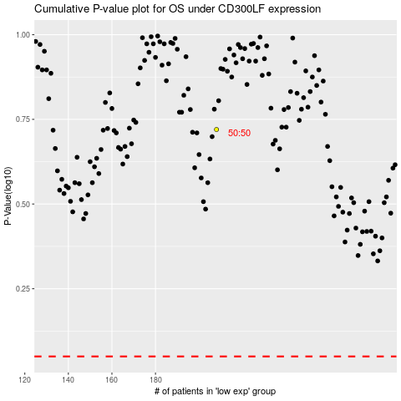

 |  |  |  |  |  | cases_OS | p_OS | rank | exp
 |  |  |  |  |  |  | cases_RFS | p_RFS | rank | exp

