CD300LG _multivariate
Reported by Tex Li-Hsing Chi. tex@gate.sinica.edu.tw 2019-08-21

Table 2. The clinicopathological features of HNSCC cohort and CD300LG expression. (Chi square test)
Cutoff at -0.193 (50.0%)
 |  | CD300LG expression |  | CD300LG expression |  | (Optimised)
 | Features | Low | (%) | High | (%) | Case no | P-value | Remark | Matthews
Gender | Female | 160 | 38.6 | 146 | 35.2 | 415 | 0.1254 | 0 | 0
2 | Male | 47 | 11.3 | 62 | 14.9
Age at diagnosis | <=65y | 136 | 32.8 | 138 | 33.3 | 415 | 0.9719 | 0 | 0
4 | >65y | 71 | 17.1 | 70 | 16.9
Clinical T Status | T1+T2 | 66 | 15.9 | 83 | 20 | 415 | 0.1095 | 0 | 0
6 | T3+T4 | 141 | 34 | 125 | 30.1
Clinical N Status | N0 | 111 | 26.7 | 105 | 25.3 | 415 | 0.5875 | 0 | 0
8 | N1-3 | 96 | 23.1 | 103 | 24.8
Clinical M Status | M0 | 207 | 49.9 | 205 | 49.4 | 415 | 0.2482 | 0 | 0
10 | M1 | 0 | 0 | 3 | 0.7
Clinical Stage | Stage I+II | 48 | 11.6 | 54 | 13 | 415 | 0.5878 | 0 | 0
12 | Stage III+IV | 159 | 38.3 | 154 | 37.1
Surgical Margin status | Negative | 165 | 39.8 | 153 | 36.9 | 415 | 0.1639 | 0 | 0
14 | Positive | 42 | 10.1 | 55 | 13.3
Tobacco Exposure | Low | 68 | 16.4 | 93 | 22.4 | 415 | 0.0156 | 1 | 0
16 | High | 139 | 33.5 | 115 | 27.7

Table 3. Univariate/Multivariate Cox's proportional hazards regression analyses on OS time of CD300LG gene expression in HNSCC

 |  | Univariate |  |  |  | Multivariate
 | Features | HR | CI95%(L) | CI95%(H) | P-value | HR | CI95%(L) | CI95%(H) | P-value
1 | Female | 1 |  |  |  | 1
Gender | Male | 1.157 | 0.843 | 1.587 | 0.367 | 1.205 | 0.862 | 1.683 | 0.276
11 | <=65y | 1 |  |  |  | 1
Age at diagnosis | >65y | 1.329 | 0.99 | 1.784 | 0.058 | 1.391 | 1.024 | 1.891 | 0.035
12 | T1+T2 | 1 |  |  |  | 1
Clinical T Status | T3+T4 | 1.409 | 1.028 | 1.931 | 0.033 | 2.193 | 1.159 | 4.148 | 0.016
13 | N0 | 1 |  |  |  | 1
Clinical N Status | N1-3 | 1.185 | 0.89 | 1.577 | 0.246 | 1.242 | 0.871 | 1.773 | 0.231
14 | M0 | 1 |  |  |  | 1
Clinical M Status | M1 | 4.097 | 1.009 | 16.644 | 0.049 | 9.603 | 2.083 | 44.277 | 0.004
15 | Stage I+II | 1 |  |  |  | 1
Clinical Stage | Stage III+IV | 1.245 | 0.882 | 1.759 | 0.213 | 0.504 | 0.235 | 1.082 | 0.079
16 | Negative | 1 |  |  |  | 1
Surgical Margin status | Positive | 1.591 | 1.155 | 2.191 | 0.004 | 1.679 | 1.213 | 2.322 | 0.002
17 | Low | 1 |  |  |  | 1
Tobacco Exposure | High | 1.364 | 1.008 | 1.844 | 0.044 | 1.444 | 1.046 | 1.994 | 0.026
18 | Low | 1 |  |  |  | 1
RNAseq(z-score) | High | 0.959 | 0.72 | 1.277 | 0.772 | 0.955 | 0.712 | 1.282 | 0.761

Table 4. Univariate/Multivariate Cox's proportional hazards regression analyses on RFS time of CD300LG gene expression in HNSCC

 |  | Univariate |  |  |  | Multivariate
 | Features | HR | CI95%(L) | CI95%(H) | P-value | HR | CI95%(L) | CI95%(H) | P-value
1 | Female | 1 |  |  |  | 1
Gender | Male | 1.157 | 0.843 | 1.587 | 0.367 | 1.205 | 0.862 | 1.683 | 0.276
11 | <=65y | 1 |  |  |  | 1
Age at diagnosis | >65y | 1.329 | 0.99 | 1.784 | 0.058 | 1.391 | 1.024 | 1.891 | 0.035
12 | T1+T2 | 1 |  |  |  | 1
Clinical T Status | T3+T4 | 1.409 | 1.028 | 1.931 | 0.033 | 2.193 | 1.159 | 4.148 | 0.016
13 | N0 | 1 |  |  |  | 1
Clinical N Status | N1-3 | 1.185 | 0.89 | 1.577 | 0.246 | 1.242 | 0.871 | 1.773 | 0.231
14 | M0 | 1 |  |  |  | 1
Clinical M Status | M1 | 4.097 | 1.009 | 16.644 | 0.049 | 9.603 | 2.083 | 44.277 | 0.004
15 | Stage I+II | 1 |  |  |  | 1
Clinical Stage | Stage III+IV | 1.245 | 0.882 | 1.759 | 0.213 | 0.504 | 0.235 | 1.082 | 0.079
16 | Negative | 1 |  |  |  | 1
Surgical Margin status | Positive | 1.591 | 1.155 | 2.191 | 0.004 | 1.679 | 1.213 | 2.322 | 0.002
17 | Low | 1 |  |  |  | 1
Tobacco Exposure | High | 1.364 | 1.008 | 1.844 | 0.044 | 1.444 | 1.046 | 1.994 | 0.026
18 | Low | 1 |  |  |  | 1
RNAseq(z-score) | High | 0.959 | 0.72 | 1.277 | 0.772 | 0.955 | 0.712 | 1.282 | 0.761

Kaplan-Meier survival estimate: Cutoff at -0.193 (50.0%)



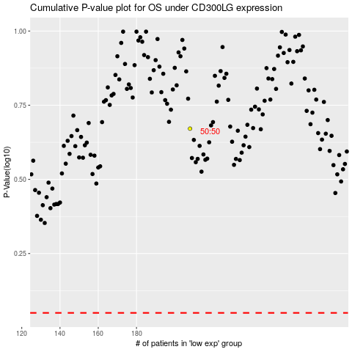

 |  |  |  |  |  | cases_OS | p_OS | rank | exp
 |  |  |  |  |  |  | cases_RFS | p_RFS | rank | exp

