CD320 _multivariate
Reported by Tex Li-Hsing Chi. tex@gate.sinica.edu.tw 2019-08-21

Table 2. The clinicopathological features of HNSCC cohort and CD320 expression. (Chi square test)
Cutoff at -0.229 (49.8%)
 |  | CD320 expression |  | CD320 expression |  | (Optimised)
 | Features | Low | (%) | High | (%) | Case no | P-value | Remark | Matthews
Gender | Female | 138 | 33.3 | 168 | 40.5 | 415 | 0.0016 | 1 | 0
2 | Male | 69 | 16.6 | 40 | 9.6
Age at diagnosis | <=65y | 131 | 31.6 | 143 | 34.5 | 415 | 0.2839 | 0 | 0
4 | >65y | 76 | 18.3 | 65 | 15.7
Clinical T Status | T1+T2 | 81 | 19.5 | 68 | 16.4 | 415 | 0.206 | 0 | 0
6 | T3+T4 | 126 | 30.4 | 140 | 33.7
Clinical N Status | N0 | 117 | 28.2 | 99 | 23.9 | 415 | 0.0852 | 1 | 0
8 | N1-3 | 90 | 21.7 | 109 | 26.3
Clinical M Status | M0 | 206 | 49.6 | 206 | 49.6 | 415 | 1 | 0 | 0
10 | M1 | 1 | 0.2 | 2 | 0.5
Clinical Stage | Stage I+II | 59 | 14.2 | 43 | 10.4 | 415 | 0.0822 | 0 | 0
12 | Stage III+IV | 148 | 35.7 | 165 | 39.8
Surgical Margin status | Negative | 161 | 38.8 | 157 | 37.8 | 415 | 0.6429 | 0 | 0
14 | Positive | 46 | 11.1 | 51 | 12.3
Tobacco Exposure | Low | 97 | 23.4 | 64 | 15.4 | 415 | 9e-04 | 1 | 0
16 | High | 110 | 26.5 | 144 | 34.7

Table 3. Univariate/Multivariate Cox's proportional hazards regression analyses on OS time of CD320 gene expression in HNSCC

 |  | Univariate |  |  |  | Multivariate
 | Features | HR | CI95%(L) | CI95%(H) | P-value | HR | CI95%(L) | CI95%(H) | P-value
1 | Female | 1 |  |  |  | 1
Gender | Male | 1.157 | 0.843 | 1.587 | 0.367 | 1.167 | 0.835 | 1.632 | 0.366
11 | <=65y | 1 |  |  |  | 1
Age at diagnosis | >65y | 1.329 | 0.99 | 1.784 | 0.058 | 1.406 | 1.033 | 1.913 | 0.031
12 | T1+T2 | 1 |  |  |  | 1
Clinical T Status | T3+T4 | 1.409 | 1.028 | 1.931 | 0.033 | 2.277 | 1.201 | 4.318 | 0.012
13 | N0 | 1 |  |  |  | 1
Clinical N Status | N1-3 | 1.185 | 0.89 | 1.577 | 0.246 | 1.26 | 0.883 | 1.799 | 0.202
14 | M0 | 1 |  |  |  | 1
Clinical M Status | M1 | 4.097 | 1.009 | 16.644 | 0.049 | 9.892 | 2.154 | 45.43 | 0.003
15 | Stage I+II | 1 |  |  |  | 1
Clinical Stage | Stage III+IV | 1.245 | 0.882 | 1.759 | 0.213 | 0.493 | 0.23 | 1.06 | 0.07
16 | Negative | 1 |  |  |  | 1
Surgical Margin status | Positive | 1.591 | 1.155 | 2.191 | 0.004 | 1.72 | 1.242 | 2.383 | 0.001
17 | Low | 1 |  |  |  | 1
Tobacco Exposure | High | 1.364 | 1.008 | 1.844 | 0.044 | 1.508 | 1.091 | 2.083 | 0.013
18 | Low | 1 |  |  |  | 1
RNAseq(z-score) | High | 0.841 | 0.631 | 1.121 | 0.237 | 0.755 | 0.562 | 1.013 | 0.061

Table 4. Univariate/Multivariate Cox's proportional hazards regression analyses on RFS time of CD320 gene expression in HNSCC

 |  | Univariate |  |  |  | Multivariate
 | Features | HR | CI95%(L) | CI95%(H) | P-value | HR | CI95%(L) | CI95%(H) | P-value
1 | Female | 1 |  |  |  | 1
Gender | Male | 1.157 | 0.843 | 1.587 | 0.367 | 1.167 | 0.835 | 1.632 | 0.366
11 | <=65y | 1 |  |  |  | 1
Age at diagnosis | >65y | 1.329 | 0.99 | 1.784 | 0.058 | 1.406 | 1.033 | 1.913 | 0.031
12 | T1+T2 | 1 |  |  |  | 1
Clinical T Status | T3+T4 | 1.409 | 1.028 | 1.931 | 0.033 | 2.277 | 1.201 | 4.318 | 0.012
13 | N0 | 1 |  |  |  | 1
Clinical N Status | N1-3 | 1.185 | 0.89 | 1.577 | 0.246 | 1.26 | 0.883 | 1.799 | 0.202
14 | M0 | 1 |  |  |  | 1
Clinical M Status | M1 | 4.097 | 1.009 | 16.644 | 0.049 | 9.892 | 2.154 | 45.43 | 0.003
15 | Stage I+II | 1 |  |  |  | 1
Clinical Stage | Stage III+IV | 1.245 | 0.882 | 1.759 | 0.213 | 0.493 | 0.23 | 1.06 | 0.07
16 | Negative | 1 |  |  |  | 1
Surgical Margin status | Positive | 1.591 | 1.155 | 2.191 | 0.004 | 1.72 | 1.242 | 2.383 | 0.001
17 | Low | 1 |  |  |  | 1
Tobacco Exposure | High | 1.364 | 1.008 | 1.844 | 0.044 | 1.508 | 1.091 | 2.083 | 0.013
18 | Low | 1 |  |  |  | 1
RNAseq(z-score) | High | 0.841 | 0.631 | 1.121 | 0.237 | 0.755 | 0.562 | 1.013 | 0.061

Kaplan-Meier survival estimate: Cutoff at -0.229 (49.8%)



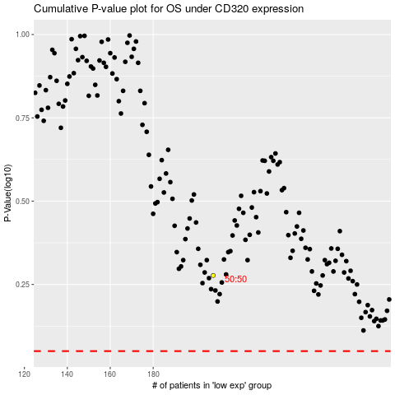

 |  |  |  |  |  | cases_OS | p_OS | rank | exp
 |  |  |  |  |  |  | cases_RFS | p_RFS | rank | exp

