CD34 _multivariate
Reported by Tex Li-Hsing Chi. tex@gate.sinica.edu.tw 2019-08-21

Table 2. The clinicopathological features of HNSCC cohort and CD34 expression. (Chi square test)
Cutoff at -0.462 (31.9%)
 |  | CD34 expression |  | CD34 expression |  | (Optimised)
 | Features | Low | (%) | High | (%) | Case no | P-value | Remark | Matthews
Gender | Female | 95 | 22.9 | 211 | 50.8 | 415 | 0.5394 | 0 | 0
2 | Male | 38 | 9.2 | 71 | 17.1
Age at diagnosis | <=65y | 88 | 21.2 | 186 | 44.8 | 415 | 1 | 0 | 0
4 | >65y | 45 | 10.8 | 96 | 23.1
Clinical T Status | T1+T2 | 46 | 11.1 | 103 | 24.8 | 415 | 0.7837 | 0 | 0
6 | T3+T4 | 87 | 21 | 179 | 43.1
Clinical N Status | N0 | 66 | 15.9 | 150 | 36.1 | 415 | 0.5663 | 0 | 0
8 | N1-3 | 67 | 16.1 | 132 | 31.8
Clinical M Status | M0 | 131 | 31.6 | 281 | 67.7 | 415 | 0.2417 | 0 | 0
10 | M1 | 2 | 0.5 | 1 | 0.2
Clinical Stage | Stage I+II | 31 | 7.5 | 71 | 17.1 | 415 | 0.7714 | 0 | 0
12 | Stage III+IV | 102 | 24.6 | 211 | 50.8
Surgical Margin status | Negative | 104 | 25.1 | 214 | 51.6 | 415 | 0.7094 | 0 | 0
14 | Positive | 29 | 7 | 68 | 16.4
Tobacco Exposure | Low | 53 | 12.8 | 108 | 26 | 415 | 0.8292 | 0 | 0
16 | High | 80 | 19.3 | 174 | 41.9

Table 3. Univariate/Multivariate Cox's proportional hazards regression analyses on OS time of CD34 gene expression in HNSCC

 |  | Univariate |  |  |  | Multivariate
 | Features | HR | CI95%(L) | CI95%(H) | P-value | HR | CI95%(L) | CI95%(H) | P-value
1 | Female | 1 |  |  |  | 1
Gender | Male | 1.157 | 0.843 | 1.587 | 0.367 | 1.185 | 0.848 | 1.656 | 0.321
11 | <=65y | 1 |  |  |  | 1
Age at diagnosis | >65y | 1.329 | 0.99 | 1.784 | 0.058 | 1.361 | 1.002 | 1.849 | 0.048
12 | T1+T2 | 1 |  |  |  | 1
Clinical T Status | T3+T4 | 1.409 | 1.028 | 1.931 | 0.033 | 2.169 | 1.148 | 4.1 | 0.017
13 | N0 | 1 |  |  |  | 1
Clinical N Status | N1-3 | 1.185 | 0.89 | 1.577 | 0.246 | 1.188 | 0.832 | 1.696 | 0.342
14 | M0 | 1 |  |  |  | 1
Clinical M Status | M1 | 4.097 | 1.009 | 16.644 | 0.049 | 8.066 | 1.755 | 37.08 | 0.007
15 | Stage I+II | 1 |  |  |  | 1
Clinical Stage | Stage III+IV | 1.245 | 0.882 | 1.759 | 0.213 | 0.52 | 0.243 | 1.115 | 0.093
16 | Negative | 1 |  |  |  | 1
Surgical Margin status | Positive | 1.591 | 1.155 | 2.191 | 0.004 | 1.698 | 1.229 | 2.347 | 0.001
17 | Low | 1 |  |  |  | 1
Tobacco Exposure | High | 1.364 | 1.008 | 1.844 | 0.044 | 1.498 | 1.085 | 2.067 | 0.014
18 | Low | 1 |  |  |  | 1
RNAseq(z-score) | High | 0.571 | 0.425 | 0.767 | *** | 0.565 | 0.419 | 0.761 | 0

Table 4. Univariate/Multivariate Cox's proportional hazards regression analyses on RFS time of CD34 gene expression in HNSCC

 |  | Univariate |  |  |  | Multivariate
 | Features | HR | CI95%(L) | CI95%(H) | P-value | HR | CI95%(L) | CI95%(H) | P-value
1 | Female | 1 |  |  |  | 1
Gender | Male | 1.157 | 0.843 | 1.587 | 0.367 | 1.185 | 0.848 | 1.656 | 0.321
11 | <=65y | 1 |  |  |  | 1
Age at diagnosis | >65y | 1.329 | 0.99 | 1.784 | 0.058 | 1.361 | 1.002 | 1.849 | 0.048
12 | T1+T2 | 1 |  |  |  | 1
Clinical T Status | T3+T4 | 1.409 | 1.028 | 1.931 | 0.033 | 2.169 | 1.148 | 4.1 | 0.017
13 | N0 | 1 |  |  |  | 1
Clinical N Status | N1-3 | 1.185 | 0.89 | 1.577 | 0.246 | 1.188 | 0.832 | 1.696 | 0.342
14 | M0 | 1 |  |  |  | 1
Clinical M Status | M1 | 4.097 | 1.009 | 16.644 | 0.049 | 8.066 | 1.755 | 37.08 | 0.007
15 | Stage I+II | 1 |  |  |  | 1
Clinical Stage | Stage III+IV | 1.245 | 0.882 | 1.759 | 0.213 | 0.52 | 0.243 | 1.115 | 0.093
16 | Negative | 1 |  |  |  | 1
Surgical Margin status | Positive | 1.591 | 1.155 | 2.191 | 0.004 | 1.698 | 1.229 | 2.347 | 0.001
17 | Low | 1 |  |  |  | 1
Tobacco Exposure | High | 1.364 | 1.008 | 1.844 | 0.044 | 1.498 | 1.085 | 2.067 | 0.014
18 | Low | 1 |  |  |  | 1
RNAseq(z-score) | High | 0.571 | 0.425 | 0.767 | *** | 0.565 | 0.419 | 0.761 | 0

Kaplan-Meier survival estimate: Cutoff at -0.462 (31.9%)

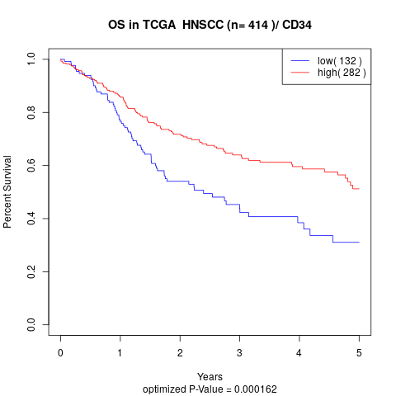

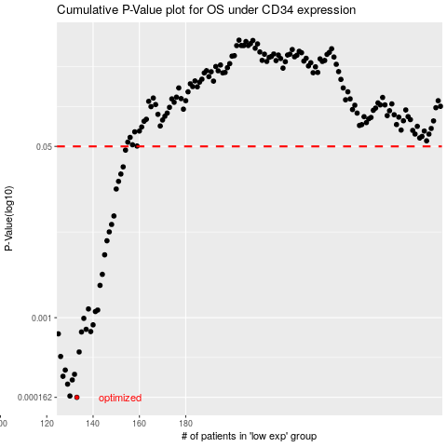

 |  |  |  |  |  | cases_OS | p_OS | rank | exp
 |  |  |  |  |  | 133 | 0.000162 | 219 | -0.46196727909
 |  |  |  |  |  | 130 | 0.000167 | 252 | -0.46558118396
 |  |  |  |  |  | 129 | 0.000219 | 87 | -0.46812601652
 |  |  |  |  |  | 131 | 0.000241 | 259 | -0.46214626658
 |  |  |  |  |  | 127 | 0.000262 | 98 | -0.4716464149
 |  |  |  |  |  | 132 | 0.000274 | 68 | -0.46198818273
 |  |  |  |  |  | 128 | 0.000302 | 4 | -0.47120557188
 |  |  |  |  |  | 126 | 0.000412 | 208 | -0.48173877104
 |  |  |  |  |  | 134 | 0.000457 | 166 | -0.44896222349
 |  |  |  |  |  | 125 | 0.000691 | 364 | -0.48257603682
 |  |  |  |  |  | 135 | 0.000721 | 357 | -0.44645266583
 |  |  |  |  |  | 139 | 0.000728 | 395 | -0.44021497979
 |  |  |  |  |  | 137 | 0.000766 | 406 | -0.44189268422
 |  |  |  |  |  | 140 | 0.000848 | 93 | -0.43543439004
 |  |  |  |  |  | 136 | 0.000984 | 118 | -0.44506742584
 |  |  |  |  |  | 141 | 0.00115 | 28 | -0.42855690304
 |  |  |  |  |  | 142 | 0.00119 | 110 | -0.42466677139
 |  |  |  |  |  | 138 | 0.00122 | 213 | -0.4418305332
 |  |  |  |  |  | 143 | 0.00209 | 235 | -0.41870195262
 |  |  |  |  |  | 144 | 0.00269 | 321 | -0.41830422338
 |  |  |  |  |  | 145 | 0.0042 | 152 | -0.41536091501
 |  |  |  |  |  | 146 | 0.00579 | 382 | -0.41408635238
 |  |  |  |  |  | 147 | 0.00709 | 29 | -0.40983059351
 |  |  |  |  |  | 148 | 0.0084 | 269 | -0.40517635885
 |  |  |  |  |  | 149 | 0.0102 | 182 | -0.4048730693
 |  |  |  |  |  | 150 | 0.0189 | 11 | -0.40106225953
 |  |  |  |  |  | 151 | 0.0225 | 378 | -0.39839088523
 |  |  |  |  |  | 152 | 0.0266 | 292 | -0.39809580784
 |  |  |  |  |  | 153 | 0.0313 | 403 | -0.39431168754
 |  |  |  |  |  | 154 | 0.0459 | 288 | -0.39182303353
 |  |  |  |  |  |  | cases_RFS | p_RFS | rank | exp
 |  |  |  |  |  |  | 132 | 0.000162 | 68 | -0.46198818273
 |  |  |  |  |  |  | 129 | 0.000167 | 87 | -0.46812601652
 |  |  |  |  |  |  | 128 | 0.000219 | 4 | -0.47120557188
 |  |  |  |  |  |  | 130 | 0.000241 | 252 | -0.46558118396
 |  |  |  |  |  |  | 126 | 0.000262 | 208 | -0.48173877104
 |  |  |  |  |  |  | 131 | 0.000274 | 259 | -0.46214626658
 |  |  |  |  |  |  | 127 | 0.000302 | 98 | -0.4716464149
 |  |  |  |  |  |  | 125 | 0.000412 | 364 | -0.48257603682
 |  |  |  |  |  |  | 133 | 0.000457 | 219 | -0.46196727909
 |  |  |  |  |  |  |  | 0.000691 | 313 | -0.48289967009
 |  |  |  |  |  |  | 134 | 0.000721 | 166 | -0.44896222349
 |  |  |  |  |  |  | 138 | 0.000728 | 213 | -0.4418305332
 |  |  |  |  |  |  | 136 | 0.000766 | 118 | -0.44506742584
 |  |  |  |  |  |  | 139 | 0.000848 | 395 | -0.44021497979
 |  |  |  |  |  |  | 135 | 0.000984 | 357 | -0.44645266583
 |  |  |  |  |  |  | 140 | 0.00115 | 93 | -0.43543439004
 |  |  |  |  |  |  | 141 | 0.00119 | 28 | -0.42855690304
 |  |  |  |  |  |  | 137 | 0.00122 | 406 | -0.44189268422
 |  |  |  |  |  |  | 142 | 0.00209 | 110 | -0.42466677139
 |  |  |  |  |  |  | 143 | 0.00269 | 235 | -0.41870195262
 |  |  |  |  |  |  | 144 | 0.0042 | 321 | -0.41830422338
 |  |  |  |  |  |  | 145 | 0.00579 | 152 | -0.41536091501
 |  |  |  |  |  |  | 146 | 0.00709 | 382 | -0.41408635238
 |  |  |  |  |  |  | 147 | 0.0084 | 29 | -0.40983059351
 |  |  |  |  |  |  | 148 | 0.0102 | 269 | -0.40517635885
 |  |  |  |  |  |  | 149 | 0.0189 | 182 | -0.4048730693
 |  |  |  |  |  |  | 150 | 0.0225 | 11 | -0.40106225953
 |  |  |  |  |  |  | 151 | 0.0266 | 378 | -0.39839088523
 |  |  |  |  |  |  | 152 | 0.0313 | 292 | -0.39809580784
 |  |  |  |  |  |  | 153 | 0.0459 | 403 | -0.39431168754

