CD36 _multivariate
Reported by Tex Li-Hsing Chi. tex@gate.sinica.edu.tw 2019-08-21

Table 2. The clinicopathological features of HNSCC cohort and CD36 expression. (Chi square test)
Cutoff at -0.301 (50.0%)
 |  | CD36 expression |  | CD36 expression |  | (Optimised)
 | Features | Low | (%) | High | (%) | Case no | P-value | Remark | Matthews
Gender | Female | 162 | 39 | 144 | 34.7 | 415 | 0.0479 | 1 | 0
2 | Male | 45 | 10.8 | 64 | 15.4
Age at diagnosis | <=65y | 145 | 34.9 | 129 | 31.1 | 415 | 0.1046 | 0 | 0
4 | >65y | 62 | 14.9 | 79 | 19
Clinical T Status | T1+T2 | 77 | 18.6 | 72 | 17.3 | 415 | 0.6556 | 0 | 0
6 | T3+T4 | 130 | 31.3 | 136 | 32.8
Clinical N Status | N0 | 98 | 23.6 | 118 | 28.4 | 415 | 0.0694 | 0 | 0
8 | N1-3 | 109 | 26.3 | 90 | 21.7
Clinical M Status | M0 | 204 | 49.2 | 208 | 50.1 | 415 | 0.1232 | 0 | 0
10 | M1 | 3 | 0.7 | 0 | 0
Clinical Stage | Stage I+II | 48 | 11.6 | 54 | 13 | 415 | 0.5878 | 0 | 0
12 | Stage III+IV | 159 | 38.3 | 154 | 37.1
Surgical Margin status | Negative | 152 | 36.6 | 166 | 40 | 415 | 0.1329 | 0 | 0
14 | Positive | 55 | 13.3 | 42 | 10.1
Tobacco Exposure | Low | 78 | 18.8 | 83 | 20 | 415 | 0.6873 | 0 | 0
16 | High | 129 | 31.1 | 125 | 30.1

Table 3. Univariate/Multivariate Cox's proportional hazards regression analyses on OS time of CD36 gene expression in HNSCC

 |  | Univariate |  |  |  | Multivariate
 | Features | HR | CI95%(L) | CI95%(H) | P-value | HR | CI95%(L) | CI95%(H) | P-value
1 | Female | 1 |  |  |  | 1
Gender | Male | 1.157 | 0.843 | 1.587 | 0.367 | 1.213 | 0.868 | 1.696 | 0.258
11 | <=65y | 1 |  |  |  | 1
Age at diagnosis | >65y | 1.329 | 0.99 | 1.784 | 0.058 | 1.401 | 1.03 | 1.906 | 0.032
12 | T1+T2 | 1 |  |  |  | 1
Clinical T Status | T3+T4 | 1.409 | 1.028 | 1.931 | 0.033 | 2.212 | 1.17 | 4.182 | 0.015
13 | N0 | 1 |  |  |  | 1
Clinical N Status | N1-3 | 1.185 | 0.89 | 1.577 | 0.246 | 1.217 | 0.85 | 1.741 | 0.283
14 | M0 | 1 |  |  |  | 1
Clinical M Status | M1 | 4.097 | 1.009 | 16.644 | 0.049 | 8.946 | 1.945 | 41.16 | 0.005
15 | Stage I+II | 1 |  |  |  | 1
Clinical Stage | Stage III+IV | 1.245 | 0.882 | 1.759 | 0.213 | 0.506 | 0.236 | 1.086 | 0.08
16 | Negative | 1 |  |  |  | 1
Surgical Margin status | Positive | 1.591 | 1.155 | 2.191 | 0.004 | 1.646 | 1.189 | 2.278 | 0.003
17 | Low | 1 |  |  |  | 1
Tobacco Exposure | High | 1.364 | 1.008 | 1.844 | 0.044 | 1.46 | 1.059 | 2.014 | 0.021
18 | Low | 1 |  |  |  | 1
RNAseq(z-score) | High | 0.849 | 0.637 | 1.131 | 0.264 | 0.873 | 0.651 | 1.171 | 0.365

Table 4. Univariate/Multivariate Cox's proportional hazards regression analyses on RFS time of CD36 gene expression in HNSCC

 |  | Univariate |  |  |  | Multivariate
 | Features | HR | CI95%(L) | CI95%(H) | P-value | HR | CI95%(L) | CI95%(H) | P-value
1 | Female | 1 |  |  |  | 1
Gender | Male | 1.157 | 0.843 | 1.587 | 0.367 | 1.213 | 0.868 | 1.696 | 0.258
11 | <=65y | 1 |  |  |  | 1
Age at diagnosis | >65y | 1.329 | 0.99 | 1.784 | 0.058 | 1.401 | 1.03 | 1.906 | 0.032
12 | T1+T2 | 1 |  |  |  | 1
Clinical T Status | T3+T4 | 1.409 | 1.028 | 1.931 | 0.033 | 2.212 | 1.17 | 4.182 | 0.015
13 | N0 | 1 |  |  |  | 1
Clinical N Status | N1-3 | 1.185 | 0.89 | 1.577 | 0.246 | 1.217 | 0.85 | 1.741 | 0.283
14 | M0 | 1 |  |  |  | 1
Clinical M Status | M1 | 4.097 | 1.009 | 16.644 | 0.049 | 8.946 | 1.945 | 41.16 | 0.005
15 | Stage I+II | 1 |  |  |  | 1
Clinical Stage | Stage III+IV | 1.245 | 0.882 | 1.759 | 0.213 | 0.506 | 0.236 | 1.086 | 0.08
16 | Negative | 1 |  |  |  | 1
Surgical Margin status | Positive | 1.591 | 1.155 | 2.191 | 0.004 | 1.646 | 1.189 | 2.278 | 0.003
17 | Low | 1 |  |  |  | 1
Tobacco Exposure | High | 1.364 | 1.008 | 1.844 | 0.044 | 1.46 | 1.059 | 2.014 | 0.021
18 | Low | 1 |  |  |  | 1
RNAseq(z-score) | High | 0.849 | 0.637 | 1.131 | 0.264 | 0.873 | 0.651 | 1.171 | 0.365

Kaplan-Meier survival estimate: Cutoff at -0.301 (50.0%)



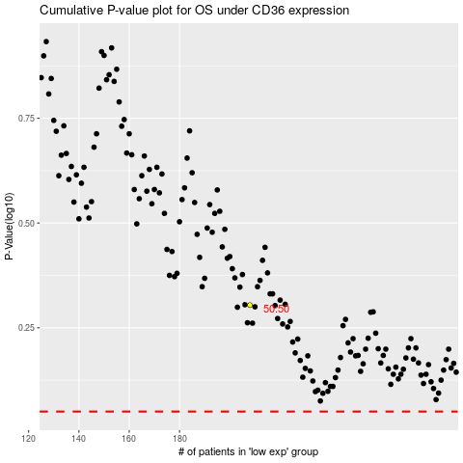

 |  |  |  |  |  | cases_OS | p_OS | rank | exp
 |  |  |  |  |  |  | cases_RFS | p_RFS | rank | exp

