CD4 _multivariate
Reported by Tex Li-Hsing Chi. tex@gate.sinica.edu.tw 2019-08-21

Table 2. The clinicopathological features of HNSCC cohort and CD4 expression. (Chi square test)
Cutoff at -0.299 (51.7%)
 |  | CD4 expression |  | CD4 expression |  | (Optimised)
 | Features | Low | (%) | High | (%) | Case no | P-value | Remark | Matthews
Gender | Female | 173 | 41.7 | 133 | 32 | 415 | 0.0018 | 1 | 0
2 | Male | 42 | 10.1 | 67 | 16.1
Age at diagnosis | <=65y | 149 | 35.9 | 125 | 30.1 | 415 | 0.1744 | 0 | 0
4 | >65y | 66 | 15.9 | 75 | 18.1
Clinical T Status | T1+T2 | 74 | 17.8 | 75 | 18.1 | 415 | 0.5813 | 0 | 0
6 | T3+T4 | 141 | 34 | 125 | 30.1
Clinical N Status | N0 | 122 | 29.4 | 94 | 22.7 | 415 | 0.0591 | 1 | 0
8 | N1-3 | 93 | 22.4 | 106 | 25.5
Clinical M Status | M0 | 213 | 51.3 | 199 | 48 | 415 | 1 | 0 | 0
10 | M1 | 2 | 0.5 | 1 | 0.2
Clinical Stage | Stage I+II | 51 | 12.3 | 51 | 12.3 | 415 | 0.7592 | 0 | 0
12 | Stage III+IV | 164 | 39.5 | 149 | 35.9
Surgical Margin status | Negative | 160 | 38.6 | 158 | 38.1 | 415 | 0.2971 | 0 | 0
14 | Positive | 55 | 13.3 | 42 | 10.1
Tobacco Exposure | Low | 73 | 17.6 | 88 | 21.2 | 415 | 0.0437 | 1 | 0
16 | High | 142 | 34.2 | 112 | 27

Table 3. Univariate/Multivariate Cox's proportional hazards regression analyses on OS time of CD4 gene expression in HNSCC

 |  | Univariate |  |  |  | Multivariate
 | Features | HR | CI95%(L) | CI95%(H) | P-value | HR | CI95%(L) | CI95%(H) | P-value
1 | Female | 1 |  |  |  | 1
Gender | Male | 1.157 | 0.843 | 1.587 | 0.367 | 1.247 | 0.891 | 1.747 | 0.198
11 | <=65y | 1 |  |  |  | 1
Age at diagnosis | >65y | 1.329 | 0.99 | 1.784 | 0.058 | 1.421 | 1.046 | 1.931 | 0.025
12 | T1+T2 | 1 |  |  |  | 1
Clinical T Status | T3+T4 | 1.409 | 1.028 | 1.931 | 0.033 | 2.256 | 1.193 | 4.265 | 0.012
13 | N0 | 1 |  |  |  | 1
Clinical N Status | N1-3 | 1.185 | 0.89 | 1.577 | 0.246 | 1.323 | 0.924 | 1.894 | 0.127
14 | M0 | 1 |  |  |  | 1
Clinical M Status | M1 | 4.097 | 1.009 | 16.644 | 0.049 | 9.122 | 1.989 | 41.83 | 0.004
15 | Stage I+II | 1 |  |  |  | 1
Clinical Stage | Stage III+IV | 1.245 | 0.882 | 1.759 | 0.213 | 0.476 | 0.221 | 1.021 | 0.057
16 | Negative | 1 |  |  |  | 1
Surgical Margin status | Positive | 1.591 | 1.155 | 2.191 | 0.004 | 1.676 | 1.213 | 2.317 | 0.002
17 | Low | 1 |  |  |  | 1
Tobacco Exposure | High | 1.364 | 1.008 | 1.844 | 0.044 | 1.411 | 1.021 | 1.948 | 0.037
18 | Low | 1 |  |  |  | 1
RNAseq(z-score) | High | 0.734 | 0.55 | 0.981 | 0.036 | 0.705 | 0.524 | 0.949 | 0.021

Table 4. Univariate/Multivariate Cox's proportional hazards regression analyses on RFS time of CD4 gene expression in HNSCC

 |  | Univariate |  |  |  | Multivariate
 | Features | HR | CI95%(L) | CI95%(H) | P-value | HR | CI95%(L) | CI95%(H) | P-value
1 | Female | 1 |  |  |  | 1
Gender | Male | 1.157 | 0.843 | 1.587 | 0.367 | 1.247 | 0.891 | 1.747 | 0.198
11 | <=65y | 1 |  |  |  | 1
Age at diagnosis | >65y | 1.329 | 0.99 | 1.784 | 0.058 | 1.421 | 1.046 | 1.931 | 0.025
12 | T1+T2 | 1 |  |  |  | 1
Clinical T Status | T3+T4 | 1.409 | 1.028 | 1.931 | 0.033 | 2.256 | 1.193 | 4.265 | 0.012
13 | N0 | 1 |  |  |  | 1
Clinical N Status | N1-3 | 1.185 | 0.89 | 1.577 | 0.246 | 1.323 | 0.924 | 1.894 | 0.127
14 | M0 | 1 |  |  |  | 1
Clinical M Status | M1 | 4.097 | 1.009 | 16.644 | 0.049 | 9.122 | 1.989 | 41.83 | 0.004
15 | Stage I+II | 1 |  |  |  | 1
Clinical Stage | Stage III+IV | 1.245 | 0.882 | 1.759 | 0.213 | 0.476 | 0.221 | 1.021 | 0.057
16 | Negative | 1 |  |  |  | 1
Surgical Margin status | Positive | 1.591 | 1.155 | 2.191 | 0.004 | 1.676 | 1.213 | 2.317 | 0.002
17 | Low | 1 |  |  |  | 1
Tobacco Exposure | High | 1.364 | 1.008 | 1.844 | 0.044 | 1.411 | 1.021 | 1.948 | 0.037
18 | Low | 1 |  |  |  | 1
RNAseq(z-score) | High | 0.734 | 0.55 | 0.981 | 0.036 | 0.705 | 0.524 | 0.949 | 0.021

Kaplan-Meier survival estimate: Cutoff at -0.299 (51.7%)



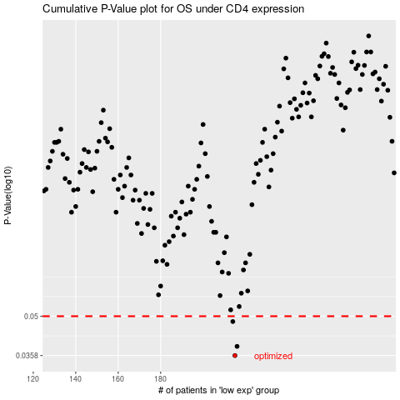

 |  |  |  |  |  | cases_OS | p_OS | rank | exp
 |  |  |  |  |  | 215 | 0.0358 | 46 | -0.29886951798
 |  |  |  |  |  | 216 | 0.0387 | 403 | -0.28980923373
 |  |  |  |  |  | 214 | 0.0478 | 67 | -0.30043705434
 |  |  |  |  |  |  | cases_RFS | p_RFS | rank | exp
 |  |  |  |  |  |  | 214 | 0.0358 | 67 | -0.30043705434
 |  |  |  |  |  |  | 215 | 0.0387 | 46 | -0.29886951798
 |  |  |  |  |  |  | 213 | 0.0478 | 211 | -0.3004532011

