CD40 _multivariate
Reported by Tex Li-Hsing Chi. tex@gate.sinica.edu.tw 2019-08-21

Table 2. The clinicopathological features of HNSCC cohort and CD40 expression. (Chi square test)
Cutoff at -0.183 (49.8%)
 |  | CD40 expression |  | CD40 expression |  | (Optimised)
 | Features | Low | (%) | High | (%) | Case no | P-value | Remark | Matthews
Gender | Female | 156 | 37.6 | 150 | 36.1 | 415 | 0.5222 | 0 | 0
2 | Male | 51 | 12.3 | 58 | 14
Age at diagnosis | <=65y | 138 | 33.3 | 136 | 32.8 | 415 | 0.8634 | 0 | 0
4 | >65y | 69 | 16.6 | 72 | 17.3
Clinical T Status | T1+T2 | 71 | 17.1 | 78 | 18.8 | 415 | 0.5638 | 0 | 0
6 | T3+T4 | 136 | 32.8 | 130 | 31.3
Clinical N Status | N0 | 117 | 28.2 | 99 | 23.9 | 415 | 0.0852 | 1 | 0
8 | N1-3 | 90 | 21.7 | 109 | 26.3
Clinical M Status | M0 | 206 | 49.6 | 206 | 49.6 | 415 | 1 | 0 | 0
10 | M1 | 1 | 0.2 | 2 | 0.5
Clinical Stage | Stage I+II | 51 | 12.3 | 51 | 12.3 | 415 | 1 | 0 | 0
12 | Stage III+IV | 156 | 37.6 | 157 | 37.8
Surgical Margin status | Negative | 159 | 38.3 | 159 | 38.3 | 415 | 1 | 0 | 0
14 | Positive | 48 | 11.6 | 49 | 11.8
Tobacco Exposure | Low | 87 | 21 | 74 | 17.8 | 415 | 0.1911 | 0 | 0
16 | High | 120 | 28.9 | 134 | 32.3

Table 3. Univariate/Multivariate Cox's proportional hazards regression analyses on OS time of CD40 gene expression in HNSCC

 |  | Univariate |  |  |  | Multivariate
 | Features | HR | CI95%(L) | CI95%(H) | P-value | HR | CI95%(L) | CI95%(H) | P-value
1 | Female | 1 |  |  |  | 1
Gender | Male | 1.157 | 0.843 | 1.587 | 0.367 | 1.199 | 0.858 | 1.676 | 0.287
11 | <=65y | 1 |  |  |  | 1
Age at diagnosis | >65y | 1.329 | 0.99 | 1.784 | 0.058 | 1.389 | 1.021 | 1.889 | 0.036
12 | T1+T2 | 1 |  |  |  | 1
Clinical T Status | T3+T4 | 1.409 | 1.028 | 1.931 | 0.033 | 2.21 | 1.168 | 4.181 | 0.015
13 | N0 | 1 |  |  |  | 1
Clinical N Status | N1-3 | 1.185 | 0.89 | 1.577 | 0.246 | 1.236 | 0.866 | 1.765 | 0.243
14 | M0 | 1 |  |  |  | 1
Clinical M Status | M1 | 4.097 | 1.009 | 16.644 | 0.049 | 9.396 | 2.05 | 43.073 | 0.004
15 | Stage I+II | 1 |  |  |  | 1
Clinical Stage | Stage III+IV | 1.245 | 0.882 | 1.759 | 0.213 | 0.506 | 0.236 | 1.086 | 0.08
16 | Negative | 1 |  |  |  | 1
Surgical Margin status | Positive | 1.591 | 1.155 | 2.191 | 0.004 | 1.67 | 1.209 | 2.308 | 0.002
17 | Low | 1 |  |  |  | 1
Tobacco Exposure | High | 1.364 | 1.008 | 1.844 | 0.044 | 1.446 | 1.049 | 1.995 | 0.024
18 | Low | 1 |  |  |  | 1
RNAseq(z-score) | High | 1.07 | 0.803 | 1.425 | 0.645 | 1.049 | 0.786 | 1.401 | 0.744

Table 4. Univariate/Multivariate Cox's proportional hazards regression analyses on RFS time of CD40 gene expression in HNSCC

 |  | Univariate |  |  |  | Multivariate
 | Features | HR | CI95%(L) | CI95%(H) | P-value | HR | CI95%(L) | CI95%(H) | P-value
1 | Female | 1 |  |  |  | 1
Gender | Male | 1.157 | 0.843 | 1.587 | 0.367 | 1.199 | 0.858 | 1.676 | 0.287
11 | <=65y | 1 |  |  |  | 1
Age at diagnosis | >65y | 1.329 | 0.99 | 1.784 | 0.058 | 1.389 | 1.021 | 1.889 | 0.036
12 | T1+T2 | 1 |  |  |  | 1
Clinical T Status | T3+T4 | 1.409 | 1.028 | 1.931 | 0.033 | 2.21 | 1.168 | 4.181 | 0.015
13 | N0 | 1 |  |  |  | 1
Clinical N Status | N1-3 | 1.185 | 0.89 | 1.577 | 0.246 | 1.236 | 0.866 | 1.765 | 0.243
14 | M0 | 1 |  |  |  | 1
Clinical M Status | M1 | 4.097 | 1.009 | 16.644 | 0.049 | 9.396 | 2.05 | 43.073 | 0.004
15 | Stage I+II | 1 |  |  |  | 1
Clinical Stage | Stage III+IV | 1.245 | 0.882 | 1.759 | 0.213 | 0.506 | 0.236 | 1.086 | 0.08
16 | Negative | 1 |  |  |  | 1
Surgical Margin status | Positive | 1.591 | 1.155 | 2.191 | 0.004 | 1.67 | 1.209 | 2.308 | 0.002
17 | Low | 1 |  |  |  | 1
Tobacco Exposure | High | 1.364 | 1.008 | 1.844 | 0.044 | 1.446 | 1.049 | 1.995 | 0.024
18 | Low | 1 |  |  |  | 1
RNAseq(z-score) | High | 1.07 | 0.803 | 1.425 | 0.645 | 1.049 | 0.786 | 1.401 | 0.744

Kaplan-Meier survival estimate: Cutoff at -0.183 (49.8%)

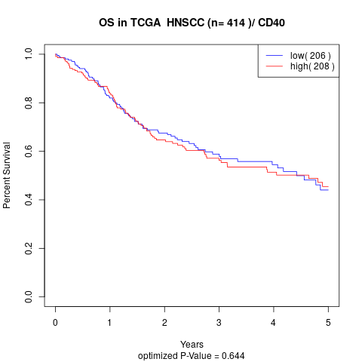

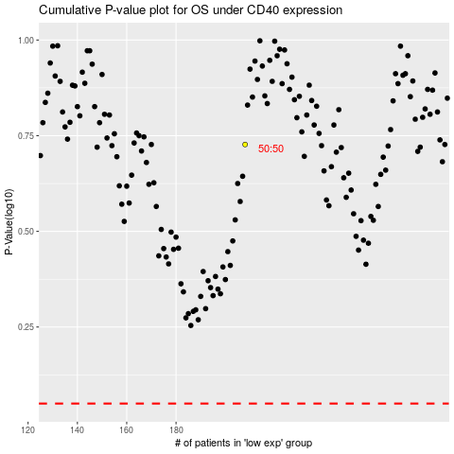

 |  |  |  |  |  | cases_OS | p_OS | rank | exp
 |  |  |  |  |  |  | cases_RFS | p_RFS | rank | exp

