CD47 _multivariate
Reported by Tex Li-Hsing Chi. tex@gate.sinica.edu.tw 2019-08-21

Table 2. The clinicopathological features of HNSCC cohort and CD47 expression. (Chi square test)
Cutoff at -0.044 (50.0%)
 |  | CD47 expression |  | CD47 expression |  | (Optimised)
 | Features | Low | (%) | High | (%) | Case no | P-value | Remark | Matthews
Gender | Female | 162 | 39 | 144 | 34.7 | 415 | 0.0479 | 1 | 0
2 | Male | 45 | 10.8 | 64 | 15.4
Age at diagnosis | <=65y | 143 | 34.5 | 131 | 31.6 | 415 | 0.2269 | 0 | 0
4 | >65y | 64 | 15.4 | 77 | 18.6
Clinical T Status | T1+T2 | 64 | 15.4 | 85 | 20.5 | 415 | 0.0445 | 1 | 0
6 | T3+T4 | 143 | 34.5 | 123 | 29.6
Clinical N Status | N0 | 106 | 25.5 | 110 | 26.5 | 415 | 0.8075 | 0 | 0
8 | N1-3 | 101 | 24.3 | 98 | 23.6
Clinical M Status | M0 | 207 | 49.9 | 205 | 49.4 | 415 | 0.2482 | 0 | 0
10 | M1 | 0 | 0 | 3 | 0.7
Clinical Stage | Stage I+II | 41 | 9.9 | 61 | 14.7 | 415 | 0.0325 | 1 | 0
12 | Stage III+IV | 166 | 40 | 147 | 35.4
Surgical Margin status | Negative | 149 | 35.9 | 169 | 40.7 | 415 | 0.0278 | 1 | 0
14 | Positive | 58 | 14 | 39 | 9.4
Tobacco Exposure | Low | 66 | 15.9 | 95 | 22.9 | 415 | 0.0048 | 1 | 0
16 | High | 141 | 34 | 113 | 27.2

Table 3. Univariate/Multivariate Cox's proportional hazards regression analyses on OS time of CD47 gene expression in HNSCC

 |  | Univariate |  |  |  | Multivariate
 | Features | HR | CI95%(L) | CI95%(H) | P-value | HR | CI95%(L) | CI95%(H) | P-value
1 | Female | 1 |  |  |  | 1
Gender | Male | 1.157 | 0.843 | 1.587 | 0.367 | 1.198 | 0.858 | 1.674 | 0.288
11 | <=65y | 1 |  |  |  | 1
Age at diagnosis | >65y | 1.329 | 0.99 | 1.784 | 0.058 | 1.379 | 1.013 | 1.876 | 0.041
12 | T1+T2 | 1 |  |  |  | 1
Clinical T Status | T3+T4 | 1.409 | 1.028 | 1.931 | 0.033 | 2.206 | 1.167 | 4.172 | 0.015
13 | N0 | 1 |  |  |  | 1
Clinical N Status | N1-3 | 1.185 | 0.89 | 1.577 | 0.246 | 1.224 | 0.856 | 1.749 | 0.267
14 | M0 | 1 |  |  |  | 1
Clinical M Status | M1 | 4.097 | 1.009 | 16.644 | 0.049 | 8.899 | 1.929 | 41.064 | 0.005
15 | Stage I+II | 1 |  |  |  | 1
Clinical Stage | Stage III+IV | 1.245 | 0.882 | 1.759 | 0.213 | 0.52 | 0.241 | 1.12 | 0.095
16 | Negative | 1 |  |  |  | 1
Surgical Margin status | Positive | 1.591 | 1.155 | 2.191 | 0.004 | 1.691 | 1.222 | 2.34 | 0.002
17 | Low | 1 |  |  |  | 1
Tobacco Exposure | High | 1.364 | 1.008 | 1.844 | 0.044 | 1.47 | 1.065 | 2.029 | 0.019
18 | Low | 1 |  |  |  | 1
RNAseq(z-score) | High | 1.064 | 0.799 | 1.418 | 0.671 | 1.12 | 0.831 | 1.51 | 0.456

Table 4. Univariate/Multivariate Cox's proportional hazards regression analyses on RFS time of CD47 gene expression in HNSCC

 |  | Univariate |  |  |  | Multivariate
 | Features | HR | CI95%(L) | CI95%(H) | P-value | HR | CI95%(L) | CI95%(H) | P-value
1 | Female | 1 |  |  |  | 1
Gender | Male | 1.157 | 0.843 | 1.587 | 0.367 | 1.198 | 0.858 | 1.674 | 0.288
11 | <=65y | 1 |  |  |  | 1
Age at diagnosis | >65y | 1.329 | 0.99 | 1.784 | 0.058 | 1.379 | 1.013 | 1.876 | 0.041
12 | T1+T2 | 1 |  |  |  | 1
Clinical T Status | T3+T4 | 1.409 | 1.028 | 1.931 | 0.033 | 2.206 | 1.167 | 4.172 | 0.015
13 | N0 | 1 |  |  |  | 1
Clinical N Status | N1-3 | 1.185 | 0.89 | 1.577 | 0.246 | 1.224 | 0.856 | 1.749 | 0.267
14 | M0 | 1 |  |  |  | 1
Clinical M Status | M1 | 4.097 | 1.009 | 16.644 | 0.049 | 8.899 | 1.929 | 41.064 | 0.005
15 | Stage I+II | 1 |  |  |  | 1
Clinical Stage | Stage III+IV | 1.245 | 0.882 | 1.759 | 0.213 | 0.52 | 0.241 | 1.12 | 0.095
16 | Negative | 1 |  |  |  | 1
Surgical Margin status | Positive | 1.591 | 1.155 | 2.191 | 0.004 | 1.691 | 1.222 | 2.34 | 0.002
17 | Low | 1 |  |  |  | 1
Tobacco Exposure | High | 1.364 | 1.008 | 1.844 | 0.044 | 1.47 | 1.065 | 2.029 | 0.019
18 | Low | 1 |  |  |  | 1
RNAseq(z-score) | High | 1.064 | 0.799 | 1.418 | 0.671 | 1.12 | 0.831 | 1.51 | 0.456

Kaplan-Meier survival estimate: Cutoff at -0.044 (50.0%)



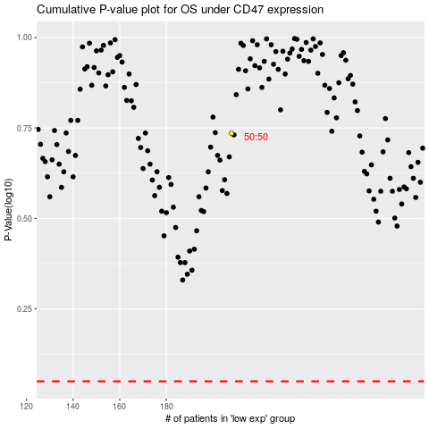

 |  |  |  |  |  | cases_OS | p_OS | rank | exp
 |  |  |  |  |  |  | cases_RFS | p_RFS | rank | exp

