CD48 _multivariate
Reported by Tex Li-Hsing Chi. tex@gate.sinica.edu.tw 2019-08-21

Table 2. The clinicopathological features of HNSCC cohort and CD48 expression. (Chi square test)
Cutoff at -0.345 (49.8%)
 |  | CD48 expression |  | CD48 expression |  | (Optimised)
 | Features | Low | (%) | High | (%) | Case no | P-value | Remark | Matthews
Gender | Female | 161 | 38.8 | 145 | 34.9 | 415 | 0.0792 | 0 | 0
2 | Male | 46 | 11.1 | 63 | 15.2
Age at diagnosis | <=65y | 144 | 34.7 | 130 | 31.3 | 415 | 0.1568 | 0 | 0
4 | >65y | 63 | 15.2 | 78 | 18.8
Clinical T Status | T1+T2 | 66 | 15.9 | 83 | 20 | 415 | 0.1095 | 0 | 0
6 | T3+T4 | 141 | 34 | 125 | 30.1
Clinical N Status | N0 | 118 | 28.4 | 98 | 23.6 | 415 | 0.0551 | 1 | 0
8 | N1-3 | 89 | 21.4 | 110 | 26.5
Clinical M Status | M0 | 206 | 49.6 | 206 | 49.6 | 415 | 1 | 0 | 0
10 | M1 | 1 | 0.2 | 2 | 0.5
Clinical Stage | Stage I+II | 46 | 11.1 | 56 | 13.5 | 415 | 0.3182 | 0 | 0
12 | Stage III+IV | 161 | 38.8 | 152 | 36.6
Surgical Margin status | Negative | 159 | 38.3 | 159 | 38.3 | 415 | 1 | 0 | 0
14 | Positive | 48 | 11.6 | 49 | 11.8
Tobacco Exposure | Low | 77 | 18.6 | 84 | 20.2 | 415 | 0.5459 | 0 | 0
16 | High | 130 | 31.3 | 124 | 29.9

Table 3. Univariate/Multivariate Cox's proportional hazards regression analyses on OS time of CD48 gene expression in HNSCC

 |  | Univariate |  |  |  | Multivariate
 | Features | HR | CI95%(L) | CI95%(H) | P-value | HR | CI95%(L) | CI95%(H) | P-value
1 | Female | 1 |  |  |  | 1
Gender | Male | 1.157 | 0.843 | 1.587 | 0.367 | 1.206 | 0.863 | 1.686 | 0.273
11 | <=65y | 1 |  |  |  | 1
Age at diagnosis | >65y | 1.329 | 0.99 | 1.784 | 0.058 | 1.393 | 1.025 | 1.894 | 0.034
12 | T1+T2 | 1 |  |  |  | 1
Clinical T Status | T3+T4 | 1.409 | 1.028 | 1.931 | 0.033 | 2.203 | 1.165 | 4.165 | 0.015
13 | N0 | 1 |  |  |  | 1
Clinical N Status | N1-3 | 1.185 | 0.89 | 1.577 | 0.246 | 1.252 | 0.875 | 1.79 | 0.219
14 | M0 | 1 |  |  |  | 1
Clinical M Status | M1 | 4.097 | 1.009 | 16.644 | 0.049 | 9.462 | 2.063 | 43.383 | 0.004
15 | Stage I+II | 1 |  |  |  | 1
Clinical Stage | Stage III+IV | 1.245 | 0.882 | 1.759 | 0.213 | 0.501 | 0.233 | 1.076 | 0.076
16 | Negative | 1 |  |  |  | 1
Surgical Margin status | Positive | 1.591 | 1.155 | 2.191 | 0.004 | 1.677 | 1.213 | 2.319 | 0.002
17 | Low | 1 |  |  |  | 1
Tobacco Exposure | High | 1.364 | 1.008 | 1.844 | 0.044 | 1.449 | 1.051 | 1.998 | 0.023
18 | Low | 1 |  |  |  | 1
RNAseq(z-score) | High | 0.976 | 0.732 | 1.301 | 0.867 | 0.943 | 0.705 | 1.263 | 0.696

Table 4. Univariate/Multivariate Cox's proportional hazards regression analyses on RFS time of CD48 gene expression in HNSCC

 |  | Univariate |  |  |  | Multivariate
 | Features | HR | CI95%(L) | CI95%(H) | P-value | HR | CI95%(L) | CI95%(H) | P-value
1 | Female | 1 |  |  |  | 1
Gender | Male | 1.157 | 0.843 | 1.587 | 0.367 | 1.206 | 0.863 | 1.686 | 0.273
11 | <=65y | 1 |  |  |  | 1
Age at diagnosis | >65y | 1.329 | 0.99 | 1.784 | 0.058 | 1.393 | 1.025 | 1.894 | 0.034
12 | T1+T2 | 1 |  |  |  | 1
Clinical T Status | T3+T4 | 1.409 | 1.028 | 1.931 | 0.033 | 2.203 | 1.165 | 4.165 | 0.015
13 | N0 | 1 |  |  |  | 1
Clinical N Status | N1-3 | 1.185 | 0.89 | 1.577 | 0.246 | 1.252 | 0.875 | 1.79 | 0.219
14 | M0 | 1 |  |  |  | 1
Clinical M Status | M1 | 4.097 | 1.009 | 16.644 | 0.049 | 9.462 | 2.063 | 43.383 | 0.004
15 | Stage I+II | 1 |  |  |  | 1
Clinical Stage | Stage III+IV | 1.245 | 0.882 | 1.759 | 0.213 | 0.501 | 0.233 | 1.076 | 0.076
16 | Negative | 1 |  |  |  | 1
Surgical Margin status | Positive | 1.591 | 1.155 | 2.191 | 0.004 | 1.677 | 1.213 | 2.319 | 0.002
17 | Low | 1 |  |  |  | 1
Tobacco Exposure | High | 1.364 | 1.008 | 1.844 | 0.044 | 1.449 | 1.051 | 1.998 | 0.023
18 | Low | 1 |  |  |  | 1
RNAseq(z-score) | High | 0.976 | 0.732 | 1.301 | 0.867 | 0.943 | 0.705 | 1.263 | 0.696

Kaplan-Meier survival estimate: Cutoff at -0.345 (49.8%)



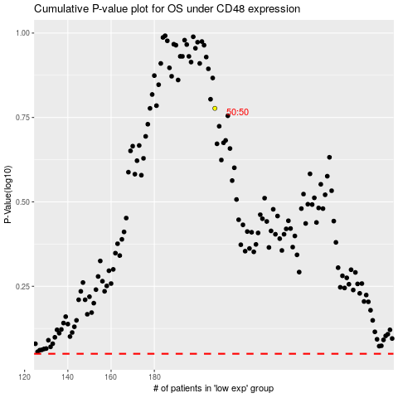

 |  |  |  |  |  | cases_OS | p_OS | rank | exp
 |  |  |  |  |  |  | cases_RFS | p_RFS | rank | exp

