CD55 _multivariate
Reported by Tex Li-Hsing Chi. tex@gate.sinica.edu.tw 2019-08-21

Table 2. The clinicopathological features of HNSCC cohort and CD55 expression. (Chi square test)
Cutoff at -0.154 (56.8%)
 |  | CD55 expression |  | CD55 expression |  | (Optimised)
 | Features | Low | (%) | High | (%) | Case no | P-value | Remark | Matthews
Gender | Female | 174 | 41.9 | 132 | 31.8 | 415 | 0.96 | 0 | 0
2 | Male | 61 | 14.7 | 48 | 11.6
Age at diagnosis | <=65y | 156 | 37.6 | 118 | 28.4 | 415 | 0.9428 | 0 | 0
4 | >65y | 79 | 19 | 62 | 14.9
Clinical T Status | T1+T2 | 105 | 25.3 | 44 | 10.6 | 415 | 0 | 1 | 0
6 | T3+T4 | 130 | 31.3 | 136 | 32.8
Clinical N Status | N0 | 119 | 28.7 | 97 | 23.4 | 415 | 0.577 | 0 | 0
8 | N1-3 | 116 | 28 | 83 | 20
Clinical M Status | M0 | 233 | 56.1 | 179 | 43.1 | 415 | 1 | 0 | 0
10 | M1 | 2 | 0.5 | 1 | 0.2
Clinical Stage | Stage I+II | 73 | 17.6 | 29 | 7 | 415 | 7e-04 | 1 | 0
12 | Stage III+IV | 162 | 39 | 151 | 36.4
Surgical Margin status | Negative | 188 | 45.3 | 130 | 31.3 | 415 | 0.0789 | 0 | 0
14 | Positive | 47 | 11.3 | 50 | 12
Tobacco Exposure | Low | 97 | 23.4 | 64 | 15.4 | 415 | 0.2639 | 0 | 0
16 | High | 138 | 33.3 | 116 | 28

Table 3. Univariate/Multivariate Cox's proportional hazards regression analyses on OS time of CD55 gene expression in HNSCC

 |  | Univariate |  |  |  | Multivariate
 | Features | HR | CI95%(L) | CI95%(H) | P-value | HR | CI95%(L) | CI95%(H) | P-value
1 | Female | 1 |  |  |  | 1
Gender | Male | 1.157 | 0.843 | 1.587 | 0.367 | 1.192 | 0.853 | 1.665 | 0.304
11 | <=65y | 1 |  |  |  | 1
Age at diagnosis | >65y | 1.329 | 0.99 | 1.784 | 0.058 | 1.379 | 1.014 | 1.874 | 0.04
12 | T1+T2 | 1 |  |  |  | 1
Clinical T Status | T3+T4 | 1.409 | 1.028 | 1.931 | 0.033 | 2.137 | 1.128 | 4.046 | 0.02
13 | N0 | 1 |  |  |  | 1
Clinical N Status | N1-3 | 1.185 | 0.89 | 1.577 | 0.246 | 1.283 | 0.896 | 1.838 | 0.174
14 | M0 | 1 |  |  |  | 1
Clinical M Status | M1 | 4.097 | 1.009 | 16.644 | 0.049 | 9.123 | 1.989 | 41.85 | 0.004
15 | Stage I+II | 1 |  |  |  | 1
Clinical Stage | Stage III+IV | 1.245 | 0.882 | 1.759 | 0.213 | 0.482 | 0.224 | 1.037 | 0.062
16 | Negative | 1 |  |  |  | 1
Surgical Margin status | Positive | 1.591 | 1.155 | 2.191 | 0.004 | 1.629 | 1.176 | 2.256 | 0.003
17 | Low | 1 |  |  |  | 1
Tobacco Exposure | High | 1.364 | 1.008 | 1.844 | 0.044 | 1.445 | 1.048 | 1.991 | 0.025
18 | Low | 1 |  |  |  | 1
RNAseq(z-score) | High | 1.334 | 1 | 1.779 | 0.05 | 1.218 | 0.9 | 1.649 | 0.202

Table 4. Univariate/Multivariate Cox's proportional hazards regression analyses on RFS time of CD55 gene expression in HNSCC

 |  | Univariate |  |  |  | Multivariate
 | Features | HR | CI95%(L) | CI95%(H) | P-value | HR | CI95%(L) | CI95%(H) | P-value
1 | Female | 1 |  |  |  | 1
Gender | Male | 1.157 | 0.843 | 1.587 | 0.367 | 1.192 | 0.853 | 1.665 | 0.304
11 | <=65y | 1 |  |  |  | 1
Age at diagnosis | >65y | 1.329 | 0.99 | 1.784 | 0.058 | 1.379 | 1.014 | 1.874 | 0.04
12 | T1+T2 | 1 |  |  |  | 1
Clinical T Status | T3+T4 | 1.409 | 1.028 | 1.931 | 0.033 | 2.137 | 1.128 | 4.046 | 0.02
13 | N0 | 1 |  |  |  | 1
Clinical N Status | N1-3 | 1.185 | 0.89 | 1.577 | 0.246 | 1.283 | 0.896 | 1.838 | 0.174
14 | M0 | 1 |  |  |  | 1
Clinical M Status | M1 | 4.097 | 1.009 | 16.644 | 0.049 | 9.123 | 1.989 | 41.85 | 0.004
15 | Stage I+II | 1 |  |  |  | 1
Clinical Stage | Stage III+IV | 1.245 | 0.882 | 1.759 | 0.213 | 0.482 | 0.224 | 1.037 | 0.062
16 | Negative | 1 |  |  |  | 1
Surgical Margin status | Positive | 1.591 | 1.155 | 2.191 | 0.004 | 1.629 | 1.176 | 2.256 | 0.003
17 | Low | 1 |  |  |  | 1
Tobacco Exposure | High | 1.364 | 1.008 | 1.844 | 0.044 | 1.445 | 1.048 | 1.991 | 0.025
18 | Low | 1 |  |  |  | 1
RNAseq(z-score) | High | 1.334 | 1 | 1.779 | 0.05 | 1.218 | 0.9 | 1.649 | 0.202

Kaplan-Meier survival estimate: Cutoff at -0.154 (56.8%)



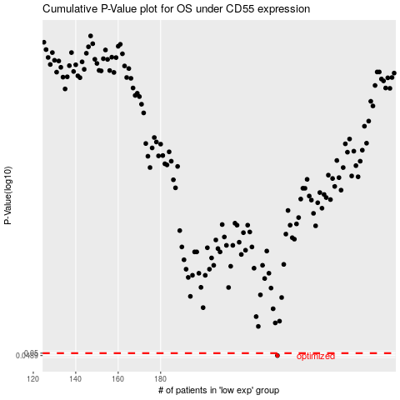

 |  |  |  |  |  | cases_OS | p_OS | rank | exp
 |  |  |  |  |  | 235 | 0.0489 | 43 | -0.15406702775
 |  |  |  |  |  |  | cases_RFS | p_RFS | rank | exp
 |  |  |  |  |  |  | 234 | 0.0489 | 120 | -0.15409112558

