CD68 _multivariate
Reported by Tex Li-Hsing Chi. tex@gate.sinica.edu.tw 2019-08-21

Table 2. The clinicopathological features of HNSCC cohort and CD68 expression. (Chi square test)
Cutoff at -0.194 (50.0%)
 |  | CD68 expression |  | CD68 expression |  | (Optimised)
 | Features | Low | (%) | High | (%) | Case no | P-value | Remark | Matthews
Gender | Female | 164 | 39.5 | 142 | 34.2 | 415 | 0.0153 | 1 | 0
2 | Male | 43 | 10.4 | 66 | 15.9
Age at diagnosis | <=65y | 142 | 34.2 | 132 | 31.8 | 415 | 0.3167 | 0 | 0
4 | >65y | 65 | 15.7 | 76 | 18.3
Clinical T Status | T1+T2 | 80 | 19.3 | 69 | 16.6 | 415 | 0.2891 | 0 | 0
6 | T3+T4 | 127 | 30.6 | 139 | 33.5
Clinical N Status | N0 | 120 | 28.9 | 96 | 23.1 | 415 | 0.0208 | 1 | 0
8 | N1-3 | 87 | 21 | 112 | 27
Clinical M Status | M0 | 206 | 49.6 | 206 | 49.6 | 415 | 1 | 0 | 0
10 | M1 | 1 | 0.2 | 2 | 0.5
Clinical Stage | Stage I+II | 56 | 13.5 | 46 | 11.1 | 415 | 0.2918 | 0 | 0
12 | Stage III+IV | 151 | 36.4 | 162 | 39
Surgical Margin status | Negative | 149 | 35.9 | 169 | 40.7 | 415 | 0.0278 | 1 | 0
14 | Positive | 58 | 14 | 39 | 9.4
Tobacco Exposure | Low | 74 | 17.8 | 87 | 21 | 415 | 0.227 | 0 | 0
16 | High | 133 | 32 | 121 | 29.2

Table 3. Univariate/Multivariate Cox's proportional hazards regression analyses on OS time of CD68 gene expression in HNSCC

 |  | Univariate |  |  |  | Multivariate
 | Features | HR | CI95%(L) | CI95%(H) | P-value | HR | CI95%(L) | CI95%(H) | P-value
1 | Female | 1 |  |  |  | 1
Gender | Male | 1.157 | 0.843 | 1.587 | 0.367 | 1.202 | 0.86 | 1.681 | 0.282
11 | <=65y | 1 |  |  |  | 1
Age at diagnosis | >65y | 1.329 | 0.99 | 1.784 | 0.058 | 1.392 | 1.024 | 1.892 | 0.035
12 | T1+T2 | 1 |  |  |  | 1
Clinical T Status | T3+T4 | 1.409 | 1.028 | 1.931 | 0.033 | 2.205 | 1.163 | 4.18 | 0.015
13 | N0 | 1 |  |  |  | 1
Clinical N Status | N1-3 | 1.185 | 0.89 | 1.577 | 0.246 | 1.241 | 0.869 | 1.773 | 0.234
14 | M0 | 1 |  |  |  | 1
Clinical M Status | M1 | 4.097 | 1.009 | 16.644 | 0.049 | 9.426 | 2.045 | 43.452 | 0.004
15 | Stage I+II | 1 |  |  |  | 1
Clinical Stage | Stage III+IV | 1.245 | 0.882 | 1.759 | 0.213 | 0.504 | 0.235 | 1.084 | 0.079
16 | Negative | 1 |  |  |  | 1
Surgical Margin status | Positive | 1.591 | 1.155 | 2.191 | 0.004 | 1.671 | 1.208 | 2.311 | 0.002
17 | Low | 1 |  |  |  | 1
Tobacco Exposure | High | 1.364 | 1.008 | 1.844 | 0.044 | 1.453 | 1.054 | 2.002 | 0.022
18 | Low | 1 |  |  |  | 1
RNAseq(z-score) | High | 1.035 | 0.776 | 1.379 | 0.816 | 0.995 | 0.743 | 1.333 | 0.975

Table 4. Univariate/Multivariate Cox's proportional hazards regression analyses on RFS time of CD68 gene expression in HNSCC

 |  | Univariate |  |  |  | Multivariate
 | Features | HR | CI95%(L) | CI95%(H) | P-value | HR | CI95%(L) | CI95%(H) | P-value
1 | Female | 1 |  |  |  | 1
Gender | Male | 1.157 | 0.843 | 1.587 | 0.367 | 1.202 | 0.86 | 1.681 | 0.282
11 | <=65y | 1 |  |  |  | 1
Age at diagnosis | >65y | 1.329 | 0.99 | 1.784 | 0.058 | 1.392 | 1.024 | 1.892 | 0.035
12 | T1+T2 | 1 |  |  |  | 1
Clinical T Status | T3+T4 | 1.409 | 1.028 | 1.931 | 0.033 | 2.205 | 1.163 | 4.18 | 0.015
13 | N0 | 1 |  |  |  | 1
Clinical N Status | N1-3 | 1.185 | 0.89 | 1.577 | 0.246 | 1.241 | 0.869 | 1.773 | 0.234
14 | M0 | 1 |  |  |  | 1
Clinical M Status | M1 | 4.097 | 1.009 | 16.644 | 0.049 | 9.426 | 2.045 | 43.452 | 0.004
15 | Stage I+II | 1 |  |  |  | 1
Clinical Stage | Stage III+IV | 1.245 | 0.882 | 1.759 | 0.213 | 0.504 | 0.235 | 1.084 | 0.079
16 | Negative | 1 |  |  |  | 1
Surgical Margin status | Positive | 1.591 | 1.155 | 2.191 | 0.004 | 1.671 | 1.208 | 2.311 | 0.002
17 | Low | 1 |  |  |  | 1
Tobacco Exposure | High | 1.364 | 1.008 | 1.844 | 0.044 | 1.453 | 1.054 | 2.002 | 0.022
18 | Low | 1 |  |  |  | 1
RNAseq(z-score) | High | 1.035 | 0.776 | 1.379 | 0.816 | 0.995 | 0.743 | 1.333 | 0.975

Kaplan-Meier survival estimate: Cutoff at -0.194 (50.0%)



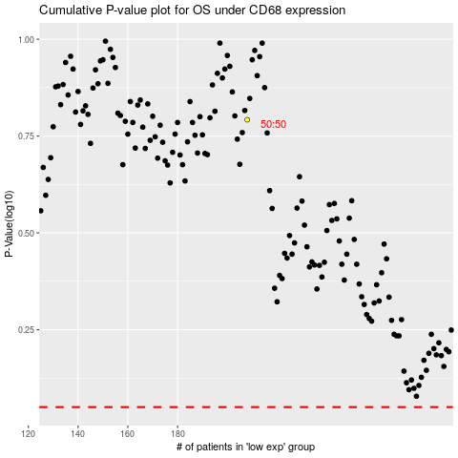

 |  |  |  |  |  | cases_OS | p_OS | rank | exp
 |  |  |  |  |  |  | cases_RFS | p_RFS | rank | exp

