CD7 _multivariate
Reported by Tex Li-Hsing Chi. tex@gate.sinica.edu.tw 2019-08-21

Table 2. The clinicopathological features of HNSCC cohort and CD7 expression. (Chi square test)
Cutoff at -0.522 (30.2%)
 |  | CD7 expression |  | CD7 expression |  | (Optimised)
 | Features | Low | (%) | High | (%) | Case no | P-value | Remark | Matthews
Gender | Female | 98 | 23.6 | 208 | 50.1 | 415 | 0.1949 | 0 | 0
2 | Male | 27 | 6.5 | 82 | 19.8
Age at diagnosis | <=65y | 83 | 20 | 191 | 46 | 415 | 1 | 0 | 0
4 | >65y | 42 | 10.1 | 99 | 23.9
Clinical T Status | T1+T2 | 38 | 9.2 | 111 | 26.7 | 415 | 0.1548 | 0 | 0
6 | T3+T4 | 87 | 21 | 179 | 43.1
Clinical N Status | N0 | 69 | 16.6 | 147 | 35.4 | 415 | 0.4613 | 0 | 0
8 | N1-3 | 56 | 13.5 | 143 | 34.5
Clinical M Status | M0 | 125 | 30.1 | 287 | 69.2 | 415 | 0.5571 | 0 | 0
10 | M1 | 0 | 0 | 3 | 0.7
Clinical Stage | Stage I+II | 29 | 7 | 73 | 17.6 | 415 | 0.7612 | 0 | 0
12 | Stage III+IV | 96 | 23.1 | 217 | 52.3
Surgical Margin status | Negative | 92 | 22.2 | 226 | 54.5 | 415 | 0.3765 | 0 | 0
14 | Positive | 33 | 8 | 64 | 15.4
Tobacco Exposure | Low | 48 | 11.6 | 113 | 27.2 | 415 | 1 | 0 | 0
16 | High | 77 | 18.6 | 177 | 42.7

Table 3. Univariate/Multivariate Cox's proportional hazards regression analyses on OS time of CD7 gene expression in HNSCC

 |  | Univariate |  |  |  | Multivariate
 | Features | HR | CI95%(L) | CI95%(H) | P-value | HR | CI95%(L) | CI95%(H) | P-value
1 | Female | 1 |  |  |  | 1
Gender | Male | 1.157 | 0.843 | 1.587 | 0.367 | 1.236 | 0.885 | 1.727 | 0.214
11 | <=65y | 1 |  |  |  | 1
Age at diagnosis | >65y | 1.329 | 0.99 | 1.784 | 0.058 | 1.4 | 1.033 | 1.899 | 0.03
12 | T1+T2 | 1 |  |  |  | 1
Clinical T Status | T3+T4 | 1.409 | 1.028 | 1.931 | 0.033 | 2.197 | 1.163 | 4.15 | 0.015
13 | N0 | 1 |  |  |  | 1
Clinical N Status | N1-3 | 1.185 | 0.89 | 1.577 | 0.246 | 1.267 | 0.888 | 1.809 | 0.192
14 | M0 | 1 |  |  |  | 1
Clinical M Status | M1 | 4.097 | 1.009 | 16.644 | 0.049 | 10.574 | 2.296 | 48.697 | 0.002
15 | Stage I+II | 1 |  |  |  | 1
Clinical Stage | Stage III+IV | 1.245 | 0.882 | 1.759 | 0.213 | 0.507 | 0.236 | 1.088 | 0.081
16 | Negative | 1 |  |  |  | 1
Surgical Margin status | Positive | 1.591 | 1.155 | 2.191 | 0.004 | 1.666 | 1.205 | 2.302 | 0.002
17 | Low | 1 |  |  |  | 1
Tobacco Exposure | High | 1.364 | 1.008 | 1.844 | 0.044 | 1.426 | 1.035 | 1.963 | 0.03
18 | Low | 1 |  |  |  | 1
RNAseq(z-score) | High | 0.726 | 0.535 | 0.984 | 0.039 | 0.699 | 0.513 | 0.952 | 0.023

Table 4. Univariate/Multivariate Cox's proportional hazards regression analyses on RFS time of CD7 gene expression in HNSCC

 |  | Univariate |  |  |  | Multivariate
 | Features | HR | CI95%(L) | CI95%(H) | P-value | HR | CI95%(L) | CI95%(H) | P-value
1 | Female | 1 |  |  |  | 1
Gender | Male | 1.157 | 0.843 | 1.587 | 0.367 | 1.236 | 0.885 | 1.727 | 0.214
11 | <=65y | 1 |  |  |  | 1
Age at diagnosis | >65y | 1.329 | 0.99 | 1.784 | 0.058 | 1.4 | 1.033 | 1.899 | 0.03
12 | T1+T2 | 1 |  |  |  | 1
Clinical T Status | T3+T4 | 1.409 | 1.028 | 1.931 | 0.033 | 2.197 | 1.163 | 4.15 | 0.015
13 | N0 | 1 |  |  |  | 1
Clinical N Status | N1-3 | 1.185 | 0.89 | 1.577 | 0.246 | 1.267 | 0.888 | 1.809 | 0.192
14 | M0 | 1 |  |  |  | 1
Clinical M Status | M1 | 4.097 | 1.009 | 16.644 | 0.049 | 10.574 | 2.296 | 48.697 | 0.002
15 | Stage I+II | 1 |  |  |  | 1
Clinical Stage | Stage III+IV | 1.245 | 0.882 | 1.759 | 0.213 | 0.507 | 0.236 | 1.088 | 0.081
16 | Negative | 1 |  |  |  | 1
Surgical Margin status | Positive | 1.591 | 1.155 | 2.191 | 0.004 | 1.666 | 1.205 | 2.302 | 0.002
17 | Low | 1 |  |  |  | 1
Tobacco Exposure | High | 1.364 | 1.008 | 1.844 | 0.044 | 1.426 | 1.035 | 1.963 | 0.03
18 | Low | 1 |  |  |  | 1
RNAseq(z-score) | High | 0.726 | 0.535 | 0.984 | 0.039 | 0.699 | 0.513 | 0.952 | 0.023

Kaplan-Meier survival estimate: Cutoff at -0.522 (30.2%)



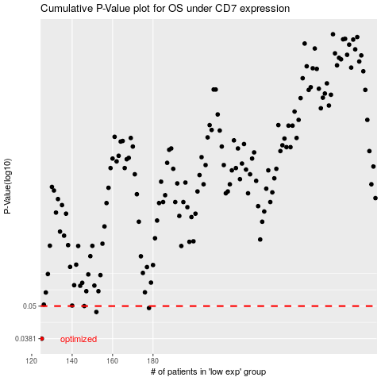

 |  |  |  |  |  | cases_OS | p_OS | rank | exp
 |  |  |  |  |  | 125 | 0.0381 | 242 | -0.52249449199
 |  |  |  |  |  | 152 | 0.0476 | 337 | -0.45274959653
 |  |  |  |  |  | 178 | 0.0492 | 126 | -0.40453070814
 |  |  |  |  |  | 146 | 0.05 | 312 | -0.46789714447
 |  |  |  |  |  |  | cases_RFS | p_RFS | rank | exp
 |  |  |  |  |  |  |  | 0.0381 | 134 | -0.52944407471
 |  |  |  |  |  |  | 151 | 0.0476 | 161 | -0.45519435828
 |  |  |  |  |  |  | 177 | 0.0492 | 297 | -0.40983777833
 |  |  |  |  |  |  | 145 | 0.05 | 203 | -0.47077313799

