CD70 _multivariate
Reported by Tex Li-Hsing Chi. tex@gate.sinica.edu.tw 2019-08-21

Table 2. The clinicopathological features of HNSCC cohort and CD70 expression. (Chi square test)
Cutoff at -0.253 (49.8%)
 |  | CD70 expression |  | CD70 expression |  | (Optimised)
 | Features | Low | (%) | High | (%) | Case no | P-value | Remark | Matthews
Gender | Female | 164 | 39.5 | 142 | 34.2 | 415 | 0.0153 | 1 | 0
2 | Male | 43 | 10.4 | 66 | 15.9
Age at diagnosis | <=65y | 142 | 34.2 | 132 | 31.8 | 415 | 0.3167 | 0 | 0
4 | >65y | 65 | 15.7 | 76 | 18.3
Clinical T Status | T1+T2 | 66 | 15.9 | 83 | 20 | 415 | 0.1095 | 0 | 0
6 | T3+T4 | 141 | 34 | 125 | 30.1
Clinical N Status | N0 | 114 | 27.5 | 102 | 24.6 | 415 | 0.2576 | 1 | 0
8 | N1-3 | 93 | 22.4 | 106 | 25.5
Clinical M Status | M0 | 206 | 49.6 | 206 | 49.6 | 415 | 1 | 0 | 0
10 | M1 | 1 | 0.2 | 2 | 0.5
Clinical Stage | Stage I+II | 47 | 11.3 | 55 | 13.3 | 415 | 0.4413 | 0 | 0
12 | Stage III+IV | 160 | 38.6 | 153 | 36.9
Surgical Margin status | Negative | 164 | 39.5 | 154 | 37.1 | 415 | 0.2462 | 0 | 0
14 | Positive | 43 | 10.4 | 54 | 13
Tobacco Exposure | Low | 71 | 17.1 | 90 | 21.7 | 415 | 0.0698 | 0 | 0
16 | High | 136 | 32.8 | 118 | 28.4

Table 3. Univariate/Multivariate Cox's proportional hazards regression analyses on OS time of CD70 gene expression in HNSCC

 |  | Univariate |  |  |  | Multivariate
 | Features | HR | CI95%(L) | CI95%(H) | P-value | HR | CI95%(L) | CI95%(H) | P-value
1 | Female | 1 |  |  |  | 1
Gender | Male | 1.157 | 0.843 | 1.587 | 0.367 | 1.217 | 0.869 | 1.705 | 0.253
11 | <=65y | 1 |  |  |  | 1
Age at diagnosis | >65y | 1.329 | 0.99 | 1.784 | 0.058 | 1.398 | 1.028 | 1.9 | 0.033
12 | T1+T2 | 1 |  |  |  | 1
Clinical T Status | T3+T4 | 1.409 | 1.028 | 1.931 | 0.033 | 2.202 | 1.164 | 4.163 | 0.015
13 | N0 | 1 |  |  |  | 1
Clinical N Status | N1-3 | 1.185 | 0.89 | 1.577 | 0.246 | 1.261 | 0.881 | 1.804 | 0.205
14 | M0 | 1 |  |  |  | 1
Clinical M Status | M1 | 4.097 | 1.009 | 16.644 | 0.049 | 9.713 | 2.114 | 44.64 | 0.003
15 | Stage I+II | 1 |  |  |  | 1
Clinical Stage | Stage III+IV | 1.245 | 0.882 | 1.759 | 0.213 | 0.495 | 0.23 | 1.065 | 0.072
16 | Negative | 1 |  |  |  | 1
Surgical Margin status | Positive | 1.591 | 1.155 | 2.191 | 0.004 | 1.697 | 1.225 | 2.352 | 0.001
17 | Low | 1 |  |  |  | 1
Tobacco Exposure | High | 1.364 | 1.008 | 1.844 | 0.044 | 1.444 | 1.047 | 1.991 | 0.025
18 | Low | 1 |  |  |  | 1
RNAseq(z-score) | High | 0.962 | 0.722 | 1.281 | 0.789 | 0.898 | 0.667 | 1.209 | 0.478

Table 4. Univariate/Multivariate Cox's proportional hazards regression analyses on RFS time of CD70 gene expression in HNSCC

 |  | Univariate |  |  |  | Multivariate
 | Features | HR | CI95%(L) | CI95%(H) | P-value | HR | CI95%(L) | CI95%(H) | P-value
1 | Female | 1 |  |  |  | 1
Gender | Male | 1.157 | 0.843 | 1.587 | 0.367 | 1.217 | 0.869 | 1.705 | 0.253
11 | <=65y | 1 |  |  |  | 1
Age at diagnosis | >65y | 1.329 | 0.99 | 1.784 | 0.058 | 1.398 | 1.028 | 1.9 | 0.033
12 | T1+T2 | 1 |  |  |  | 1
Clinical T Status | T3+T4 | 1.409 | 1.028 | 1.931 | 0.033 | 2.202 | 1.164 | 4.163 | 0.015
13 | N0 | 1 |  |  |  | 1
Clinical N Status | N1-3 | 1.185 | 0.89 | 1.577 | 0.246 | 1.261 | 0.881 | 1.804 | 0.205
14 | M0 | 1 |  |  |  | 1
Clinical M Status | M1 | 4.097 | 1.009 | 16.644 | 0.049 | 9.713 | 2.114 | 44.64 | 0.003
15 | Stage I+II | 1 |  |  |  | 1
Clinical Stage | Stage III+IV | 1.245 | 0.882 | 1.759 | 0.213 | 0.495 | 0.23 | 1.065 | 0.072
16 | Negative | 1 |  |  |  | 1
Surgical Margin status | Positive | 1.591 | 1.155 | 2.191 | 0.004 | 1.697 | 1.225 | 2.352 | 0.001
17 | Low | 1 |  |  |  | 1
Tobacco Exposure | High | 1.364 | 1.008 | 1.844 | 0.044 | 1.444 | 1.047 | 1.991 | 0.025
18 | Low | 1 |  |  |  | 1
RNAseq(z-score) | High | 0.962 | 0.722 | 1.281 | 0.789 | 0.898 | 0.667 | 1.209 | 0.478

Kaplan-Meier survival estimate: Cutoff at -0.253 (49.8%)



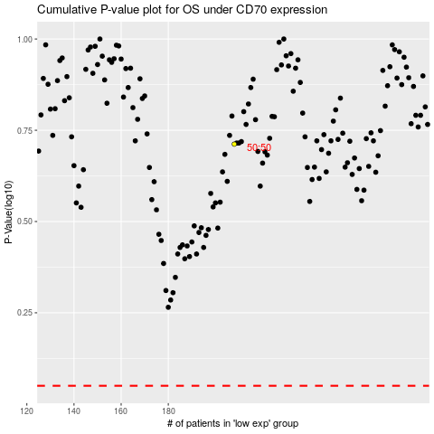

 |  |  |  |  |  | cases_OS | p_OS | rank | exp
 |  |  |  |  |  |  | cases_RFS | p_RFS | rank | exp

