CD74 _multivariate
Reported by Tex Li-Hsing Chi. tex@gate.sinica.edu.tw 2019-08-21

Table 2. The clinicopathological features of HNSCC cohort and CD74 expression. (Chi square test)
Cutoff at -0.356 (49.8%)
 |  | CD74 expression |  | CD74 expression |  | (Optimised)
 | Features | Low | (%) | High | (%) | Case no | P-value | Remark | Matthews
Gender | Female | 160 | 38.6 | 146 | 35.2 | 415 | 0.1254 | 0 | 0
2 | Male | 47 | 11.3 | 62 | 14.9
Age at diagnosis | <=65y | 143 | 34.5 | 131 | 31.6 | 415 | 0.2269 | 0 | 0
4 | >65y | 64 | 15.4 | 77 | 18.6
Clinical T Status | T1+T2 | 63 | 15.2 | 86 | 20.7 | 415 | 0.0268 | 1 | 0
6 | T3+T4 | 144 | 34.7 | 122 | 29.4
Clinical N Status | N0 | 119 | 28.7 | 97 | 23.4 | 415 | 0.0345 | 1 | 0
8 | N1-3 | 88 | 21.2 | 111 | 26.7
Clinical M Status | M0 | 207 | 49.9 | 205 | 49.4 | 415 | 0.2482 | 0 | 0
10 | M1 | 0 | 0 | 3 | 0.7
Clinical Stage | Stage I+II | 49 | 11.8 | 53 | 12.8 | 415 | 0.7535 | 0 | 0
12 | Stage III+IV | 158 | 38.1 | 155 | 37.3
Surgical Margin status | Negative | 158 | 38.1 | 160 | 38.6 | 415 | 0.9081 | 0 | 0
14 | Positive | 49 | 11.8 | 48 | 11.6
Tobacco Exposure | Low | 72 | 17.3 | 89 | 21.4 | 415 | 0.1071 | 0 | 0
16 | High | 135 | 32.5 | 119 | 28.7

Table 3. Univariate/Multivariate Cox's proportional hazards regression analyses on OS time of CD74 gene expression in HNSCC

 |  | Univariate |  |  |  | Multivariate
 | Features | HR | CI95%(L) | CI95%(H) | P-value | HR | CI95%(L) | CI95%(H) | P-value
1 | Female | 1 |  |  |  | 1
Gender | Male | 1.157 | 0.843 | 1.587 | 0.367 | 1.213 | 0.868 | 1.697 | 0.258
11 | <=65y | 1 |  |  |  | 1
Age at diagnosis | >65y | 1.329 | 0.99 | 1.784 | 0.058 | 1.411 | 1.038 | 1.919 | 0.028
12 | T1+T2 | 1 |  |  |  | 1
Clinical T Status | T3+T4 | 1.409 | 1.028 | 1.931 | 0.033 | 2.157 | 1.141 | 4.079 | 0.018
13 | N0 | 1 |  |  |  | 1
Clinical N Status | N1-3 | 1.185 | 0.89 | 1.577 | 0.246 | 1.269 | 0.888 | 1.814 | 0.191
14 | M0 | 1 |  |  |  | 1
Clinical M Status | M1 | 4.097 | 1.009 | 16.644 | 0.049 | 10.237 | 2.22 | 47.192 | 0.003
15 | Stage I+II | 1 |  |  |  | 1
Clinical Stage | Stage III+IV | 1.245 | 0.882 | 1.759 | 0.213 | 0.504 | 0.235 | 1.08 | 0.078
16 | Negative | 1 |  |  |  | 1
Surgical Margin status | Positive | 1.591 | 1.155 | 2.191 | 0.004 | 1.692 | 1.223 | 2.339 | 0.001
17 | Low | 1 |  |  |  | 1
Tobacco Exposure | High | 1.364 | 1.008 | 1.844 | 0.044 | 1.423 | 1.03 | 1.965 | 0.032
18 | Low | 1 |  |  |  | 1
RNAseq(z-score) | High | 0.841 | 0.631 | 1.12 | 0.235 | 0.818 | 0.609 | 1.099 | 0.183

Table 4. Univariate/Multivariate Cox's proportional hazards regression analyses on RFS time of CD74 gene expression in HNSCC

 |  | Univariate |  |  |  | Multivariate
 | Features | HR | CI95%(L) | CI95%(H) | P-value | HR | CI95%(L) | CI95%(H) | P-value
1 | Female | 1 |  |  |  | 1
Gender | Male | 1.157 | 0.843 | 1.587 | 0.367 | 1.213 | 0.868 | 1.697 | 0.258
11 | <=65y | 1 |  |  |  | 1
Age at diagnosis | >65y | 1.329 | 0.99 | 1.784 | 0.058 | 1.411 | 1.038 | 1.919 | 0.028
12 | T1+T2 | 1 |  |  |  | 1
Clinical T Status | T3+T4 | 1.409 | 1.028 | 1.931 | 0.033 | 2.157 | 1.141 | 4.079 | 0.018
13 | N0 | 1 |  |  |  | 1
Clinical N Status | N1-3 | 1.185 | 0.89 | 1.577 | 0.246 | 1.269 | 0.888 | 1.814 | 0.191
14 | M0 | 1 |  |  |  | 1
Clinical M Status | M1 | 4.097 | 1.009 | 16.644 | 0.049 | 10.237 | 2.22 | 47.192 | 0.003
15 | Stage I+II | 1 |  |  |  | 1
Clinical Stage | Stage III+IV | 1.245 | 0.882 | 1.759 | 0.213 | 0.504 | 0.235 | 1.08 | 0.078
16 | Negative | 1 |  |  |  | 1
Surgical Margin status | Positive | 1.591 | 1.155 | 2.191 | 0.004 | 1.692 | 1.223 | 2.339 | 0.001
17 | Low | 1 |  |  |  | 1
Tobacco Exposure | High | 1.364 | 1.008 | 1.844 | 0.044 | 1.423 | 1.03 | 1.965 | 0.032
18 | Low | 1 |  |  |  | 1
RNAseq(z-score) | High | 0.841 | 0.631 | 1.12 | 0.235 | 0.818 | 0.609 | 1.099 | 0.183

Kaplan-Meier survival estimate: Cutoff at -0.356 (49.8%)



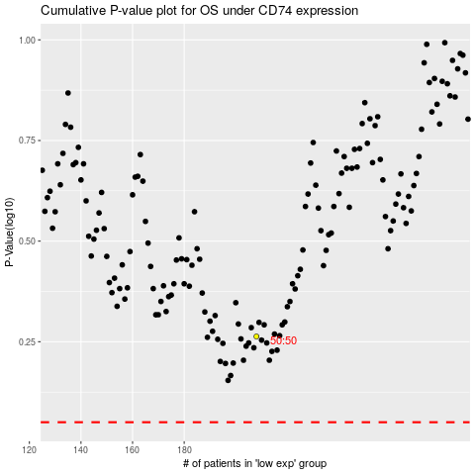

 |  |  |  |  |  | cases_OS | p_OS | rank | exp
 |  |  |  |  |  |  | cases_RFS | p_RFS | rank | exp

