CD83 _multivariate
Reported by Tex Li-Hsing Chi. tex@gate.sinica.edu.tw 2019-08-21

Table 2. The clinicopathological features of HNSCC cohort and CD83 expression. (Chi square test)
Cutoff at -0.176 (49.8%)
 |  | CD83 expression |  | CD83 expression |  | (Optimised)
 | Features | Low | (%) | High | (%) | Case no | P-value | Remark | Matthews
Gender | Female | 163 | 39.3 | 143 | 34.5 | 415 | 0.0277 | 1 | 0
2 | Male | 44 | 10.6 | 65 | 15.7
Age at diagnosis | <=65y | 135 | 32.5 | 139 | 33.5 | 415 | 0.8084 | 0 | 0
4 | >65y | 72 | 17.3 | 69 | 16.6
Clinical T Status | T1+T2 | 63 | 15.2 | 86 | 20.7 | 415 | 0.0268 | 1 | 0
6 | T3+T4 | 144 | 34.7 | 122 | 29.4
Clinical N Status | N0 | 116 | 28 | 100 | 24.1 | 415 | 0.1273 | 1 | 0
8 | N1-3 | 91 | 21.9 | 108 | 26
Clinical M Status | M0 | 206 | 49.6 | 206 | 49.6 | 415 | 1 | 0 | 0
10 | M1 | 1 | 0.2 | 2 | 0.5
Clinical Stage | Stage I+II | 48 | 11.6 | 54 | 13 | 415 | 0.5878 | 0 | 0
12 | Stage III+IV | 159 | 38.3 | 154 | 37.1
Surgical Margin status | Negative | 157 | 37.8 | 161 | 38.8 | 415 | 0.729 | 0 | 0
14 | Positive | 50 | 12 | 47 | 11.3
Tobacco Exposure | Low | 82 | 19.8 | 79 | 19 | 415 | 0.763 | 0 | 0
16 | High | 125 | 30.1 | 129 | 31.1

Table 3. Univariate/Multivariate Cox's proportional hazards regression analyses on OS time of CD83 gene expression in HNSCC

 |  | Univariate |  |  |  | Multivariate
 | Features | HR | CI95%(L) | CI95%(H) | P-value | HR | CI95%(L) | CI95%(H) | P-value
1 | Female | 1 |  |  |  | 1
Gender | Male | 1.157 | 0.843 | 1.587 | 0.367 | 1.211 | 0.864 | 1.695 | 0.266
11 | <=65y | 1 |  |  |  | 1
Age at diagnosis | >65y | 1.329 | 0.99 | 1.784 | 0.058 | 1.391 | 1.024 | 1.891 | 0.035
12 | T1+T2 | 1 |  |  |  | 1
Clinical T Status | T3+T4 | 1.409 | 1.028 | 1.931 | 0.033 | 2.181 | 1.151 | 4.133 | 0.017
13 | N0 | 1 |  |  |  | 1
Clinical N Status | N1-3 | 1.185 | 0.89 | 1.577 | 0.246 | 1.245 | 0.872 | 1.777 | 0.227
14 | M0 | 1 |  |  |  | 1
Clinical M Status | M1 | 4.097 | 1.009 | 16.644 | 0.049 | 9.493 | 2.069 | 43.549 | 0.004
15 | Stage I+II | 1 |  |  |  | 1
Clinical Stage | Stage III+IV | 1.245 | 0.882 | 1.759 | 0.213 | 0.506 | 0.236 | 1.087 | 0.081
16 | Negative | 1 |  |  |  | 1
Surgical Margin status | Positive | 1.591 | 1.155 | 2.191 | 0.004 | 1.672 | 1.21 | 2.311 | 0.002
17 | Low | 1 |  |  |  | 1
Tobacco Exposure | High | 1.364 | 1.008 | 1.844 | 0.044 | 1.456 | 1.056 | 2.007 | 0.022
18 | Low | 1 |  |  |  | 1
RNAseq(z-score) | High | 0.948 | 0.712 | 1.262 | 0.714 | 0.946 | 0.707 | 1.266 | 0.71

Table 4. Univariate/Multivariate Cox's proportional hazards regression analyses on RFS time of CD83 gene expression in HNSCC

 |  | Univariate |  |  |  | Multivariate
 | Features | HR | CI95%(L) | CI95%(H) | P-value | HR | CI95%(L) | CI95%(H) | P-value
1 | Female | 1 |  |  |  | 1
Gender | Male | 1.157 | 0.843 | 1.587 | 0.367 | 1.211 | 0.864 | 1.695 | 0.266
11 | <=65y | 1 |  |  |  | 1
Age at diagnosis | >65y | 1.329 | 0.99 | 1.784 | 0.058 | 1.391 | 1.024 | 1.891 | 0.035
12 | T1+T2 | 1 |  |  |  | 1
Clinical T Status | T3+T4 | 1.409 | 1.028 | 1.931 | 0.033 | 2.181 | 1.151 | 4.133 | 0.017
13 | N0 | 1 |  |  |  | 1
Clinical N Status | N1-3 | 1.185 | 0.89 | 1.577 | 0.246 | 1.245 | 0.872 | 1.777 | 0.227
14 | M0 | 1 |  |  |  | 1
Clinical M Status | M1 | 4.097 | 1.009 | 16.644 | 0.049 | 9.493 | 2.069 | 43.549 | 0.004
15 | Stage I+II | 1 |  |  |  | 1
Clinical Stage | Stage III+IV | 1.245 | 0.882 | 1.759 | 0.213 | 0.506 | 0.236 | 1.087 | 0.081
16 | Negative | 1 |  |  |  | 1
Surgical Margin status | Positive | 1.591 | 1.155 | 2.191 | 0.004 | 1.672 | 1.21 | 2.311 | 0.002
17 | Low | 1 |  |  |  | 1
Tobacco Exposure | High | 1.364 | 1.008 | 1.844 | 0.044 | 1.456 | 1.056 | 2.007 | 0.022
18 | Low | 1 |  |  |  | 1
RNAseq(z-score) | High | 0.948 | 0.712 | 1.262 | 0.714 | 0.946 | 0.707 | 1.266 | 0.71

Kaplan-Meier survival estimate: Cutoff at -0.176 (49.8%)

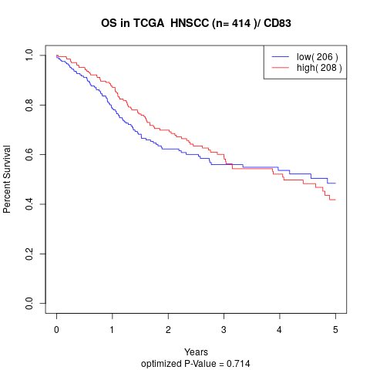

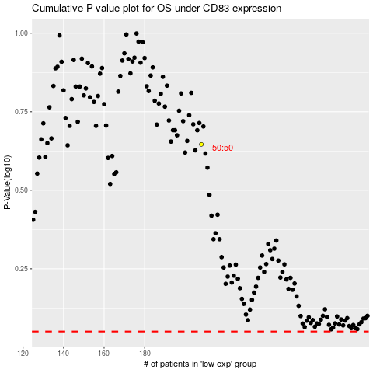

 |  |  |  |  |  | cases_OS | p_OS | rank | exp
 |  |  |  |  |  |  | cases_RFS | p_RFS | rank | exp

