CD86 _multivariate
Reported by Tex Li-Hsing Chi. tex@gate.sinica.edu.tw 2019-08-21

Table 2. The clinicopathological features of HNSCC cohort and CD86 expression. (Chi square test)
Cutoff at -0.227 (50.0%)
 |  | CD86 expression |  | CD86 expression |  | (Optimised)
 | Features | Low | (%) | High | (%) | Case no | P-value | Remark | Matthews
Gender | Female | 164 | 39.5 | 142 | 34.2 | 415 | 0.0153 | 1 | 0
2 | Male | 43 | 10.4 | 66 | 15.9
Age at diagnosis | <=65y | 141 | 34 | 133 | 32 | 415 | 0.4272 | 0 | 0
4 | >65y | 66 | 15.9 | 75 | 18.1
Clinical T Status | T1+T2 | 78 | 18.8 | 71 | 17.1 | 415 | 0.5152 | 0 | 0
6 | T3+T4 | 129 | 31.1 | 137 | 33
Clinical N Status | N0 | 120 | 28.9 | 96 | 23.1 | 415 | 0.0208 | 1 | 0
8 | N1-3 | 87 | 21 | 112 | 27
Clinical M Status | M0 | 206 | 49.6 | 206 | 49.6 | 415 | 1 | 0 | 0
10 | M1 | 1 | 0.2 | 2 | 0.5
Clinical Stage | Stage I+II | 53 | 12.8 | 49 | 11.8 | 415 | 0.7113 | 0 | 0
12 | Stage III+IV | 154 | 37.1 | 159 | 38.3
Surgical Margin status | Negative | 154 | 37.1 | 164 | 39.5 | 415 | 0.2984 | 0 | 0
14 | Positive | 53 | 12.8 | 44 | 10.6
Tobacco Exposure | Low | 79 | 19 | 82 | 19.8 | 415 | 0.8405 | 0 | 0
16 | High | 128 | 30.8 | 126 | 30.4

Table 3. Univariate/Multivariate Cox's proportional hazards regression analyses on OS time of CD86 gene expression in HNSCC

 |  | Univariate |  |  |  | Multivariate
 | Features | HR | CI95%(L) | CI95%(H) | P-value | HR | CI95%(L) | CI95%(H) | P-value
1 | Female | 1 |  |  |  | 1
Gender | Male | 1.157 | 0.843 | 1.587 | 0.367 | 1.196 | 0.855 | 1.673 | 0.297
11 | <=65y | 1 |  |  |  | 1
Age at diagnosis | >65y | 1.329 | 0.99 | 1.784 | 0.058 | 1.39 | 1.022 | 1.89 | 0.036
12 | T1+T2 | 1 |  |  |  | 1
Clinical T Status | T3+T4 | 1.409 | 1.028 | 1.931 | 0.033 | 2.184 | 1.153 | 4.139 | 0.017
13 | N0 | 1 |  |  |  | 1
Clinical N Status | N1-3 | 1.185 | 0.89 | 1.577 | 0.246 | 1.231 | 0.86 | 1.763 | 0.257
14 | M0 | 1 |  |  |  | 1
Clinical M Status | M1 | 4.097 | 1.009 | 16.644 | 0.049 | 9.227 | 2.003 | 42.504 | 0.004
15 | Stage I+II | 1 |  |  |  | 1
Clinical Stage | Stage III+IV | 1.245 | 0.882 | 1.759 | 0.213 | 0.511 | 0.237 | 1.103 | 0.087
16 | Negative | 1 |  |  |  | 1
Surgical Margin status | Positive | 1.591 | 1.155 | 2.191 | 0.004 | 1.673 | 1.211 | 2.311 | 0.002
17 | Low | 1 |  |  |  | 1
Tobacco Exposure | High | 1.364 | 1.008 | 1.844 | 0.044 | 1.458 | 1.057 | 2.01 | 0.021
18 | Low | 1 |  |  |  | 1
RNAseq(z-score) | High | 1.097 | 0.824 | 1.461 | 0.526 | 1.047 | 0.78 | 1.404 | 0.761

Table 4. Univariate/Multivariate Cox's proportional hazards regression analyses on RFS time of CD86 gene expression in HNSCC

 |  | Univariate |  |  |  | Multivariate
 | Features | HR | CI95%(L) | CI95%(H) | P-value | HR | CI95%(L) | CI95%(H) | P-value
1 | Female | 1 |  |  |  | 1
Gender | Male | 1.157 | 0.843 | 1.587 | 0.367 | 1.196 | 0.855 | 1.673 | 0.297
11 | <=65y | 1 |  |  |  | 1
Age at diagnosis | >65y | 1.329 | 0.99 | 1.784 | 0.058 | 1.39 | 1.022 | 1.89 | 0.036
12 | T1+T2 | 1 |  |  |  | 1
Clinical T Status | T3+T4 | 1.409 | 1.028 | 1.931 | 0.033 | 2.184 | 1.153 | 4.139 | 0.017
13 | N0 | 1 |  |  |  | 1
Clinical N Status | N1-3 | 1.185 | 0.89 | 1.577 | 0.246 | 1.231 | 0.86 | 1.763 | 0.257
14 | M0 | 1 |  |  |  | 1
Clinical M Status | M1 | 4.097 | 1.009 | 16.644 | 0.049 | 9.227 | 2.003 | 42.504 | 0.004
15 | Stage I+II | 1 |  |  |  | 1
Clinical Stage | Stage III+IV | 1.245 | 0.882 | 1.759 | 0.213 | 0.511 | 0.237 | 1.103 | 0.087
16 | Negative | 1 |  |  |  | 1
Surgical Margin status | Positive | 1.591 | 1.155 | 2.191 | 0.004 | 1.673 | 1.211 | 2.311 | 0.002
17 | Low | 1 |  |  |  | 1
Tobacco Exposure | High | 1.364 | 1.008 | 1.844 | 0.044 | 1.458 | 1.057 | 2.01 | 0.021
18 | Low | 1 |  |  |  | 1
RNAseq(z-score) | High | 1.097 | 0.824 | 1.461 | 0.526 | 1.047 | 0.78 | 1.404 | 0.761

Kaplan-Meier survival estimate: Cutoff at -0.227 (50.0%)



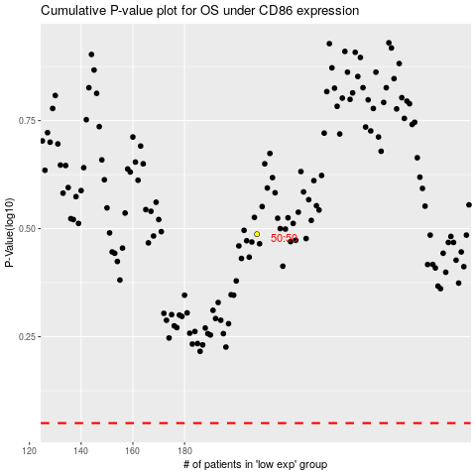

 |  |  |  |  |  | cases_OS | p_OS | rank | exp
 |  |  |  |  |  |  | cases_RFS | p_RFS | rank | exp

