CD8A _multivariate
Reported by Tex Li-Hsing Chi. tex@gate.sinica.edu.tw 2019-08-21

Table 2. The clinicopathological features of HNSCC cohort and CD8A expression. (Chi square test)
Cutoff at -0.554 (34.5%)
 |  | CD8A expression |  | CD8A expression |  | (Optimised)
 | Features | Low | (%) | High | (%) | Case no | P-value | Remark | Matthews
Gender | Female | 113 | 27.2 | 193 | 46.5 | 415 | 0.0975 | 0 | 0
2 | Male | 30 | 7.2 | 79 | 19
Age at diagnosis | <=65y | 94 | 22.7 | 180 | 43.4 | 415 | 1 | 0 | 0
4 | >65y | 49 | 11.8 | 92 | 22.2
Clinical T Status | T1+T2 | 42 | 10.1 | 107 | 25.8 | 415 | 0.0569 | 0 | 0
6 | T3+T4 | 101 | 24.3 | 165 | 39.8
Clinical N Status | N0 | 78 | 18.8 | 138 | 33.3 | 415 | 0.5254 | 0 | 0
8 | N1-3 | 65 | 15.7 | 134 | 32.3
Clinical M Status | M0 | 143 | 34.5 | 269 | 64.8 | 415 | 0.5543 | 0 | 0
10 | M1 | 0 | 0 | 3 | 0.7
Clinical Stage | Stage I+II | 33 | 8 | 69 | 16.6 | 415 | 0.6927 | 0 | 0
12 | Stage III+IV | 110 | 26.5 | 203 | 48.9
Surgical Margin status | Negative | 107 | 25.8 | 211 | 50.8 | 415 | 0.5433 | 0 | 0
14 | Positive | 36 | 8.7 | 61 | 14.7
Tobacco Exposure | Low | 52 | 12.5 | 109 | 26.3 | 415 | 0.5249 | 0 | 0
16 | High | 91 | 21.9 | 163 | 39.3

Table 3. Univariate/Multivariate Cox's proportional hazards regression analyses on OS time of CD8A gene expression in HNSCC

 |  | Univariate |  |  |  | Multivariate
 | Features | HR | CI95%(L) | CI95%(H) | P-value | HR | CI95%(L) | CI95%(H) | P-value
1 | Female | 1 |  |  |  | 1
Gender | Male | 1.157 | 0.843 | 1.587 | 0.367 | 1.237 | 0.883 | 1.733 | 0.215
11 | <=65y | 1 |  |  |  | 1
Age at diagnosis | >65y | 1.329 | 0.99 | 1.784 | 0.058 | 1.39 | 1.024 | 1.887 | 0.034
12 | T1+T2 | 1 |  |  |  | 1
Clinical T Status | T3+T4 | 1.409 | 1.028 | 1.931 | 0.033 | 2.135 | 1.13 | 4.035 | 0.019
13 | N0 | 1 |  |  |  | 1
Clinical N Status | N1-3 | 1.185 | 0.89 | 1.577 | 0.246 | 1.244 | 0.871 | 1.774 | 0.23
14 | M0 | 1 |  |  |  | 1
Clinical M Status | M1 | 4.097 | 1.009 | 16.644 | 0.049 | 10.33 | 2.245 | 47.529 | 0.003
15 | Stage I+II | 1 |  |  |  | 1
Clinical Stage | Stage III+IV | 1.245 | 0.882 | 1.759 | 0.213 | 0.516 | 0.24 | 1.106 | 0.089
16 | Negative | 1 |  |  |  | 1
Surgical Margin status | Positive | 1.591 | 1.155 | 2.191 | 0.004 | 1.644 | 1.189 | 2.272 | 0.003
17 | Low | 1 |  |  |  | 1
Tobacco Exposure | High | 1.364 | 1.008 | 1.844 | 0.044 | 1.446 | 1.049 | 1.995 | 0.024
18 | Low | 1 |  |  |  | 1
RNAseq(z-score) | High | 0.745 | 0.555 | 1 | 0.05 | 0.744 | 0.552 | 1.004 | 0.053

Table 4. Univariate/Multivariate Cox's proportional hazards regression analyses on RFS time of CD8A gene expression in HNSCC

 |  | Univariate |  |  |  | Multivariate
 | Features | HR | CI95%(L) | CI95%(H) | P-value | HR | CI95%(L) | CI95%(H) | P-value
1 | Female | 1 |  |  |  | 1
Gender | Male | 1.157 | 0.843 | 1.587 | 0.367 | 1.237 | 0.883 | 1.733 | 0.215
11 | <=65y | 1 |  |  |  | 1
Age at diagnosis | >65y | 1.329 | 0.99 | 1.784 | 0.058 | 1.39 | 1.024 | 1.887 | 0.034
12 | T1+T2 | 1 |  |  |  | 1
Clinical T Status | T3+T4 | 1.409 | 1.028 | 1.931 | 0.033 | 2.135 | 1.13 | 4.035 | 0.019
13 | N0 | 1 |  |  |  | 1
Clinical N Status | N1-3 | 1.185 | 0.89 | 1.577 | 0.246 | 1.244 | 0.871 | 1.774 | 0.23
14 | M0 | 1 |  |  |  | 1
Clinical M Status | M1 | 4.097 | 1.009 | 16.644 | 0.049 | 10.33 | 2.245 | 47.529 | 0.003
15 | Stage I+II | 1 |  |  |  | 1
Clinical Stage | Stage III+IV | 1.245 | 0.882 | 1.759 | 0.213 | 0.516 | 0.24 | 1.106 | 0.089
16 | Negative | 1 |  |  |  | 1
Surgical Margin status | Positive | 1.591 | 1.155 | 2.191 | 0.004 | 1.644 | 1.189 | 2.272 | 0.003
17 | Low | 1 |  |  |  | 1
Tobacco Exposure | High | 1.364 | 1.008 | 1.844 | 0.044 | 1.446 | 1.049 | 1.995 | 0.024
18 | Low | 1 |  |  |  | 1
RNAseq(z-score) | High | 0.745 | 0.555 | 1 | 0.05 | 0.744 | 0.552 | 1.004 | 0.053

Kaplan-Meier survival estimate: Cutoff at -0.554 (34.5%)



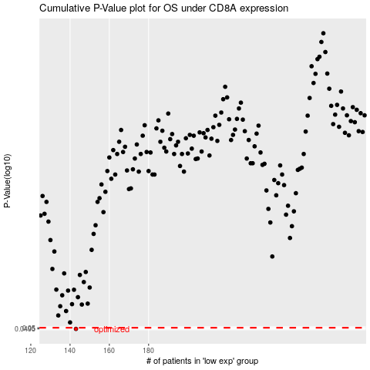

 |  |  |  |  |  | cases_OS | p_OS | rank | exp
 |  |  |  |  |  | 143 | 0.0495 | 122 | -0.55427257843
 |  |  |  |  |  |  | cases_RFS | p_RFS | rank | exp
 |  |  |  |  |  |  | 142 | 0.0495 | 108 | -0.55488451717

