CD8B _multivariate
Reported by Tex Li-Hsing Chi. tex@gate.sinica.edu.tw 2019-08-21

Table 2. The clinicopathological features of HNSCC cohort and CD8B expression. (Chi square test)
Cutoff at -0.377 (50.0%)
 |  | CD8B expression |  | CD8B expression |  | (Optimised)
 | Features | Low | (%) | High | (%) | Case no | P-value | Remark | Matthews
Gender | Female | 163 | 39.3 | 143 | 34.5 | 415 | 0.0277 | 1 | 0
2 | Male | 44 | 10.6 | 65 | 15.7
Age at diagnosis | <=65y | 141 | 34 | 133 | 32 | 415 | 0.4272 | 0 | 0
4 | >65y | 66 | 15.9 | 75 | 18.1
Clinical T Status | T1+T2 | 61 | 14.7 | 88 | 21.2 | 415 | 0.0087 | 1 | 0
6 | T3+T4 | 146 | 35.2 | 120 | 28.9
Clinical N Status | N0 | 114 | 27.5 | 102 | 24.6 | 415 | 0.2576 | 1 | 0
8 | N1-3 | 93 | 22.4 | 106 | 25.5
Clinical M Status | M0 | 206 | 49.6 | 206 | 49.6 | 415 | 1 | 0 | 0
10 | M1 | 1 | 0.2 | 2 | 0.5
Clinical Stage | Stage I+II | 46 | 11.1 | 56 | 13.5 | 415 | 0.3182 | 0 | 0
12 | Stage III+IV | 161 | 38.8 | 152 | 36.6
Surgical Margin status | Negative | 158 | 38.1 | 160 | 38.6 | 415 | 0.9081 | 0 | 0
14 | Positive | 49 | 11.8 | 48 | 11.6
Tobacco Exposure | Low | 71 | 17.1 | 90 | 21.7 | 415 | 0.0698 | 0 | 0
16 | High | 136 | 32.8 | 118 | 28.4

Table 3. Univariate/Multivariate Cox's proportional hazards regression analyses on OS time of CD8B gene expression in HNSCC

 |  | Univariate |  |  |  | Multivariate
 | Features | HR | CI95%(L) | CI95%(H) | P-value | HR | CI95%(L) | CI95%(H) | P-value
1 | Female | 1 |  |  |  | 1
Gender | Male | 1.157 | 0.843 | 1.587 | 0.367 | 1.212 | 0.867 | 1.695 | 0.26
11 | <=65y | 1 |  |  |  | 1
Age at diagnosis | >65y | 1.329 | 0.99 | 1.784 | 0.058 | 1.4 | 1.03 | 1.902 | 0.032
12 | T1+T2 | 1 |  |  |  | 1
Clinical T Status | T3+T4 | 1.409 | 1.028 | 1.931 | 0.033 | 2.162 | 1.142 | 4.093 | 0.018
13 | N0 | 1 |  |  |  | 1
Clinical N Status | N1-3 | 1.185 | 0.89 | 1.577 | 0.246 | 1.25 | 0.876 | 1.784 | 0.219
14 | M0 | 1 |  |  |  | 1
Clinical M Status | M1 | 4.097 | 1.009 | 16.644 | 0.049 | 9.635 | 2.1 | 44.214 | 0.004
15 | Stage I+II | 1 |  |  |  | 1
Clinical Stage | Stage III+IV | 1.245 | 0.882 | 1.759 | 0.213 | 0.505 | 0.235 | 1.084 | 0.079
16 | Negative | 1 |  |  |  | 1
Surgical Margin status | Positive | 1.591 | 1.155 | 2.191 | 0.004 | 1.675 | 1.212 | 2.315 | 0.002
17 | Low | 1 |  |  |  | 1
Tobacco Exposure | High | 1.364 | 1.008 | 1.844 | 0.044 | 1.436 | 1.041 | 1.981 | 0.027
18 | Low | 1 |  |  |  | 1
RNAseq(z-score) | High | 0.875 | 0.657 | 1.166 | 0.363 | 0.885 | 0.66 | 1.187 | 0.414

Table 4. Univariate/Multivariate Cox's proportional hazards regression analyses on RFS time of CD8B gene expression in HNSCC

 |  | Univariate |  |  |  | Multivariate
 | Features | HR | CI95%(L) | CI95%(H) | P-value | HR | CI95%(L) | CI95%(H) | P-value
1 | Female | 1 |  |  |  | 1
Gender | Male | 1.157 | 0.843 | 1.587 | 0.367 | 1.212 | 0.867 | 1.695 | 0.26
11 | <=65y | 1 |  |  |  | 1
Age at diagnosis | >65y | 1.329 | 0.99 | 1.784 | 0.058 | 1.4 | 1.03 | 1.902 | 0.032
12 | T1+T2 | 1 |  |  |  | 1
Clinical T Status | T3+T4 | 1.409 | 1.028 | 1.931 | 0.033 | 2.162 | 1.142 | 4.093 | 0.018
13 | N0 | 1 |  |  |  | 1
Clinical N Status | N1-3 | 1.185 | 0.89 | 1.577 | 0.246 | 1.25 | 0.876 | 1.784 | 0.219
14 | M0 | 1 |  |  |  | 1
Clinical M Status | M1 | 4.097 | 1.009 | 16.644 | 0.049 | 9.635 | 2.1 | 44.214 | 0.004
15 | Stage I+II | 1 |  |  |  | 1
Clinical Stage | Stage III+IV | 1.245 | 0.882 | 1.759 | 0.213 | 0.505 | 0.235 | 1.084 | 0.079
16 | Negative | 1 |  |  |  | 1
Surgical Margin status | Positive | 1.591 | 1.155 | 2.191 | 0.004 | 1.675 | 1.212 | 2.315 | 0.002
17 | Low | 1 |  |  |  | 1
Tobacco Exposure | High | 1.364 | 1.008 | 1.844 | 0.044 | 1.436 | 1.041 | 1.981 | 0.027
18 | Low | 1 |  |  |  | 1
RNAseq(z-score) | High | 0.875 | 0.657 | 1.166 | 0.363 | 0.885 | 0.66 | 1.187 | 0.414

Kaplan-Meier survival estimate: Cutoff at -0.377 (50.0%)



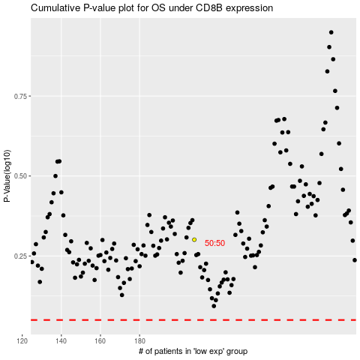

 |  |  |  |  |  | cases_OS | p_OS | rank | exp
 |  |  |  |  |  |  | cases_RFS | p_RFS | rank | exp

