CD99L2 _multivariate
Reported by Tex Li-Hsing Chi. tex@gate.sinica.edu.tw 2019-08-21

Table 2. The clinicopathological features of HNSCC cohort and CD99L2 expression. (Chi square test)
Cutoff at -0.252 (50.0%)
 |  | CD99L2 expression |  | CD99L2 expression |  | (Optimised)
 | Features | Low | (%) | High | (%) | Case no | P-value | Remark | Matthews
Gender | Female | 157 | 37.8 | 149 | 35.9 | 415 | 0.3881 | 0 | 0
2 | Male | 50 | 12 | 59 | 14.2
Age at diagnosis | <=65y | 133 | 32 | 141 | 34 | 415 | 0.5111 | 0 | 0
4 | >65y | 74 | 17.8 | 67 | 16.1
Clinical T Status | T1+T2 | 69 | 16.6 | 80 | 19.3 | 415 | 0.3239 | 0 | 0
6 | T3+T4 | 138 | 33.3 | 128 | 30.8
Clinical N Status | N0 | 102 | 24.6 | 114 | 27.5 | 415 | 0.3031 | 0 | 0
8 | N1-3 | 105 | 25.3 | 94 | 22.7
Clinical M Status | M0 | 205 | 49.4 | 207 | 49.9 | 415 | 0.6232 | 0 | 0
10 | M1 | 2 | 0.5 | 1 | 0.2
Clinical Stage | Stage I+II | 47 | 11.3 | 55 | 13.3 | 415 | 0.4413 | 0 | 0
12 | Stage III+IV | 160 | 38.6 | 153 | 36.9
Surgical Margin status | Negative | 158 | 38.1 | 160 | 38.6 | 415 | 0.9081 | 0 | 0
14 | Positive | 49 | 11.8 | 48 | 11.6
Tobacco Exposure | Low | 71 | 17.1 | 90 | 21.7 | 415 | 0.0698 | 0 | 0
16 | High | 136 | 32.8 | 118 | 28.4

Table 3. Univariate/Multivariate Cox's proportional hazards regression analyses on OS time of CD99L2 gene expression in HNSCC

 |  | Univariate |  |  |  | Multivariate
 | Features | HR | CI95%(L) | CI95%(H) | P-value | HR | CI95%(L) | CI95%(H) | P-value
1 | Female | 1 |  |  |  | 1
Gender | Male | 1.157 | 0.843 | 1.587 | 0.367 | 1.202 | 0.861 | 1.679 | 0.28
11 | <=65y | 1 |  |  |  | 1
Age at diagnosis | >65y | 1.329 | 0.99 | 1.784 | 0.058 | 1.403 | 1.031 | 1.908 | 0.031
12 | T1+T2 | 1 |  |  |  | 1
Clinical T Status | T3+T4 | 1.409 | 1.028 | 1.931 | 0.033 | 2.207 | 1.167 | 4.175 | 0.015
13 | N0 | 1 |  |  |  | 1
Clinical N Status | N1-3 | 1.185 | 0.89 | 1.577 | 0.246 | 1.25 | 0.876 | 1.786 | 0.219
14 | M0 | 1 |  |  |  | 1
Clinical M Status | M1 | 4.097 | 1.009 | 16.644 | 0.049 | 9.461 | 2.064 | 43.37 | 0.004
15 | Stage I+II | 1 |  |  |  | 1
Clinical Stage | Stage III+IV | 1.245 | 0.882 | 1.759 | 0.213 | 0.505 | 0.235 | 1.084 | 0.08
16 | Negative | 1 |  |  |  | 1
Surgical Margin status | Positive | 1.591 | 1.155 | 2.191 | 0.004 | 1.657 | 1.199 | 2.291 | 0.002
17 | Low | 1 |  |  |  | 1
Tobacco Exposure | High | 1.364 | 1.008 | 1.844 | 0.044 | 1.458 | 1.059 | 2.006 | 0.021
18 | Low | 1 |  |  |  | 1
RNAseq(z-score) | High | 1.093 | 0.82 | 1.457 | 0.545 | 1.117 | 0.836 | 1.493 | 0.453

Table 4. Univariate/Multivariate Cox's proportional hazards regression analyses on RFS time of CD99L2 gene expression in HNSCC

 |  | Univariate |  |  |  | Multivariate
 | Features | HR | CI95%(L) | CI95%(H) | P-value | HR | CI95%(L) | CI95%(H) | P-value
1 | Female | 1 |  |  |  | 1
Gender | Male | 1.157 | 0.843 | 1.587 | 0.367 | 1.202 | 0.861 | 1.679 | 0.28
11 | <=65y | 1 |  |  |  | 1
Age at diagnosis | >65y | 1.329 | 0.99 | 1.784 | 0.058 | 1.403 | 1.031 | 1.908 | 0.031
12 | T1+T2 | 1 |  |  |  | 1
Clinical T Status | T3+T4 | 1.409 | 1.028 | 1.931 | 0.033 | 2.207 | 1.167 | 4.175 | 0.015
13 | N0 | 1 |  |  |  | 1
Clinical N Status | N1-3 | 1.185 | 0.89 | 1.577 | 0.246 | 1.25 | 0.876 | 1.786 | 0.219
14 | M0 | 1 |  |  |  | 1
Clinical M Status | M1 | 4.097 | 1.009 | 16.644 | 0.049 | 9.461 | 2.064 | 43.37 | 0.004
15 | Stage I+II | 1 |  |  |  | 1
Clinical Stage | Stage III+IV | 1.245 | 0.882 | 1.759 | 0.213 | 0.505 | 0.235 | 1.084 | 0.08
16 | Negative | 1 |  |  |  | 1
Surgical Margin status | Positive | 1.591 | 1.155 | 2.191 | 0.004 | 1.657 | 1.199 | 2.291 | 0.002
17 | Low | 1 |  |  |  | 1
Tobacco Exposure | High | 1.364 | 1.008 | 1.844 | 0.044 | 1.458 | 1.059 | 2.006 | 0.021
18 | Low | 1 |  |  |  | 1
RNAseq(z-score) | High | 1.093 | 0.82 | 1.457 | 0.545 | 1.117 | 0.836 | 1.493 | 0.453

Kaplan-Meier survival estimate: Cutoff at -0.252 (50.0%)



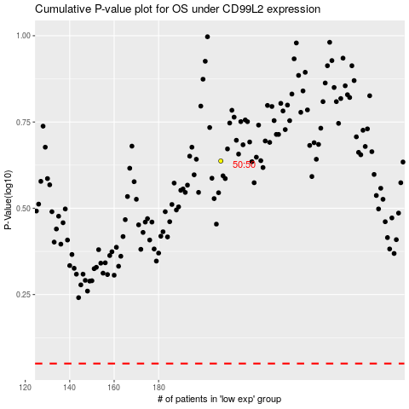

 |  |  |  |  |  | cases_OS | p_OS | rank | exp
 |  |  |  |  |  |  | cases_RFS | p_RFS | rank | exp

