CDC123 _multivariate
Reported by Tex Li-Hsing Chi. tex@gate.sinica.edu.tw 2019-08-21

Table 2. The clinicopathological features of HNSCC cohort and CDC123 expression. (Chi square test)
Cutoff at -0.127 (50.0%)
 |  | CDC123 expression |  | CDC123 expression |  | (Optimised)
 | Features | Low | (%) | High | (%) | Case no | P-value | Remark | Matthews
Gender | Female | 152 | 36.6 | 154 | 37.1 | 415 | 0.9766 | 0 | 0
2 | Male | 55 | 13.3 | 54 | 13
Age at diagnosis | <=65y | 149 | 35.9 | 125 | 30.1 | 415 | 0.0142 | 1 | 0
4 | >65y | 58 | 14 | 83 | 20
Clinical T Status | T1+T2 | 80 | 19.3 | 69 | 16.6 | 415 | 0.2891 | 0 | 0
6 | T3+T4 | 127 | 30.6 | 139 | 33.5
Clinical N Status | N0 | 114 | 27.5 | 102 | 24.6 | 415 | 0.2576 | 1 | 0
8 | N1-3 | 93 | 22.4 | 106 | 25.5
Clinical M Status | M0 | 206 | 49.6 | 206 | 49.6 | 415 | 1 | 0 | 0
10 | M1 | 1 | 0.2 | 2 | 0.5
Clinical Stage | Stage I+II | 56 | 13.5 | 46 | 11.1 | 415 | 0.2918 | 0 | 0
12 | Stage III+IV | 151 | 36.4 | 162 | 39
Surgical Margin status | Negative | 159 | 38.3 | 159 | 38.3 | 415 | 1 | 0 | 0
14 | Positive | 48 | 11.6 | 49 | 11.8
Tobacco Exposure | Low | 90 | 21.7 | 71 | 17.1 | 415 | 0.0559 | 0 | 0
16 | High | 117 | 28.2 | 137 | 33

Table 3. Univariate/Multivariate Cox's proportional hazards regression analyses on OS time of CDC123 gene expression in HNSCC

 |  | Univariate |  |  |  | Multivariate
 | Features | HR | CI95%(L) | CI95%(H) | P-value | HR | CI95%(L) | CI95%(H) | P-value
1 | Female | 1 |  |  |  | 1
Gender | Male | 1.157 | 0.843 | 1.587 | 0.367 | 1.205 | 0.863 | 1.683 | 0.274
11 | <=65y | 1 |  |  |  | 1
Age at diagnosis | >65y | 1.329 | 0.99 | 1.784 | 0.058 | 1.407 | 1.032 | 1.918 | 0.031
12 | T1+T2 | 1 |  |  |  | 1
Clinical T Status | T3+T4 | 1.409 | 1.028 | 1.931 | 0.033 | 2.204 | 1.166 | 4.166 | 0.015
13 | N0 | 1 |  |  |  | 1
Clinical N Status | N1-3 | 1.185 | 0.89 | 1.577 | 0.246 | 1.246 | 0.873 | 1.779 | 0.225
14 | M0 | 1 |  |  |  | 1
Clinical M Status | M1 | 4.097 | 1.009 | 16.644 | 0.049 | 9.599 | 2.089 | 44.1 | 0.004
15 | Stage I+II | 1 |  |  |  | 1
Clinical Stage | Stage III+IV | 1.245 | 0.882 | 1.759 | 0.213 | 0.505 | 0.235 | 1.085 | 0.08
16 | Negative | 1 |  |  |  | 1
Surgical Margin status | Positive | 1.591 | 1.155 | 2.191 | 0.004 | 1.665 | 1.205 | 2.301 | 0.002
17 | Low | 1 |  |  |  | 1
Tobacco Exposure | High | 1.364 | 1.008 | 1.844 | 0.044 | 1.461 | 1.06 | 2.015 | 0.021
18 | Low | 1 |  |  |  | 1
RNAseq(z-score) | High | 1.021 | 0.767 | 1.36 | 0.886 | 0.932 | 0.696 | 1.247 | 0.636

Table 4. Univariate/Multivariate Cox's proportional hazards regression analyses on RFS time of CDC123 gene expression in HNSCC

 |  | Univariate |  |  |  | Multivariate
 | Features | HR | CI95%(L) | CI95%(H) | P-value | HR | CI95%(L) | CI95%(H) | P-value
1 | Female | 1 |  |  |  | 1
Gender | Male | 1.157 | 0.843 | 1.587 | 0.367 | 1.205 | 0.863 | 1.683 | 0.274
11 | <=65y | 1 |  |  |  | 1
Age at diagnosis | >65y | 1.329 | 0.99 | 1.784 | 0.058 | 1.407 | 1.032 | 1.918 | 0.031
12 | T1+T2 | 1 |  |  |  | 1
Clinical T Status | T3+T4 | 1.409 | 1.028 | 1.931 | 0.033 | 2.204 | 1.166 | 4.166 | 0.015
13 | N0 | 1 |  |  |  | 1
Clinical N Status | N1-3 | 1.185 | 0.89 | 1.577 | 0.246 | 1.246 | 0.873 | 1.779 | 0.225
14 | M0 | 1 |  |  |  | 1
Clinical M Status | M1 | 4.097 | 1.009 | 16.644 | 0.049 | 9.599 | 2.089 | 44.1 | 0.004
15 | Stage I+II | 1 |  |  |  | 1
Clinical Stage | Stage III+IV | 1.245 | 0.882 | 1.759 | 0.213 | 0.505 | 0.235 | 1.085 | 0.08
16 | Negative | 1 |  |  |  | 1
Surgical Margin status | Positive | 1.591 | 1.155 | 2.191 | 0.004 | 1.665 | 1.205 | 2.301 | 0.002
17 | Low | 1 |  |  |  | 1
Tobacco Exposure | High | 1.364 | 1.008 | 1.844 | 0.044 | 1.461 | 1.06 | 2.015 | 0.021
18 | Low | 1 |  |  |  | 1
RNAseq(z-score) | High | 1.021 | 0.767 | 1.36 | 0.886 | 0.932 | 0.696 | 1.247 | 0.636

Kaplan-Meier survival estimate: Cutoff at -0.127 (50.0%)



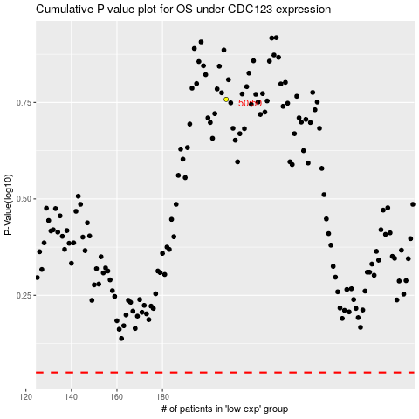

 |  |  |  |  |  | cases_OS | p_OS | rank | exp
 |  |  |  |  |  |  | cases_RFS | p_RFS | rank | exp

