CDC14A _multivariate
Reported by Tex Li-Hsing Chi. tex@gate.sinica.edu.tw 2019-08-21

Table 2. The clinicopathological features of HNSCC cohort and CDC14A expression. (Chi square test)
Cutoff at -0.24 (49.8%)
 |  | CDC14A expression |  | CDC14A expression |  | (Optimised)
 | Features | Low | (%) | High | (%) | Case no | P-value | Remark | Matthews
Gender | Female | 144 | 34.7 | 162 | 39 | 415 | 0.0697 | 0 | 0
2 | Male | 63 | 15.2 | 46 | 11.1
Age at diagnosis | <=65y | 137 | 33 | 137 | 33 | 415 | 1 | 0 | 0
4 | >65y | 70 | 16.9 | 71 | 17.1
Clinical T Status | T1+T2 | 68 | 16.4 | 81 | 19.5 | 415 | 0.2336 | 0 | 0
6 | T3+T4 | 139 | 33.5 | 127 | 30.6
Clinical N Status | N0 | 112 | 27 | 104 | 25.1 | 415 | 0.4599 | 0 | 0
8 | N1-3 | 95 | 22.9 | 104 | 25.1
Clinical M Status | M0 | 205 | 49.4 | 207 | 49.9 | 415 | 0.6232 | 0 | 0
10 | M1 | 2 | 0.5 | 1 | 0.2
Clinical Stage | Stage I+II | 48 | 11.6 | 54 | 13 | 415 | 0.5878 | 0 | 0
12 | Stage III+IV | 159 | 38.3 | 154 | 37.1
Surgical Margin status | Negative | 165 | 39.8 | 153 | 36.9 | 415 | 0.1639 | 0 | 0
14 | Positive | 42 | 10.1 | 55 | 13.3
Tobacco Exposure | Low | 92 | 22.2 | 69 | 16.6 | 415 | 0.0206 | 1 | 0
16 | High | 115 | 27.7 | 139 | 33.5

Table 3. Univariate/Multivariate Cox's proportional hazards regression analyses on OS time of CDC14A gene expression in HNSCC

 |  | Univariate |  |  |  | Multivariate
 | Features | HR | CI95%(L) | CI95%(H) | P-value | HR | CI95%(L) | CI95%(H) | P-value
1 | Female | 1 |  |  |  | 1
Gender | Male | 1.157 | 0.843 | 1.587 | 0.367 | 1.202 | 0.86 | 1.679 | 0.281
11 | <=65y | 1 |  |  |  | 1
Age at diagnosis | >65y | 1.329 | 0.99 | 1.784 | 0.058 | 1.39 | 1.022 | 1.89 | 0.036
12 | T1+T2 | 1 |  |  |  | 1
Clinical T Status | T3+T4 | 1.409 | 1.028 | 1.931 | 0.033 | 2.195 | 1.16 | 4.152 | 0.016
13 | N0 | 1 |  |  |  | 1
Clinical N Status | N1-3 | 1.185 | 0.89 | 1.577 | 0.246 | 1.243 | 0.871 | 1.774 | 0.23
14 | M0 | 1 |  |  |  | 1
Clinical M Status | M1 | 4.097 | 1.009 | 16.644 | 0.049 | 9.328 | 2.032 | 42.814 | 0.004
15 | Stage I+II | 1 |  |  |  | 1
Clinical Stage | Stage III+IV | 1.245 | 0.882 | 1.759 | 0.213 | 0.505 | 0.235 | 1.084 | 0.08
16 | Negative | 1 |  |  |  | 1
Surgical Margin status | Positive | 1.591 | 1.155 | 2.191 | 0.004 | 1.677 | 1.213 | 2.319 | 0.002
17 | Low | 1 |  |  |  | 1
Tobacco Exposure | High | 1.364 | 1.008 | 1.844 | 0.044 | 1.457 | 1.056 | 2.01 | 0.022
18 | Low | 1 |  |  |  | 1
RNAseq(z-score) | High | 0.977 | 0.734 | 1.301 | 0.875 | 0.962 | 0.721 | 1.285 | 0.795

Table 4. Univariate/Multivariate Cox's proportional hazards regression analyses on RFS time of CDC14A gene expression in HNSCC

 |  | Univariate |  |  |  | Multivariate
 | Features | HR | CI95%(L) | CI95%(H) | P-value | HR | CI95%(L) | CI95%(H) | P-value
1 | Female | 1 |  |  |  | 1
Gender | Male | 1.157 | 0.843 | 1.587 | 0.367 | 1.202 | 0.86 | 1.679 | 0.281
11 | <=65y | 1 |  |  |  | 1
Age at diagnosis | >65y | 1.329 | 0.99 | 1.784 | 0.058 | 1.39 | 1.022 | 1.89 | 0.036
12 | T1+T2 | 1 |  |  |  | 1
Clinical T Status | T3+T4 | 1.409 | 1.028 | 1.931 | 0.033 | 2.195 | 1.16 | 4.152 | 0.016
13 | N0 | 1 |  |  |  | 1
Clinical N Status | N1-3 | 1.185 | 0.89 | 1.577 | 0.246 | 1.243 | 0.871 | 1.774 | 0.23
14 | M0 | 1 |  |  |  | 1
Clinical M Status | M1 | 4.097 | 1.009 | 16.644 | 0.049 | 9.328 | 2.032 | 42.814 | 0.004
15 | Stage I+II | 1 |  |  |  | 1
Clinical Stage | Stage III+IV | 1.245 | 0.882 | 1.759 | 0.213 | 0.505 | 0.235 | 1.084 | 0.08
16 | Negative | 1 |  |  |  | 1
Surgical Margin status | Positive | 1.591 | 1.155 | 2.191 | 0.004 | 1.677 | 1.213 | 2.319 | 0.002
17 | Low | 1 |  |  |  | 1
Tobacco Exposure | High | 1.364 | 1.008 | 1.844 | 0.044 | 1.457 | 1.056 | 2.01 | 0.022
18 | Low | 1 |  |  |  | 1
RNAseq(z-score) | High | 0.977 | 0.734 | 1.301 | 0.875 | 0.962 | 0.721 | 1.285 | 0.795

Kaplan-Meier survival estimate: Cutoff at -0.24 (49.8%)



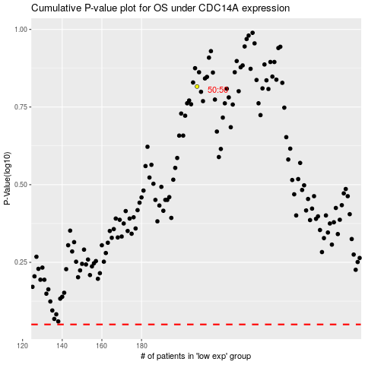

 |  |  |  |  |  | cases_OS | p_OS | rank | exp
 |  |  |  |  |  |  | cases_RFS | p_RFS | rank | exp

