CDC14B _multivariate
Reported by Tex Li-Hsing Chi. tex@gate.sinica.edu.tw 2019-08-21

Table 2. The clinicopathological features of HNSCC cohort and CDC14B expression. (Chi square test)
Cutoff at 0.23 (69.1%)
 |  | CDC14B expression |  | CDC14B expression |  | (Optimised)
 | Features | Low | (%) | High | (%) | Case no | P-value | Remark | Matthews
Gender | Female | 207 | 49.9 | 99 | 23.9 | 415 | 0.3198 | 0 | 0
2 | Male | 80 | 19.3 | 29 | 7
Age at diagnosis | <=65y | 183 | 44.1 | 91 | 21.9 | 415 | 0.1789 | 0 | 0
4 | >65y | 104 | 25.1 | 37 | 8.9
Clinical T Status | T1+T2 | 102 | 24.6 | 47 | 11.3 | 415 | 0.9042 | 0 | 0
6 | T3+T4 | 185 | 44.6 | 81 | 19.5
Clinical N Status | N0 | 140 | 33.7 | 76 | 18.3 | 415 | 0.0589 | 0 | 0
8 | N1-3 | 147 | 35.4 | 52 | 12.5
Clinical M Status | M0 | 284 | 68.4 | 128 | 30.8 | 415 | 0.5558 | 0 | 0
10 | M1 | 3 | 0.7 | 0 | 0
Clinical Stage | Stage I+II | 73 | 17.6 | 29 | 7 | 415 | 0.6285 | 0 | 0
12 | Stage III+IV | 214 | 51.6 | 99 | 23.9
Surgical Margin status | Negative | 218 | 52.5 | 100 | 24.1 | 415 | 0.7068 | 0 | 0
14 | Positive | 69 | 16.6 | 28 | 6.7
Tobacco Exposure | Low | 120 | 28.9 | 41 | 9.9 | 415 | 0.0642 | 0 | 0
16 | High | 167 | 40.2 | 87 | 21

Table 3. Univariate/Multivariate Cox's proportional hazards regression analyses on OS time of CDC14B gene expression in HNSCC

 |  | Univariate |  |  |  | Multivariate
 | Features | HR | CI95%(L) | CI95%(H) | P-value | HR | CI95%(L) | CI95%(H) | P-value
1 | Female | 1 |  |  |  | 1
Gender | Male | 1.157 | 0.843 | 1.587 | 0.367 | 1.164 | 0.832 | 1.629 | 0.376
11 | <=65y | 1 |  |  |  | 1
Age at diagnosis | >65y | 1.329 | 0.99 | 1.784 | 0.058 | 1.374 | 1.009 | 1.87 | 0.043
12 | T1+T2 | 1 |  |  |  | 1
Clinical T Status | T3+T4 | 1.409 | 1.028 | 1.931 | 0.033 | 2.025 | 1.065 | 3.849 | 0.031
13 | N0 | 1 |  |  |  | 1
Clinical N Status | N1-3 | 1.185 | 0.89 | 1.577 | 0.246 | 1.152 | 0.801 | 1.657 | 0.445
14 | M0 | 1 |  |  |  | 1
Clinical M Status | M1 | 4.097 | 1.009 | 16.644 | 0.049 | 8.094 | 1.755 | 37.332 | 0.007
15 | Stage I+II | 1 |  |  |  | 1
Clinical Stage | Stage III+IV | 1.245 | 0.882 | 1.759 | 0.213 | 0.571 | 0.263 | 1.239 | 0.156
16 | Negative | 1 |  |  |  | 1
Surgical Margin status | Positive | 1.591 | 1.155 | 2.191 | 0.004 | 1.674 | 1.212 | 2.311 | 0.002
17 | Low | 1 |  |  |  | 1
Tobacco Exposure | High | 1.364 | 1.008 | 1.844 | 0.044 | 1.47 | 1.067 | 2.026 | 0.019
18 | Low | 1 |  |  |  | 1
RNAseq(z-score) | High | 0.669 | 0.482 | 0.928 | 0.016 | 0.722 | 0.514 | 1.013 | 0.059

Table 4. Univariate/Multivariate Cox's proportional hazards regression analyses on RFS time of CDC14B gene expression in HNSCC

 |  | Univariate |  |  |  | Multivariate
 | Features | HR | CI95%(L) | CI95%(H) | P-value | HR | CI95%(L) | CI95%(H) | P-value
1 | Female | 1 |  |  |  | 1
Gender | Male | 1.157 | 0.843 | 1.587 | 0.367 | 1.164 | 0.832 | 1.629 | 0.376
11 | <=65y | 1 |  |  |  | 1
Age at diagnosis | >65y | 1.329 | 0.99 | 1.784 | 0.058 | 1.374 | 1.009 | 1.87 | 0.043
12 | T1+T2 | 1 |  |  |  | 1
Clinical T Status | T3+T4 | 1.409 | 1.028 | 1.931 | 0.033 | 2.025 | 1.065 | 3.849 | 0.031
13 | N0 | 1 |  |  |  | 1
Clinical N Status | N1-3 | 1.185 | 0.89 | 1.577 | 0.246 | 1.152 | 0.801 | 1.657 | 0.445
14 | M0 | 1 |  |  |  | 1
Clinical M Status | M1 | 4.097 | 1.009 | 16.644 | 0.049 | 8.094 | 1.755 | 37.332 | 0.007
15 | Stage I+II | 1 |  |  |  | 1
Clinical Stage | Stage III+IV | 1.245 | 0.882 | 1.759 | 0.213 | 0.571 | 0.263 | 1.239 | 0.156
16 | Negative | 1 |  |  |  | 1
Surgical Margin status | Positive | 1.591 | 1.155 | 2.191 | 0.004 | 1.674 | 1.212 | 2.311 | 0.002
17 | Low | 1 |  |  |  | 1
Tobacco Exposure | High | 1.364 | 1.008 | 1.844 | 0.044 | 1.47 | 1.067 | 2.026 | 0.019
18 | Low | 1 |  |  |  | 1
RNAseq(z-score) | High | 0.669 | 0.482 | 0.928 | 0.016 | 0.722 | 0.514 | 1.013 | 0.059

Kaplan-Meier survival estimate: Cutoff at 0.23 (69.1%)

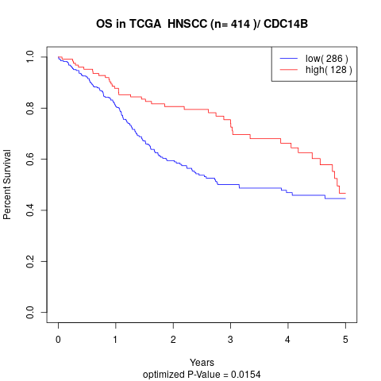

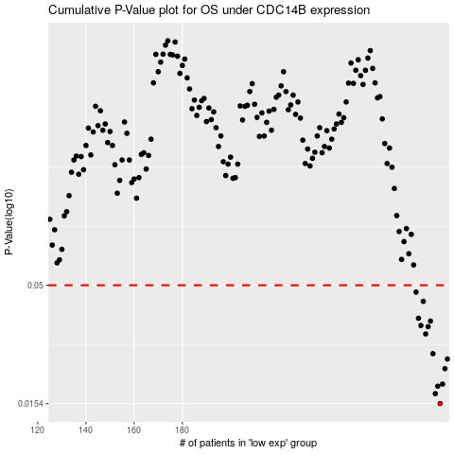

 |  |  |  |  |  | cases_OS | p_OS | rank | exp
 |  |  |  |  |  | 287 | 0.0154 | 158 | 0.22982928443
 |  |  |  |  |  | 285 | 0.017 | 144 | 0.22465357433
 |  |  |  |  |  | 286 | 0.0183 | 275 | 0.22610976827
 |  |  |  |  |  | 288 | 0.0187 | 11 | 0.23120420503
 |  |  |  |  |  | 289 | 0.0218 | 348 | 0.23760293867
 |  |  |  |  |  | 290 | 0.024 | 273 | 0.24774024566
 |  |  |  |  |  | 284 | 0.0253 | 398 | 0.21885514236
 |  |  |  |  |  | 281 | 0.0308 | 146 | 0.19091000719
 |  |  |  |  |  | 282 | 0.0331 | 298 | 0.19421194656
 |  |  |  |  |  | 279 | 0.0335 | 301 | 0.18581388892
 |  |  |  |  |  | 283 | 0.035 | 308 | 0.21361889764
 |  |  |  |  |  | 278 | 0.036 | 218 | 0.18514688707
 |  |  |  |  |  | 280 | 0.0426 | 296 | 0.18845499201
 |  |  |  |  |  | 277 | 0.0467 | 263 | 0.1850319834
 |  |  |  |  |  |  | cases_RFS | p_RFS | rank | exp
 |  |  |  |  |  |  | 286 | 0.0154 | 275 | 0.22610976827
 |  |  |  |  |  |  | 284 | 0.017 | 398 | 0.21885514236
 |  |  |  |  |  |  | 285 | 0.0183 | 144 | 0.22465357433
 |  |  |  |  |  |  | 287 | 0.0187 | 158 | 0.22982928443
 |  |  |  |  |  |  | 288 | 0.0218 | 11 | 0.23120420503
 |  |  |  |  |  |  | 289 | 0.024 | 348 | 0.23760293867
 |  |  |  |  |  |  | 283 | 0.0253 | 308 | 0.21361889764
 |  |  |  |  |  |  | 280 | 0.0308 | 296 | 0.18845499201
 |  |  |  |  |  |  | 281 | 0.0331 | 146 | 0.19091000719
 |  |  |  |  |  |  | 278 | 0.0335 | 218 | 0.18514688707
 |  |  |  |  |  |  | 282 | 0.035 | 298 | 0.19421194656
 |  |  |  |  |  |  | 277 | 0.036 | 263 | 0.1850319834
 |  |  |  |  |  |  | 279 | 0.0426 | 301 | 0.18581388892
 |  |  |  |  |  |  | 276 | 0.0467 | 326 | 0.18077886577

