CDC16 _multivariate
Reported by Tex Li-Hsing Chi. tex@gate.sinica.edu.tw 2019-08-21

Table 2. The clinicopathological features of HNSCC cohort and CDC16 expression. (Chi square test)
Cutoff at -0.391 (30.4%)
 |  | CDC16 expression |  | CDC16 expression |  | (Optimised)
 | Features | Low | (%) | High | (%) | Case no | P-value | Remark | Matthews
Gender | Female | 97 | 23.4 | 209 | 50.4 | 415 | 0.3833 | 0 | 0
2 | Male | 29 | 7 | 80 | 19.3
Age at diagnosis | <=65y | 90 | 21.7 | 184 | 44.3 | 415 | 0.155 | 0 | 0
4 | >65y | 36 | 8.7 | 105 | 25.3
Clinical T Status | T1+T2 | 43 | 10.4 | 106 | 25.5 | 415 | 0.6988 | 0 | 0
6 | T3+T4 | 83 | 20 | 183 | 44.1
Clinical N Status | N0 | 66 | 15.9 | 150 | 36.1 | 415 | 1 | 0 | 0
8 | N1-3 | 60 | 14.5 | 139 | 33.5
Clinical M Status | M0 | 126 | 30.4 | 286 | 68.9 | 415 | 0.5566 | 0 | 0
10 | M1 | 0 | 0 | 3 | 0.7
Clinical Stage | Stage I+II | 26 | 6.3 | 76 | 18.3 | 415 | 0.2679 | 0 | 0
12 | Stage III+IV | 100 | 24.1 | 213 | 51.3
Surgical Margin status | Negative | 103 | 24.8 | 215 | 51.8 | 415 | 0.1298 | 0 | 0
14 | Positive | 23 | 5.5 | 74 | 17.8
Tobacco Exposure | Low | 43 | 10.4 | 118 | 28.4 | 415 | 0.2283 | 0 | 0
16 | High | 83 | 20 | 171 | 41.2

Table 3. Univariate/Multivariate Cox's proportional hazards regression analyses on OS time of CDC16 gene expression in HNSCC

 |  | Univariate |  |  |  | Multivariate
 | Features | HR | CI95%(L) | CI95%(H) | P-value | HR | CI95%(L) | CI95%(H) | P-value
1 | Female | 1 |  |  |  | 1
Gender | Male | 1.157 | 0.843 | 1.587 | 0.367 | 1.192 | 0.852 | 1.667 | 0.305
11 | <=65y | 1 |  |  |  | 1
Age at diagnosis | >65y | 1.329 | 0.99 | 1.784 | 0.058 | 1.347 | 0.99 | 1.832 | 0.058
12 | T1+T2 | 1 |  |  |  | 1
Clinical T Status | T3+T4 | 1.409 | 1.028 | 1.931 | 0.033 | 2.135 | 1.128 | 4.042 | 0.02
13 | N0 | 1 |  |  |  | 1
Clinical N Status | N1-3 | 1.185 | 0.89 | 1.577 | 0.246 | 1.193 | 0.835 | 1.706 | 0.333
14 | M0 | 1 |  |  |  | 1
Clinical M Status | M1 | 4.097 | 1.009 | 16.644 | 0.049 | 8.335 | 1.812 | 38.351 | 0.006
15 | Stage I+II | 1 |  |  |  | 1
Clinical Stage | Stage III+IV | 1.245 | 0.882 | 1.759 | 0.213 | 0.548 | 0.254 | 1.18 | 0.124
16 | Negative | 1 |  |  |  | 1
Surgical Margin status | Positive | 1.591 | 1.155 | 2.191 | 0.004 | 1.622 | 1.172 | 2.243 | 0.004
17 | Low | 1 |  |  |  | 1
Tobacco Exposure | High | 1.364 | 1.008 | 1.844 | 0.044 | 1.478 | 1.072 | 2.038 | 0.017
18 | Low | 1 |  |  |  | 1
RNAseq(z-score) | High | 1.474 | 1.061 | 2.05 | 0.021 | 1.395 | 0.996 | 1.954 | 0.053

Table 4. Univariate/Multivariate Cox's proportional hazards regression analyses on RFS time of CDC16 gene expression in HNSCC

 |  | Univariate |  |  |  | Multivariate
 | Features | HR | CI95%(L) | CI95%(H) | P-value | HR | CI95%(L) | CI95%(H) | P-value
1 | Female | 1 |  |  |  | 1
Gender | Male | 1.157 | 0.843 | 1.587 | 0.367 | 1.192 | 0.852 | 1.667 | 0.305
11 | <=65y | 1 |  |  |  | 1
Age at diagnosis | >65y | 1.329 | 0.99 | 1.784 | 0.058 | 1.347 | 0.99 | 1.832 | 0.058
12 | T1+T2 | 1 |  |  |  | 1
Clinical T Status | T3+T4 | 1.409 | 1.028 | 1.931 | 0.033 | 2.135 | 1.128 | 4.042 | 0.02
13 | N0 | 1 |  |  |  | 1
Clinical N Status | N1-3 | 1.185 | 0.89 | 1.577 | 0.246 | 1.193 | 0.835 | 1.706 | 0.333
14 | M0 | 1 |  |  |  | 1
Clinical M Status | M1 | 4.097 | 1.009 | 16.644 | 0.049 | 8.335 | 1.812 | 38.351 | 0.006
15 | Stage I+II | 1 |  |  |  | 1
Clinical Stage | Stage III+IV | 1.245 | 0.882 | 1.759 | 0.213 | 0.548 | 0.254 | 1.18 | 0.124
16 | Negative | 1 |  |  |  | 1
Surgical Margin status | Positive | 1.591 | 1.155 | 2.191 | 0.004 | 1.622 | 1.172 | 2.243 | 0.004
17 | Low | 1 |  |  |  | 1
Tobacco Exposure | High | 1.364 | 1.008 | 1.844 | 0.044 | 1.478 | 1.072 | 2.038 | 0.017
18 | Low | 1 |  |  |  | 1
RNAseq(z-score) | High | 1.474 | 1.061 | 2.05 | 0.021 | 1.395 | 0.996 | 1.954 | 0.053

Kaplan-Meier survival estimate: Cutoff at -0.391 (30.4%)

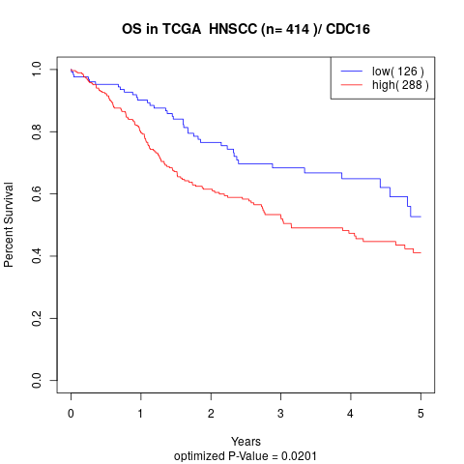

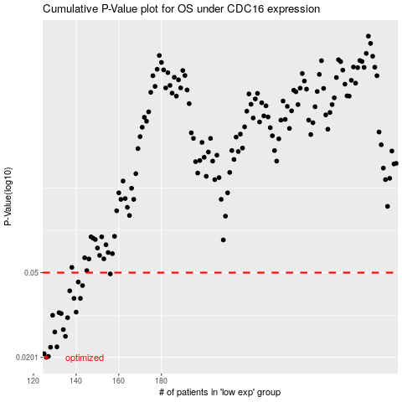

 |  |  |  |  |  | cases_OS | p_OS | rank | exp
 |  |  |  |  |  | 126 | 0.0201 | 259 | -0.39090253244
 |  |  |  |  |  | 127 | 0.0203 | 7 | -0.38855114362
 |  |  |  |  |  | 125 | 0.0209 | 94 | -0.39241600987
 |  |  |  |  |  | 128 | 0.0224 | 199 | -0.38650070464
 |  |  |  |  |  | 131 | 0.0225 | 224 | -0.38359070824
 |  |  |  |  |  | 135 | 0.0252 | 118 | -0.37054495171
 |  |  |  |  |  | 130 | 0.0264 | 317 | -0.38513473452
 |  |  |  |  |  | 134 | 0.0271 | 238 | -0.3751157583
 |  |  |  |  |  | 136 | 0.0308 | 409 | -0.36989557039
 |  |  |  |  |  | 129 | 0.0316 | 136 | -0.38546186909
 |  |  |  |  |  | 133 | 0.0322 | 15 | -0.37771625119
 |  |  |  |  |  | 132 | 0.0325 | 306 | -0.3804050739
 |  |  |  |  |  | 140 | 0.0327 | 159 | -0.36730712248
 |  |  |  |  |  | 139 | 0.0379 | 187 | -0.36751834597
 |  |  |  |  |  | 142 | 0.0379 | 240 | -0.35637848871
 |  |  |  |  |  | 137 | 0.0411 | 163 | -0.36949057989
 |  |  |  |  |  | 143 | 0.0435 | 229 | -0.35498476278
 |  |  |  |  |  | 141 | 0.0452 | 158 | -0.35981357625
 |  |  |  |  |  | 156 | 0.0493 | 161 | -0.30537709222
 |  |  |  |  |  |  | cases_RFS | p_RFS | rank | exp
 |  |  |  |  |  |  | 125 | 0.0201 | 94 | -0.39241600987
 |  |  |  |  |  |  | 126 | 0.0203 | 259 | -0.39090253244
 |  |  |  |  |  |  |  | 0.0209 | 222 | -0.3959132425
 |  |  |  |  |  |  | 127 | 0.0224 | 7 | -0.38855114362
 |  |  |  |  |  |  | 130 | 0.0225 | 317 | -0.38513473452
 |  |  |  |  |  |  | 134 | 0.0252 | 238 | -0.3751157583
 |  |  |  |  |  |  | 129 | 0.0264 | 136 | -0.38546186909
 |  |  |  |  |  |  | 133 | 0.0271 | 15 | -0.37771625119
 |  |  |  |  |  |  | 135 | 0.0308 | 118 | -0.37054495171
 |  |  |  |  |  |  | 128 | 0.0316 | 199 | -0.38650070464
 |  |  |  |  |  |  | 132 | 0.0322 | 306 | -0.3804050739
 |  |  |  |  |  |  | 131 | 0.0325 | 224 | -0.38359070824
 |  |  |  |  |  |  | 139 | 0.0327 | 187 | -0.36751834597
 |  |  |  |  |  |  | 141 | 0.0379 | 158 | -0.35981357625
 |  |  |  |  |  |  | 138 | 0.0379 | 403 | -0.36918910636
 |  |  |  |  |  |  | 136 | 0.0411 | 409 | -0.36989557039
 |  |  |  |  |  |  | 142 | 0.0435 | 240 | -0.35637848871
 |  |  |  |  |  |  | 140 | 0.0452 | 159 | -0.36730712248
 |  |  |  |  |  |  | 155 | 0.0493 | 106 | -0.31001720107

