CDC20 _multivariate
Reported by Tex Li-Hsing Chi. tex@gate.sinica.edu.tw 2019-08-21

Table 2. The clinicopathological features of HNSCC cohort and CDC20 expression. (Chi square test)
Cutoff at -0.132 (49.8%)
 |  | CDC20 expression |  | CDC20 expression |  | (Optimised)
 | Features | Low | (%) | High | (%) | Case no | P-value | Remark | Matthews
Gender | Female | 145 | 34.9 | 161 | 38.8 | 415 | 0.1116 | 0 | 0
2 | Male | 62 | 14.9 | 47 | 11.3
Age at diagnosis | <=65y | 134 | 32.3 | 140 | 33.7 | 415 | 0.6529 | 0 | 0
4 | >65y | 73 | 17.6 | 68 | 16.4
Clinical T Status | T1+T2 | 76 | 18.3 | 73 | 17.6 | 415 | 0.8092 | 0 | 0
6 | T3+T4 | 131 | 31.6 | 135 | 32.5
Clinical N Status | N0 | 119 | 28.7 | 97 | 23.4 | 415 | 0.0345 | 1 | 0
8 | N1-3 | 88 | 21.2 | 111 | 26.7
Clinical M Status | M0 | 207 | 49.9 | 205 | 49.4 | 415 | 0.2482 | 0 | 0
10 | M1 | 0 | 0 | 3 | 0.7
Clinical Stage | Stage I+II | 56 | 13.5 | 46 | 11.1 | 415 | 0.2918 | 0 | 0
12 | Stage III+IV | 151 | 36.4 | 162 | 39
Surgical Margin status | Negative | 156 | 37.6 | 162 | 39 | 415 | 0.5636 | 0 | 0
14 | Positive | 51 | 12.3 | 46 | 11.1
Tobacco Exposure | Low | 90 | 21.7 | 71 | 17.1 | 415 | 0.0559 | 0 | 0
16 | High | 117 | 28.2 | 137 | 33

Table 3. Univariate/Multivariate Cox's proportional hazards regression analyses on OS time of CDC20 gene expression in HNSCC

 |  | Univariate |  |  |  | Multivariate
 | Features | HR | CI95%(L) | CI95%(H) | P-value | HR | CI95%(L) | CI95%(H) | P-value
1 | Female | 1 |  |  |  | 1
Gender | Male | 1.157 | 0.843 | 1.587 | 0.367 | 1.199 | 0.859 | 1.675 | 0.286
11 | <=65y | 1 |  |  |  | 1
Age at diagnosis | >65y | 1.329 | 0.99 | 1.784 | 0.058 | 1.399 | 1.029 | 1.902 | 0.032
12 | T1+T2 | 1 |  |  |  | 1
Clinical T Status | T3+T4 | 1.409 | 1.028 | 1.931 | 0.033 | 2.193 | 1.16 | 4.149 | 0.016
13 | N0 | 1 |  |  |  | 1
Clinical N Status | N1-3 | 1.185 | 0.89 | 1.577 | 0.246 | 1.247 | 0.874 | 1.78 | 0.224
14 | M0 | 1 |  |  |  | 1
Clinical M Status | M1 | 4.097 | 1.009 | 16.644 | 0.049 | 9.754 | 2.116 | 44.966 | 0.003
15 | Stage I+II | 1 |  |  |  | 1
Clinical Stage | Stage III+IV | 1.245 | 0.882 | 1.759 | 0.213 | 0.506 | 0.236 | 1.085 | 0.08
16 | Negative | 1 |  |  |  | 1
Surgical Margin status | Positive | 1.591 | 1.155 | 2.191 | 0.004 | 1.669 | 1.207 | 2.306 | 0.002
17 | Low | 1 |  |  |  | 1
Tobacco Exposure | High | 1.364 | 1.008 | 1.844 | 0.044 | 1.462 | 1.061 | 2.016 | 0.02
18 | Low | 1 |  |  |  | 1
RNAseq(z-score) | High | 0.972 | 0.73 | 1.295 | 0.848 | 0.922 | 0.69 | 1.232 | 0.581

Table 4. Univariate/Multivariate Cox's proportional hazards regression analyses on RFS time of CDC20 gene expression in HNSCC

 |  | Univariate |  |  |  | Multivariate
 | Features | HR | CI95%(L) | CI95%(H) | P-value | HR | CI95%(L) | CI95%(H) | P-value
1 | Female | 1 |  |  |  | 1
Gender | Male | 1.157 | 0.843 | 1.587 | 0.367 | 1.199 | 0.859 | 1.675 | 0.286
11 | <=65y | 1 |  |  |  | 1
Age at diagnosis | >65y | 1.329 | 0.99 | 1.784 | 0.058 | 1.399 | 1.029 | 1.902 | 0.032
12 | T1+T2 | 1 |  |  |  | 1
Clinical T Status | T3+T4 | 1.409 | 1.028 | 1.931 | 0.033 | 2.193 | 1.16 | 4.149 | 0.016
13 | N0 | 1 |  |  |  | 1
Clinical N Status | N1-3 | 1.185 | 0.89 | 1.577 | 0.246 | 1.247 | 0.874 | 1.78 | 0.224
14 | M0 | 1 |  |  |  | 1
Clinical M Status | M1 | 4.097 | 1.009 | 16.644 | 0.049 | 9.754 | 2.116 | 44.966 | 0.003
15 | Stage I+II | 1 |  |  |  | 1
Clinical Stage | Stage III+IV | 1.245 | 0.882 | 1.759 | 0.213 | 0.506 | 0.236 | 1.085 | 0.08
16 | Negative | 1 |  |  |  | 1
Surgical Margin status | Positive | 1.591 | 1.155 | 2.191 | 0.004 | 1.669 | 1.207 | 2.306 | 0.002
17 | Low | 1 |  |  |  | 1
Tobacco Exposure | High | 1.364 | 1.008 | 1.844 | 0.044 | 1.462 | 1.061 | 2.016 | 0.02
18 | Low | 1 |  |  |  | 1
RNAseq(z-score) | High | 0.972 | 0.73 | 1.295 | 0.848 | 0.922 | 0.69 | 1.232 | 0.581

Kaplan-Meier survival estimate: Cutoff at -0.132 (49.8%)



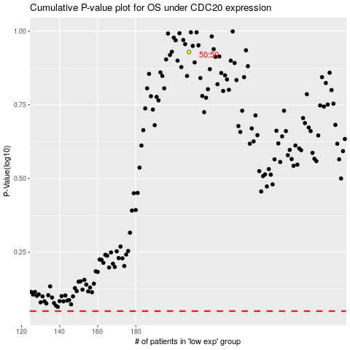

 |  |  |  |  |  | cases_OS | p_OS | rank | exp
 |  |  |  |  |  |  | cases_RFS | p_RFS | rank | exp

