CDC23 _multivariate
Reported by Tex Li-Hsing Chi. tex@gate.sinica.edu.tw 2019-08-21

Table 2. The clinicopathological features of HNSCC cohort and CDC23 expression. (Chi square test)
Cutoff at -0.338 (40.8%)
 |  | CDC23 expression |  | CDC23 expression |  | (Optimised)
 | Features | Low | (%) | High | (%) | Case no | P-value | Remark | Matthews
Gender | Female | 133 | 32 | 173 | 41.7 | 415 | 0.1048 | 0 | 0
2 | Male | 37 | 8.9 | 72 | 17.3
Age at diagnosis | <=65y | 121 | 29.2 | 153 | 36.9 | 415 | 0.0817 | 0 | 0
4 | >65y | 49 | 11.8 | 92 | 22.2
Clinical T Status | T1+T2 | 54 | 13 | 95 | 22.9 | 415 | 0.1738 | 0 | 0
6 | T3+T4 | 116 | 28 | 150 | 36.1
Clinical N Status | N0 | 93 | 22.4 | 123 | 29.6 | 415 | 0.4221 | 0 | 0
8 | N1-3 | 77 | 18.6 | 122 | 29.4
Clinical M Status | M0 | 169 | 40.7 | 243 | 58.6 | 415 | 1 | 0 | 0
10 | M1 | 1 | 0.2 | 2 | 0.5
Clinical Stage | Stage I+II | 41 | 9.9 | 61 | 14.7 | 415 | 0.9477 | 0 | 0
12 | Stage III+IV | 129 | 31.1 | 184 | 44.3
Surgical Margin status | Negative | 137 | 33 | 181 | 43.6 | 415 | 0.1257 | 0 | 0
14 | Positive | 33 | 8 | 64 | 15.4
Tobacco Exposure | Low | 61 | 14.7 | 100 | 24.1 | 415 | 0.3567 | 0 | 0
16 | High | 109 | 26.3 | 145 | 34.9

Table 3. Univariate/Multivariate Cox's proportional hazards regression analyses on OS time of CDC23 gene expression in HNSCC

 |  | Univariate |  |  |  | Multivariate
 | Features | HR | CI95%(L) | CI95%(H) | P-value | HR | CI95%(L) | CI95%(H) | P-value
1 | Female | 1 |  |  |  | 1
Gender | Male | 1.157 | 0.843 | 1.587 | 0.367 | 1.201 | 0.86 | 1.677 | 0.283
11 | <=65y | 1 |  |  |  | 1
Age at diagnosis | >65y | 1.329 | 0.99 | 1.784 | 0.058 | 1.357 | 0.997 | 1.846 | 0.052
12 | T1+T2 | 1 |  |  |  | 1
Clinical T Status | T3+T4 | 1.409 | 1.028 | 1.931 | 0.033 | 2.335 | 1.233 | 4.422 | 0.009
13 | N0 | 1 |  |  |  | 1
Clinical N Status | N1-3 | 1.185 | 0.89 | 1.577 | 0.246 | 1.235 | 0.866 | 1.761 | 0.243
14 | M0 | 1 |  |  |  | 1
Clinical M Status | M1 | 4.097 | 1.009 | 16.644 | 0.049 | 9.881 | 2.153 | 45.342 | 0.003
15 | Stage I+II | 1 |  |  |  | 1
Clinical Stage | Stage III+IV | 1.245 | 0.882 | 1.759 | 0.213 | 0.486 | 0.227 | 1.044 | 0.064
16 | Negative | 1 |  |  |  | 1
Surgical Margin status | Positive | 1.591 | 1.155 | 2.191 | 0.004 | 1.658 | 1.2 | 2.291 | 0.002
17 | Low | 1 |  |  |  | 1
Tobacco Exposure | High | 1.364 | 1.008 | 1.844 | 0.044 | 1.508 | 1.092 | 2.085 | 0.013
18 | Low | 1 |  |  |  | 1
RNAseq(z-score) | High | 1.353 | 1.004 | 1.824 | 0.047 | 1.409 | 1.039 | 1.911 | 0.027

Table 4. Univariate/Multivariate Cox's proportional hazards regression analyses on RFS time of CDC23 gene expression in HNSCC

 |  | Univariate |  |  |  | Multivariate
 | Features | HR | CI95%(L) | CI95%(H) | P-value | HR | CI95%(L) | CI95%(H) | P-value
1 | Female | 1 |  |  |  | 1
Gender | Male | 1.157 | 0.843 | 1.587 | 0.367 | 1.201 | 0.86 | 1.677 | 0.283
11 | <=65y | 1 |  |  |  | 1
Age at diagnosis | >65y | 1.329 | 0.99 | 1.784 | 0.058 | 1.357 | 0.997 | 1.846 | 0.052
12 | T1+T2 | 1 |  |  |  | 1
Clinical T Status | T3+T4 | 1.409 | 1.028 | 1.931 | 0.033 | 2.335 | 1.233 | 4.422 | 0.009
13 | N0 | 1 |  |  |  | 1
Clinical N Status | N1-3 | 1.185 | 0.89 | 1.577 | 0.246 | 1.235 | 0.866 | 1.761 | 0.243
14 | M0 | 1 |  |  |  | 1
Clinical M Status | M1 | 4.097 | 1.009 | 16.644 | 0.049 | 9.881 | 2.153 | 45.342 | 0.003
15 | Stage I+II | 1 |  |  |  | 1
Clinical Stage | Stage III+IV | 1.245 | 0.882 | 1.759 | 0.213 | 0.486 | 0.227 | 1.044 | 0.064
16 | Negative | 1 |  |  |  | 1
Surgical Margin status | Positive | 1.591 | 1.155 | 2.191 | 0.004 | 1.658 | 1.2 | 2.291 | 0.002
17 | Low | 1 |  |  |  | 1
Tobacco Exposure | High | 1.364 | 1.008 | 1.844 | 0.044 | 1.508 | 1.092 | 2.085 | 0.013
18 | Low | 1 |  |  |  | 1
RNAseq(z-score) | High | 1.353 | 1.004 | 1.824 | 0.047 | 1.409 | 1.039 | 1.911 | 0.027

Kaplan-Meier survival estimate: Cutoff at -0.338 (40.8%)



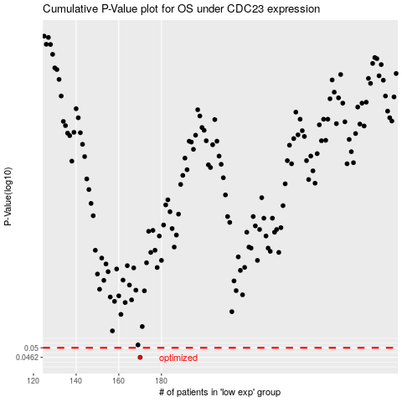

 |  |  |  |  |  | cases_OS | p_OS | rank | exp
 |  |  |  |  |  | 170 | 0.0462 | 385 | -0.33807699407
 |  |  |  |  |  |  | cases_RFS | p_RFS | rank | exp
 |  |  |  |  |  |  | 169 | 0.0462 | 8 | -0.34436059366

