CDC25A _multivariate
Reported by Tex Li-Hsing Chi. tex@gate.sinica.edu.tw 2019-08-21

Table 2. The clinicopathological features of HNSCC cohort and CDC25A expression. (Chi square test)
Cutoff at -0.118 (49.8%)
 |  | CDC25A expression |  | CDC25A expression |  | (Optimised)
 | Features | Low | (%) | High | (%) | Case no | P-value | Remark | Matthews
Gender | Female | 154 | 37.1 | 152 | 36.6 | 415 | 0.8463 | 0 | 0
2 | Male | 53 | 12.8 | 56 | 13.5
Age at diagnosis | <=65y | 139 | 33.5 | 135 | 32.5 | 415 | 0.7044 | 0 | 0
4 | >65y | 68 | 16.4 | 73 | 17.6
Clinical T Status | T1+T2 | 71 | 17.1 | 78 | 18.8 | 415 | 0.5638 | 0 | 0
6 | T3+T4 | 136 | 32.8 | 130 | 31.3
Clinical N Status | N0 | 107 | 25.8 | 109 | 26.3 | 415 | 0.9624 | 0 | 0
8 | N1-3 | 100 | 24.1 | 99 | 23.9
Clinical M Status | M0 | 206 | 49.6 | 206 | 49.6 | 415 | 1 | 0 | 0
10 | M1 | 1 | 0.2 | 2 | 0.5
Clinical Stage | Stage I+II | 52 | 12.5 | 50 | 12 | 415 | 0.8871 | 0 | 0
12 | Stage III+IV | 155 | 37.3 | 158 | 38.1
Surgical Margin status | Negative | 164 | 39.5 | 154 | 37.1 | 415 | 0.2462 | 0 | 0
14 | Positive | 43 | 10.4 | 54 | 13
Tobacco Exposure | Low | 79 | 19 | 82 | 19.8 | 415 | 0.8405 | 0 | 0
16 | High | 128 | 30.8 | 126 | 30.4

Table 3. Univariate/Multivariate Cox's proportional hazards regression analyses on OS time of CDC25A gene expression in HNSCC

 |  | Univariate |  |  |  | Multivariate
 | Features | HR | CI95%(L) | CI95%(H) | P-value | HR | CI95%(L) | CI95%(H) | P-value
1 | Female | 1 |  |  |  | 1
Gender | Male | 1.157 | 0.843 | 1.587 | 0.367 | 1.204 | 0.862 | 1.681 | 0.276
11 | <=65y | 1 |  |  |  | 1
Age at diagnosis | >65y | 1.329 | 0.99 | 1.784 | 0.058 | 1.406 | 1.033 | 1.912 | 0.03
12 | T1+T2 | 1 |  |  |  | 1
Clinical T Status | T3+T4 | 1.409 | 1.028 | 1.931 | 0.033 | 2.167 | 1.145 | 4.103 | 0.018
13 | N0 | 1 |  |  |  | 1
Clinical N Status | N1-3 | 1.185 | 0.89 | 1.577 | 0.246 | 1.234 | 0.864 | 1.76 | 0.247
14 | M0 | 1 |  |  |  | 1
Clinical M Status | M1 | 4.097 | 1.009 | 16.644 | 0.049 | 9.406 | 2.052 | 43.118 | 0.004
15 | Stage I+II | 1 |  |  |  | 1
Clinical Stage | Stage III+IV | 1.245 | 0.882 | 1.759 | 0.213 | 0.513 | 0.239 | 1.102 | 0.087
16 | Negative | 1 |  |  |  | 1
Surgical Margin status | Positive | 1.591 | 1.155 | 2.191 | 0.004 | 1.681 | 1.216 | 2.324 | 0.002
17 | Low | 1 |  |  |  | 1
Tobacco Exposure | High | 1.364 | 1.008 | 1.844 | 0.044 | 1.447 | 1.051 | 1.994 | 0.024
18 | Low | 1 |  |  |  | 1
RNAseq(z-score) | High | 0.896 | 0.672 | 1.194 | 0.452 | 0.887 | 0.664 | 1.186 | 0.419

Table 4. Univariate/Multivariate Cox's proportional hazards regression analyses on RFS time of CDC25A gene expression in HNSCC

 |  | Univariate |  |  |  | Multivariate
 | Features | HR | CI95%(L) | CI95%(H) | P-value | HR | CI95%(L) | CI95%(H) | P-value
1 | Female | 1 |  |  |  | 1
Gender | Male | 1.157 | 0.843 | 1.587 | 0.367 | 1.204 | 0.862 | 1.681 | 0.276
11 | <=65y | 1 |  |  |  | 1
Age at diagnosis | >65y | 1.329 | 0.99 | 1.784 | 0.058 | 1.406 | 1.033 | 1.912 | 0.03
12 | T1+T2 | 1 |  |  |  | 1
Clinical T Status | T3+T4 | 1.409 | 1.028 | 1.931 | 0.033 | 2.167 | 1.145 | 4.103 | 0.018
13 | N0 | 1 |  |  |  | 1
Clinical N Status | N1-3 | 1.185 | 0.89 | 1.577 | 0.246 | 1.234 | 0.864 | 1.76 | 0.247
14 | M0 | 1 |  |  |  | 1
Clinical M Status | M1 | 4.097 | 1.009 | 16.644 | 0.049 | 9.406 | 2.052 | 43.118 | 0.004
15 | Stage I+II | 1 |  |  |  | 1
Clinical Stage | Stage III+IV | 1.245 | 0.882 | 1.759 | 0.213 | 0.513 | 0.239 | 1.102 | 0.087
16 | Negative | 1 |  |  |  | 1
Surgical Margin status | Positive | 1.591 | 1.155 | 2.191 | 0.004 | 1.681 | 1.216 | 2.324 | 0.002
17 | Low | 1 |  |  |  | 1
Tobacco Exposure | High | 1.364 | 1.008 | 1.844 | 0.044 | 1.447 | 1.051 | 1.994 | 0.024
18 | Low | 1 |  |  |  | 1
RNAseq(z-score) | High | 0.896 | 0.672 | 1.194 | 0.452 | 0.887 | 0.664 | 1.186 | 0.419

Kaplan-Meier survival estimate: Cutoff at -0.118 (49.8%)



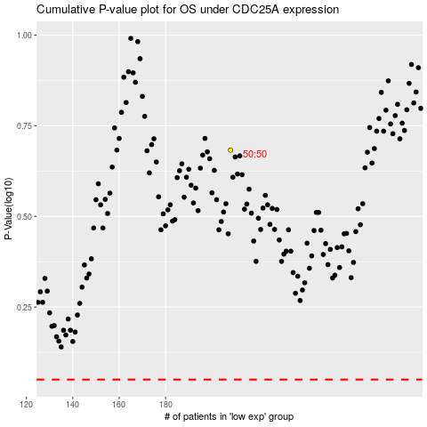

 |  |  |  |  |  | cases_OS | p_OS | rank | exp
 |  |  |  |  |  |  | cases_RFS | p_RFS | rank | exp

