CDC25B _multivariate
Reported by Tex Li-Hsing Chi. tex@gate.sinica.edu.tw 2019-08-21

Table 2. The clinicopathological features of HNSCC cohort and CDC25B expression. (Chi square test)
Cutoff at -0.151 (49.8%)
 |  | CDC25B expression |  | CDC25B expression |  | (Optimised)
 | Features | Low | (%) | High | (%) | Case no | P-value | Remark | Matthews
Gender | Female | 160 | 38.6 | 146 | 35.2 | 415 | 0.1254 | 0 | 0
2 | Male | 47 | 11.3 | 62 | 14.9
Age at diagnosis | <=65y | 135 | 32.5 | 139 | 33.5 | 415 | 0.8084 | 0 | 0
4 | >65y | 72 | 17.3 | 69 | 16.6
Clinical T Status | T1+T2 | 71 | 17.1 | 78 | 18.8 | 415 | 0.5638 | 0 | 0
6 | T3+T4 | 136 | 32.8 | 130 | 31.3
Clinical N Status | N0 | 106 | 25.5 | 110 | 26.5 | 415 | 0.8075 | 0 | 0
8 | N1-3 | 101 | 24.3 | 98 | 23.6
Clinical M Status | M0 | 207 | 49.9 | 205 | 49.4 | 415 | 0.2482 | 0 | 0
10 | M1 | 0 | 0 | 3 | 0.7
Clinical Stage | Stage I+II | 45 | 10.8 | 57 | 13.7 | 415 | 0.2202 | 0 | 0
12 | Stage III+IV | 162 | 39 | 151 | 36.4
Surgical Margin status | Negative | 160 | 38.6 | 158 | 38.1 | 415 | 0.8167 | 0 | 0
14 | Positive | 47 | 11.3 | 50 | 12
Tobacco Exposure | Low | 68 | 16.4 | 93 | 22.4 | 415 | 0.0156 | 1 | 0
16 | High | 139 | 33.5 | 115 | 27.7

Table 3. Univariate/Multivariate Cox's proportional hazards regression analyses on OS time of CDC25B gene expression in HNSCC

 |  | Univariate |  |  |  | Multivariate
 | Features | HR | CI95%(L) | CI95%(H) | P-value | HR | CI95%(L) | CI95%(H) | P-value
1 | Female | 1 |  |  |  | 1
Gender | Male | 1.157 | 0.843 | 1.587 | 0.367 | 1.198 | 0.857 | 1.675 | 0.29
11 | <=65y | 1 |  |  |  | 1
Age at diagnosis | >65y | 1.329 | 0.99 | 1.784 | 0.058 | 1.396 | 1.027 | 1.899 | 0.033
12 | T1+T2 | 1 |  |  |  | 1
Clinical T Status | T3+T4 | 1.409 | 1.028 | 1.931 | 0.033 | 2.181 | 1.153 | 4.123 | 0.016
13 | N0 | 1 |  |  |  | 1
Clinical N Status | N1-3 | 1.185 | 0.89 | 1.577 | 0.246 | 1.232 | 0.863 | 1.759 | 0.25
14 | M0 | 1 |  |  |  | 1
Clinical M Status | M1 | 4.097 | 1.009 | 16.644 | 0.049 | 8.788 | 1.9 | 40.636 | 0.005
15 | Stage I+II | 1 |  |  |  | 1
Clinical Stage | Stage III+IV | 1.245 | 0.882 | 1.759 | 0.213 | 0.517 | 0.24 | 1.113 | 0.092
16 | Negative | 1 |  |  |  | 1
Surgical Margin status | Positive | 1.591 | 1.155 | 2.191 | 0.004 | 1.647 | 1.19 | 2.28 | 0.003
17 | Low | 1 |  |  |  | 1
Tobacco Exposure | High | 1.364 | 1.008 | 1.844 | 0.044 | 1.482 | 1.071 | 2.051 | 0.018
18 | Low | 1 |  |  |  | 1
RNAseq(z-score) | High | 1.146 | 0.858 | 1.532 | 0.356 | 1.129 | 0.837 | 1.521 | 0.427

Table 4. Univariate/Multivariate Cox's proportional hazards regression analyses on RFS time of CDC25B gene expression in HNSCC

 |  | Univariate |  |  |  | Multivariate
 | Features | HR | CI95%(L) | CI95%(H) | P-value | HR | CI95%(L) | CI95%(H) | P-value
1 | Female | 1 |  |  |  | 1
Gender | Male | 1.157 | 0.843 | 1.587 | 0.367 | 1.198 | 0.857 | 1.675 | 0.29
11 | <=65y | 1 |  |  |  | 1
Age at diagnosis | >65y | 1.329 | 0.99 | 1.784 | 0.058 | 1.396 | 1.027 | 1.899 | 0.033
12 | T1+T2 | 1 |  |  |  | 1
Clinical T Status | T3+T4 | 1.409 | 1.028 | 1.931 | 0.033 | 2.181 | 1.153 | 4.123 | 0.016
13 | N0 | 1 |  |  |  | 1
Clinical N Status | N1-3 | 1.185 | 0.89 | 1.577 | 0.246 | 1.232 | 0.863 | 1.759 | 0.25
14 | M0 | 1 |  |  |  | 1
Clinical M Status | M1 | 4.097 | 1.009 | 16.644 | 0.049 | 8.788 | 1.9 | 40.636 | 0.005
15 | Stage I+II | 1 |  |  |  | 1
Clinical Stage | Stage III+IV | 1.245 | 0.882 | 1.759 | 0.213 | 0.517 | 0.24 | 1.113 | 0.092
16 | Negative | 1 |  |  |  | 1
Surgical Margin status | Positive | 1.591 | 1.155 | 2.191 | 0.004 | 1.647 | 1.19 | 2.28 | 0.003
17 | Low | 1 |  |  |  | 1
Tobacco Exposure | High | 1.364 | 1.008 | 1.844 | 0.044 | 1.482 | 1.071 | 2.051 | 0.018
18 | Low | 1 |  |  |  | 1
RNAseq(z-score) | High | 1.146 | 0.858 | 1.532 | 0.356 | 1.129 | 0.837 | 1.521 | 0.427

Kaplan-Meier survival estimate: Cutoff at -0.151 (49.8%)



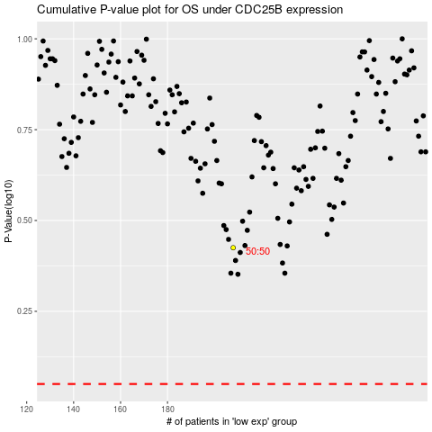

 |  |  |  |  |  | cases_OS | p_OS | rank | exp
 |  |  |  |  |  |  | cases_RFS | p_RFS | rank | exp

