CDC25C _multivariate
Reported by Tex Li-Hsing Chi. tex@gate.sinica.edu.tw 2019-08-21

Table 2. The clinicopathological features of HNSCC cohort and CDC25C expression. (Chi square test)
Cutoff at -0.509 (30.0%)
 |  | CDC25C expression |  | CDC25C expression |  | (Optimised)
 | Features | Low | (%) | High | (%) | Case no | P-value | Remark | Matthews
Gender | Female | 92 | 22.2 | 214 | 51.6 | 415 | 1 | 0 | 0
2 | Male | 33 | 8 | 76 | 18.3
Age at diagnosis | <=65y | 82 | 19.8 | 192 | 46.3 | 415 | 0.9946 | 0 | 0
4 | >65y | 43 | 10.4 | 98 | 23.6
Clinical T Status | T1+T2 | 39 | 9.4 | 110 | 26.5 | 415 | 0.2302 | 0 | 0
6 | T3+T4 | 86 | 20.7 | 180 | 43.4
Clinical N Status | N0 | 71 | 17.1 | 145 | 34.9 | 415 | 0.244 | 0 | 0
8 | N1-3 | 54 | 13 | 145 | 34.9
Clinical M Status | M0 | 125 | 30.1 | 287 | 69.2 | 415 | 0.5571 | 0 | 0
10 | M1 | 0 | 0 | 3 | 0.7
Clinical Stage | Stage I+II | 31 | 7.5 | 71 | 17.1 | 415 | 1 | 0 | 0
12 | Stage III+IV | 94 | 22.7 | 219 | 52.8
Surgical Margin status | Negative | 105 | 25.3 | 213 | 51.3 | 415 | 0.0226 | 1 | 0
14 | Positive | 20 | 4.8 | 77 | 18.6
Tobacco Exposure | Low | 57 | 13.7 | 104 | 25.1 | 415 | 0.0787 | 0 | 0
16 | High | 68 | 16.4 | 186 | 44.8

Table 3. Univariate/Multivariate Cox's proportional hazards regression analyses on OS time of CDC25C gene expression in HNSCC

 |  | Univariate |  |  |  | Multivariate
 | Features | HR | CI95%(L) | CI95%(H) | P-value | HR | CI95%(L) | CI95%(H) | P-value
1 | Female | 1 |  |  |  | 1
Gender | Male | 1.157 | 0.843 | 1.587 | 0.367 | 1.192 | 0.852 | 1.667 | 0.304
11 | <=65y | 1 |  |  |  | 1
Age at diagnosis | >65y | 1.329 | 0.99 | 1.784 | 0.058 | 1.361 | 1.001 | 1.851 | 0.049
12 | T1+T2 | 1 |  |  |  | 1
Clinical T Status | T3+T4 | 1.409 | 1.028 | 1.931 | 0.033 | 2.282 | 1.206 | 4.32 | 0.011
13 | N0 | 1 |  |  |  | 1
Clinical N Status | N1-3 | 1.185 | 0.89 | 1.577 | 0.246 | 1.205 | 0.844 | 1.72 | 0.305
14 | M0 | 1 |  |  |  | 1
Clinical M Status | M1 | 4.097 | 1.009 | 16.644 | 0.049 | 8.89 | 1.937 | 40.8 | 0.005
15 | Stage I+II | 1 |  |  |  | 1
Clinical Stage | Stage III+IV | 1.245 | 0.882 | 1.759 | 0.213 | 0.504 | 0.235 | 1.083 | 0.079
16 | Negative | 1 |  |  |  | 1
Surgical Margin status | Positive | 1.591 | 1.155 | 2.191 | 0.004 | 1.616 | 1.168 | 2.236 | 0.004
17 | Low | 1 |  |  |  | 1
Tobacco Exposure | High | 1.364 | 1.008 | 1.844 | 0.044 | 1.405 | 1.018 | 1.94 | 0.039
18 | Low | 1 |  |  |  | 1
RNAseq(z-score) | High | 1.491 | 1.069 | 2.081 | 0.019 | 1.378 | 0.981 | 1.936 | 0.064

Table 4. Univariate/Multivariate Cox's proportional hazards regression analyses on RFS time of CDC25C gene expression in HNSCC

 |  | Univariate |  |  |  | Multivariate
 | Features | HR | CI95%(L) | CI95%(H) | P-value | HR | CI95%(L) | CI95%(H) | P-value
1 | Female | 1 |  |  |  | 1
Gender | Male | 1.157 | 0.843 | 1.587 | 0.367 | 1.192 | 0.852 | 1.667 | 0.304
11 | <=65y | 1 |  |  |  | 1
Age at diagnosis | >65y | 1.329 | 0.99 | 1.784 | 0.058 | 1.361 | 1.001 | 1.851 | 0.049
12 | T1+T2 | 1 |  |  |  | 1
Clinical T Status | T3+T4 | 1.409 | 1.028 | 1.931 | 0.033 | 2.282 | 1.206 | 4.32 | 0.011
13 | N0 | 1 |  |  |  | 1
Clinical N Status | N1-3 | 1.185 | 0.89 | 1.577 | 0.246 | 1.205 | 0.844 | 1.72 | 0.305
14 | M0 | 1 |  |  |  | 1
Clinical M Status | M1 | 4.097 | 1.009 | 16.644 | 0.049 | 8.89 | 1.937 | 40.8 | 0.005
15 | Stage I+II | 1 |  |  |  | 1
Clinical Stage | Stage III+IV | 1.245 | 0.882 | 1.759 | 0.213 | 0.504 | 0.235 | 1.083 | 0.079
16 | Negative | 1 |  |  |  | 1
Surgical Margin status | Positive | 1.591 | 1.155 | 2.191 | 0.004 | 1.616 | 1.168 | 2.236 | 0.004
17 | Low | 1 |  |  |  | 1
Tobacco Exposure | High | 1.364 | 1.008 | 1.844 | 0.044 | 1.405 | 1.018 | 1.94 | 0.039
18 | Low | 1 |  |  |  | 1
RNAseq(z-score) | High | 1.491 | 1.069 | 2.081 | 0.019 | 1.378 | 0.981 | 1.936 | 0.064

Kaplan-Meier survival estimate: Cutoff at -0.509 (30.0%)

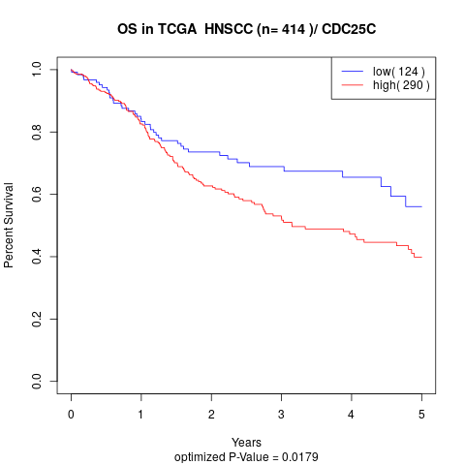

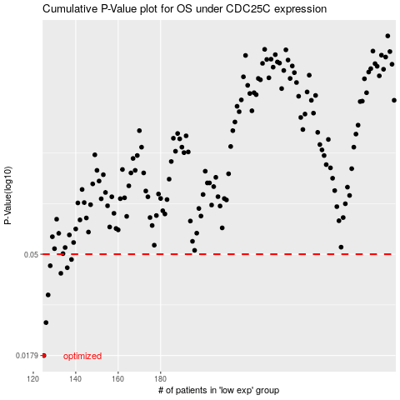

 |  |  |  |  |  | cases_OS | p_OS | rank | exp
 |  |  |  |  |  | 125 | 0.0179 | 69 | -0.50894465134
 |  |  |  |  |  | 126 | 0.025 | 176 | -0.50643742885
 |  |  |  |  |  | 127 | 0.0331 | 302 | -0.50161677436
 |  |  |  |  |  | 133 | 0.0412 | 215 | -0.48764902302
 |  |  |  |  |  | 136 | 0.0436 | 285 | -0.48265312258
 |  |  |  |  |  | 128 | 0.0445 | 97 | -0.49798575244
 |  |  |  |  |  | 138 | 0.0474 | 48 | -0.4803675074
 |  |  |  |  |  |  | cases_RFS | p_RFS | rank | exp
 |  |  |  |  |  |  |  | 0.0179 | 187 | -0.51425302736
 |  |  |  |  |  |  | 125 | 0.025 | 69 | -0.50894465134
 |  |  |  |  |  |  | 126 | 0.0331 | 176 | -0.50643742885
 |  |  |  |  |  |  | 132 | 0.0412 | 183 | -0.48900092035
 |  |  |  |  |  |  | 135 | 0.0436 | 84 | -0.48381864724
 |  |  |  |  |  |  | 127 | 0.0445 | 302 | -0.50161677436
 |  |  |  |  |  |  | 137 | 0.0474 | 122 | -0.48138282124

