CDC26 _multivariate
Reported by Tex Li-Hsing Chi. tex@gate.sinica.edu.tw 2019-08-21

Table 2. The clinicopathological features of HNSCC cohort and CDC26 expression. (Chi square test)
Cutoff at -0.15 (49.8%)
 |  | CDC26 expression |  | CDC26 expression |  | (Optimised)
 | Features | Low | (%) | High | (%) | Case no | P-value | Remark | Matthews
Gender | Female | 145 | 34.9 | 161 | 38.8 | 415 | 0.1116 | 0 | 0
2 | Male | 62 | 14.9 | 47 | 11.3
Age at diagnosis | <=65y | 132 | 31.8 | 142 | 34.2 | 415 | 0.3874 | 0 | 0
4 | >65y | 75 | 18.1 | 66 | 15.9
Clinical T Status | T1+T2 | 69 | 16.6 | 80 | 19.3 | 415 | 0.3239 | 0 | 0
6 | T3+T4 | 138 | 33.3 | 128 | 30.8
Clinical N Status | N0 | 115 | 27.7 | 101 | 24.3 | 415 | 0.184 | 1 | 0
8 | N1-3 | 92 | 22.2 | 107 | 25.8
Clinical M Status | M0 | 207 | 49.9 | 205 | 49.4 | 415 | 0.2482 | 0 | 0
10 | M1 | 0 | 0 | 3 | 0.7
Clinical Stage | Stage I+II | 53 | 12.8 | 49 | 11.8 | 415 | 0.7113 | 0 | 0
12 | Stage III+IV | 154 | 37.1 | 159 | 38.3
Surgical Margin status | Negative | 164 | 39.5 | 154 | 37.1 | 415 | 0.2462 | 0 | 0
14 | Positive | 43 | 10.4 | 54 | 13
Tobacco Exposure | Low | 87 | 21 | 74 | 17.8 | 415 | 0.1911 | 0 | 0
16 | High | 120 | 28.9 | 134 | 32.3

Table 3. Univariate/Multivariate Cox's proportional hazards regression analyses on OS time of CDC26 gene expression in HNSCC

 |  | Univariate |  |  |  | Multivariate
 | Features | HR | CI95%(L) | CI95%(H) | P-value | HR | CI95%(L) | CI95%(H) | P-value
1 | Female | 1 |  |  |  | 1
Gender | Male | 1.157 | 0.843 | 1.587 | 0.367 | 1.206 | 0.861 | 1.687 | 0.275
11 | <=65y | 1 |  |  |  | 1
Age at diagnosis | >65y | 1.329 | 0.99 | 1.784 | 0.058 | 1.391 | 1.023 | 1.891 | 0.035
12 | T1+T2 | 1 |  |  |  | 1
Clinical T Status | T3+T4 | 1.409 | 1.028 | 1.931 | 0.033 | 2.209 | 1.168 | 4.181 | 0.015
13 | N0 | 1 |  |  |  | 1
Clinical N Status | N1-3 | 1.185 | 0.89 | 1.577 | 0.246 | 1.24 | 0.869 | 1.769 | 0.235
14 | M0 | 1 |  |  |  | 1
Clinical M Status | M1 | 4.097 | 1.009 | 16.644 | 0.049 | 9.304 | 2.021 | 42.822 | 0.004
15 | Stage I+II | 1 |  |  |  | 1
Clinical Stage | Stage III+IV | 1.245 | 0.882 | 1.759 | 0.213 | 0.504 | 0.235 | 1.082 | 0.079
16 | Negative | 1 |  |  |  | 1
Surgical Margin status | Positive | 1.591 | 1.155 | 2.191 | 0.004 | 1.667 | 1.205 | 2.306 | 0.002
17 | Low | 1 |  |  |  | 1
Tobacco Exposure | High | 1.364 | 1.008 | 1.844 | 0.044 | 1.451 | 1.053 | 2 | 0.023
18 | Low | 1 |  |  |  | 1
RNAseq(z-score) | High | 1.035 | 0.777 | 1.378 | 0.814 | 1.029 | 0.768 | 1.379 | 0.849

Table 4. Univariate/Multivariate Cox's proportional hazards regression analyses on RFS time of CDC26 gene expression in HNSCC

 |  | Univariate |  |  |  | Multivariate
 | Features | HR | CI95%(L) | CI95%(H) | P-value | HR | CI95%(L) | CI95%(H) | P-value
1 | Female | 1 |  |  |  | 1
Gender | Male | 1.157 | 0.843 | 1.587 | 0.367 | 1.206 | 0.861 | 1.687 | 0.275
11 | <=65y | 1 |  |  |  | 1
Age at diagnosis | >65y | 1.329 | 0.99 | 1.784 | 0.058 | 1.391 | 1.023 | 1.891 | 0.035
12 | T1+T2 | 1 |  |  |  | 1
Clinical T Status | T3+T4 | 1.409 | 1.028 | 1.931 | 0.033 | 2.209 | 1.168 | 4.181 | 0.015
13 | N0 | 1 |  |  |  | 1
Clinical N Status | N1-3 | 1.185 | 0.89 | 1.577 | 0.246 | 1.24 | 0.869 | 1.769 | 0.235
14 | M0 | 1 |  |  |  | 1
Clinical M Status | M1 | 4.097 | 1.009 | 16.644 | 0.049 | 9.304 | 2.021 | 42.822 | 0.004
15 | Stage I+II | 1 |  |  |  | 1
Clinical Stage | Stage III+IV | 1.245 | 0.882 | 1.759 | 0.213 | 0.504 | 0.235 | 1.082 | 0.079
16 | Negative | 1 |  |  |  | 1
Surgical Margin status | Positive | 1.591 | 1.155 | 2.191 | 0.004 | 1.667 | 1.205 | 2.306 | 0.002
17 | Low | 1 |  |  |  | 1
Tobacco Exposure | High | 1.364 | 1.008 | 1.844 | 0.044 | 1.451 | 1.053 | 2 | 0.023
18 | Low | 1 |  |  |  | 1
RNAseq(z-score) | High | 1.035 | 0.777 | 1.378 | 0.814 | 1.029 | 0.768 | 1.379 | 0.849

Kaplan-Meier survival estimate: Cutoff at -0.15 (49.8%)



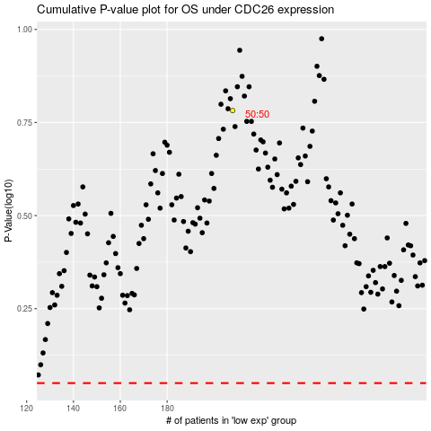

 |  |  |  |  |  | cases_OS | p_OS | rank | exp
 |  |  |  |  |  |  | cases_RFS | p_RFS | rank | exp

