CDC34 _multivariate
Reported by Tex Li-Hsing Chi. tex@gate.sinica.edu.tw 2019-08-21

Table 2. The clinicopathological features of HNSCC cohort and CDC34 expression. (Chi square test)
Cutoff at -0.008 (64.0%)
 |  | CDC34 expression |  | CDC34 expression |  | (Optimised)
 | Features | Low | (%) | High | (%) | Case no | P-value | Remark | Matthews
Gender | Female | 188 | 45.3 | 118 | 28.4 | 415 | 0.1093 | 0 | 0
2 | Male | 77 | 18.6 | 32 | 7.7
Age at diagnosis | <=65y | 176 | 42.4 | 98 | 23.6 | 415 | 0.9079 | 0 | 0
4 | >65y | 89 | 21.4 | 52 | 12.5
Clinical T Status | T1+T2 | 103 | 24.8 | 46 | 11.1 | 415 | 0.1172 | 0 | 0
6 | T3+T4 | 162 | 39 | 104 | 25.1
Clinical N Status | N0 | 141 | 34 | 75 | 18.1 | 415 | 0.5988 | 0 | 0
8 | N1-3 | 124 | 29.9 | 75 | 18.1
Clinical M Status | M0 | 263 | 63.4 | 149 | 35.9 | 415 | 1 | 0 | 0
10 | M1 | 2 | 0.5 | 1 | 0.2
Clinical Stage | Stage I+II | 70 | 16.9 | 32 | 7.7 | 415 | 0.3 | 0 | 0
12 | Stage III+IV | 195 | 47 | 118 | 28.4
Surgical Margin status | Negative | 206 | 49.6 | 112 | 27 | 415 | 0.4722 | 0 | 0
14 | Positive | 59 | 14.2 | 38 | 9.2
Tobacco Exposure | Low | 107 | 25.8 | 54 | 13 | 415 | 0.4028 | 0 | 0
16 | High | 158 | 38.1 | 96 | 23.1

Table 3. Univariate/Multivariate Cox's proportional hazards regression analyses on OS time of CDC34 gene expression in HNSCC

 |  | Univariate |  |  |  | Multivariate
 | Features | HR | CI95%(L) | CI95%(H) | P-value | HR | CI95%(L) | CI95%(H) | P-value
1 | Female | 1 |  |  |  | 1
Gender | Male | 1.157 | 0.843 | 1.587 | 0.367 | 1.212 | 0.866 | 1.696 | 0.262
11 | <=65y | 1 |  |  |  | 1
Age at diagnosis | >65y | 1.329 | 0.99 | 1.784 | 0.058 | 1.369 | 1.007 | 1.861 | 0.045
12 | T1+T2 | 1 |  |  |  | 1
Clinical T Status | T3+T4 | 1.409 | 1.028 | 1.931 | 0.033 | 2.162 | 1.144 | 4.087 | 0.018
13 | N0 | 1 |  |  |  | 1
Clinical N Status | N1-3 | 1.185 | 0.89 | 1.577 | 0.246 | 1.224 | 0.858 | 1.747 | 0.265
14 | M0 | 1 |  |  |  | 1
Clinical M Status | M1 | 4.097 | 1.009 | 16.644 | 0.049 | 9.15 | 1.995 | 41.967 | 0.004
15 | Stage I+II | 1 |  |  |  | 1
Clinical Stage | Stage III+IV | 1.245 | 0.882 | 1.759 | 0.213 | 0.514 | 0.24 | 1.105 | 0.088
16 | Negative | 1 |  |  |  | 1
Surgical Margin status | Positive | 1.591 | 1.155 | 2.191 | 0.004 | 1.642 | 1.188 | 2.27 | 0.003
17 | Low | 1 |  |  |  | 1
Tobacco Exposure | High | 1.364 | 1.008 | 1.844 | 0.044 | 1.436 | 1.042 | 1.978 | 0.027
18 | Low | 1 |  |  |  | 1
RNAseq(z-score) | High | 1.34 | 0.999 | 1.797 | 0.051 | 1.229 | 0.914 | 1.654 | 0.173

Table 4. Univariate/Multivariate Cox's proportional hazards regression analyses on RFS time of CDC34 gene expression in HNSCC

 |  | Univariate |  |  |  | Multivariate
 | Features | HR | CI95%(L) | CI95%(H) | P-value | HR | CI95%(L) | CI95%(H) | P-value
1 | Female | 1 |  |  |  | 1
Gender | Male | 1.157 | 0.843 | 1.587 | 0.367 | 1.212 | 0.866 | 1.696 | 0.262
11 | <=65y | 1 |  |  |  | 1
Age at diagnosis | >65y | 1.329 | 0.99 | 1.784 | 0.058 | 1.369 | 1.007 | 1.861 | 0.045
12 | T1+T2 | 1 |  |  |  | 1
Clinical T Status | T3+T4 | 1.409 | 1.028 | 1.931 | 0.033 | 2.162 | 1.144 | 4.087 | 0.018
13 | N0 | 1 |  |  |  | 1
Clinical N Status | N1-3 | 1.185 | 0.89 | 1.577 | 0.246 | 1.224 | 0.858 | 1.747 | 0.265
14 | M0 | 1 |  |  |  | 1
Clinical M Status | M1 | 4.097 | 1.009 | 16.644 | 0.049 | 9.15 | 1.995 | 41.967 | 0.004
15 | Stage I+II | 1 |  |  |  | 1
Clinical Stage | Stage III+IV | 1.245 | 0.882 | 1.759 | 0.213 | 0.514 | 0.24 | 1.105 | 0.088
16 | Negative | 1 |  |  |  | 1
Surgical Margin status | Positive | 1.591 | 1.155 | 2.191 | 0.004 | 1.642 | 1.188 | 2.27 | 0.003
17 | Low | 1 |  |  |  | 1
Tobacco Exposure | High | 1.364 | 1.008 | 1.844 | 0.044 | 1.436 | 1.042 | 1.978 | 0.027
18 | Low | 1 |  |  |  | 1
RNAseq(z-score) | High | 1.34 | 0.999 | 1.797 | 0.051 | 1.229 | 0.914 | 1.654 | 0.173

Kaplan-Meier survival estimate: Cutoff at -0.008 (64.0%)



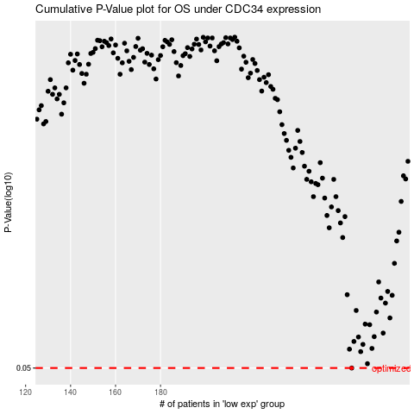

 |  |  |  |  |  | cases_OS | p_OS | rank | exp
 |  |  |  |  |  | 265 | 0.05 | 176 | -0.0077625454883
 |  |  |  |  |  |  | cases_RFS | p_RFS | rank | exp
 |  |  |  |  |  |  | 264 | 0.05 | 47 | -0.011514829222

