CDC37L1 _multivariate
Reported by Tex Li-Hsing Chi. tex@gate.sinica.edu.tw 2019-08-21

Table 2. The clinicopathological features of HNSCC cohort and CDC37L1 expression. (Chi square test)
Cutoff at -0.273 (50.0%)
 |  | CDC37L1 expression |  | CDC37L1 expression |  | (Optimised)
 | Features | Low | (%) | High | (%) | Case no | P-value | Remark | Matthews
Gender | Female | 165 | 39.8 | 141 | 34 | 415 | 0.0081 | 1 | 0
2 | Male | 42 | 10.1 | 67 | 16.1
Age at diagnosis | <=65y | 144 | 34.7 | 130 | 31.3 | 415 | 0.1568 | 0 | 0
4 | >65y | 63 | 15.2 | 78 | 18.8
Clinical T Status | T1+T2 | 72 | 17.3 | 77 | 18.6 | 415 | 0.7095 | 0 | 0
6 | T3+T4 | 135 | 32.5 | 131 | 31.6
Clinical N Status | N0 | 105 | 25.3 | 111 | 26.7 | 415 | 0.6598 | 0 | 0
8 | N1-3 | 102 | 24.6 | 97 | 23.4
Clinical M Status | M0 | 205 | 49.4 | 207 | 49.9 | 415 | 0.6232 | 0 | 0
10 | M1 | 2 | 0.5 | 1 | 0.2
Clinical Stage | Stage I+II | 43 | 10.4 | 59 | 14.2 | 415 | 0.0925 | 0 | 0
12 | Stage III+IV | 164 | 39.5 | 149 | 35.9
Surgical Margin status | Negative | 161 | 38.8 | 157 | 37.8 | 415 | 0.6429 | 0 | 0
14 | Positive | 46 | 11.1 | 51 | 12.3
Tobacco Exposure | Low | 68 | 16.4 | 93 | 22.4 | 415 | 0.0156 | 1 | 0
16 | High | 139 | 33.5 | 115 | 27.7

Table 3. Univariate/Multivariate Cox's proportional hazards regression analyses on OS time of CDC37L1 gene expression in HNSCC

 |  | Univariate |  |  |  | Multivariate
 | Features | HR | CI95%(L) | CI95%(H) | P-value | HR | CI95%(L) | CI95%(H) | P-value
1 | Female | 1 |  |  |  | 1
Gender | Male | 1.157 | 0.843 | 1.587 | 0.367 | 1.178 | 0.843 | 1.647 | 0.337
11 | <=65y | 1 |  |  |  | 1
Age at diagnosis | >65y | 1.329 | 0.99 | 1.784 | 0.058 | 1.363 | 1.001 | 1.855 | 0.049
12 | T1+T2 | 1 |  |  |  | 1
Clinical T Status | T3+T4 | 1.409 | 1.028 | 1.931 | 0.033 | 2.082 | 1.096 | 3.958 | 0.025
13 | N0 | 1 |  |  |  | 1
Clinical N Status | N1-3 | 1.185 | 0.89 | 1.577 | 0.246 | 1.21 | 0.847 | 1.727 | 0.295
14 | M0 | 1 |  |  |  | 1
Clinical M Status | M1 | 4.097 | 1.009 | 16.644 | 0.049 | 9.516 | 2.076 | 43.616 | 0.004
15 | Stage I+II | 1 |  |  |  | 1
Clinical Stage | Stage III+IV | 1.245 | 0.882 | 1.759 | 0.213 | 0.556 | 0.256 | 1.206 | 0.137
16 | Negative | 1 |  |  |  | 1
Surgical Margin status | Positive | 1.591 | 1.155 | 2.191 | 0.004 | 1.639 | 1.185 | 2.266 | 0.003
17 | Low | 1 |  |  |  | 1
Tobacco Exposure | High | 1.364 | 1.008 | 1.844 | 0.044 | 1.489 | 1.079 | 2.055 | 0.015
18 | Low | 1 |  |  |  | 1
RNAseq(z-score) | High | 1.284 | 0.96 | 1.718 | 0.092 | 1.246 | 0.92 | 1.689 | 0.155

Table 4. Univariate/Multivariate Cox's proportional hazards regression analyses on RFS time of CDC37L1 gene expression in HNSCC

 |  | Univariate |  |  |  | Multivariate
 | Features | HR | CI95%(L) | CI95%(H) | P-value | HR | CI95%(L) | CI95%(H) | P-value
1 | Female | 1 |  |  |  | 1
Gender | Male | 1.157 | 0.843 | 1.587 | 0.367 | 1.178 | 0.843 | 1.647 | 0.337
11 | <=65y | 1 |  |  |  | 1
Age at diagnosis | >65y | 1.329 | 0.99 | 1.784 | 0.058 | 1.363 | 1.001 | 1.855 | 0.049
12 | T1+T2 | 1 |  |  |  | 1
Clinical T Status | T3+T4 | 1.409 | 1.028 | 1.931 | 0.033 | 2.082 | 1.096 | 3.958 | 0.025
13 | N0 | 1 |  |  |  | 1
Clinical N Status | N1-3 | 1.185 | 0.89 | 1.577 | 0.246 | 1.21 | 0.847 | 1.727 | 0.295
14 | M0 | 1 |  |  |  | 1
Clinical M Status | M1 | 4.097 | 1.009 | 16.644 | 0.049 | 9.516 | 2.076 | 43.616 | 0.004
15 | Stage I+II | 1 |  |  |  | 1
Clinical Stage | Stage III+IV | 1.245 | 0.882 | 1.759 | 0.213 | 0.556 | 0.256 | 1.206 | 0.137
16 | Negative | 1 |  |  |  | 1
Surgical Margin status | Positive | 1.591 | 1.155 | 2.191 | 0.004 | 1.639 | 1.185 | 2.266 | 0.003
17 | Low | 1 |  |  |  | 1
Tobacco Exposure | High | 1.364 | 1.008 | 1.844 | 0.044 | 1.489 | 1.079 | 2.055 | 0.015
18 | Low | 1 |  |  |  | 1
RNAseq(z-score) | High | 1.284 | 0.96 | 1.718 | 0.092 | 1.246 | 0.92 | 1.689 | 0.155

Kaplan-Meier survival estimate: Cutoff at -0.273 (50.0%)



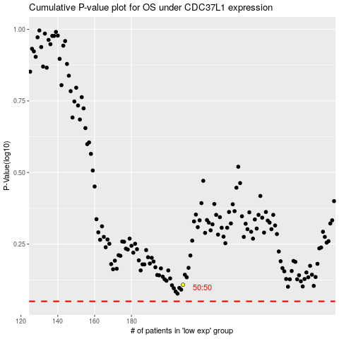

 |  |  |  |  |  | cases_OS | p_OS | rank | exp
 |  |  |  |  |  |  | cases_RFS | p_RFS | rank | exp

