CDC42 _multivariate
Reported by Tex Li-Hsing Chi. tex@gate.sinica.edu.tw 2019-08-21

Table 2. The clinicopathological features of HNSCC cohort and CDC42 expression. (Chi square test)
Cutoff at -0.079 (50.0%)
 |  | CDC42 expression |  | CDC42 expression |  | (Optimised)
 | Features | Low | (%) | High | (%) | Case no | P-value | Remark | Matthews
Gender | Female | 163 | 39.3 | 143 | 34.5 | 415 | 0.0277 | 1 | 0
2 | Male | 44 | 10.6 | 65 | 15.7
Age at diagnosis | <=65y | 145 | 34.9 | 129 | 31.1 | 415 | 0.1046 | 0 | 0
4 | >65y | 62 | 14.9 | 79 | 19
Clinical T Status | T1+T2 | 72 | 17.3 | 77 | 18.6 | 415 | 0.7095 | 0 | 0
6 | T3+T4 | 135 | 32.5 | 131 | 31.6
Clinical N Status | N0 | 102 | 24.6 | 114 | 27.5 | 415 | 0.3031 | 0 | 0
8 | N1-3 | 105 | 25.3 | 94 | 22.7
Clinical M Status | M0 | 205 | 49.4 | 207 | 49.9 | 415 | 0.6232 | 0 | 0
10 | M1 | 2 | 0.5 | 1 | 0.2
Clinical Stage | Stage I+II | 46 | 11.1 | 56 | 13.5 | 415 | 0.3182 | 0 | 0
12 | Stage III+IV | 161 | 38.8 | 152 | 36.6
Surgical Margin status | Negative | 159 | 38.3 | 159 | 38.3 | 415 | 1 | 0 | 0
14 | Positive | 48 | 11.6 | 49 | 11.8
Tobacco Exposure | Low | 65 | 15.7 | 96 | 23.1 | 415 | 0.0025 | 1 | 0
16 | High | 142 | 34.2 | 112 | 27

Table 3. Univariate/Multivariate Cox's proportional hazards regression analyses on OS time of CDC42 gene expression in HNSCC

 |  | Univariate |  |  |  | Multivariate
 | Features | HR | CI95%(L) | CI95%(H) | P-value | HR | CI95%(L) | CI95%(H) | P-value
1 | Female | 1 |  |  |  | 1
Gender | Male | 1.157 | 0.843 | 1.587 | 0.367 | 1.186 | 0.849 | 1.658 | 0.318
11 | <=65y | 1 |  |  |  | 1
Age at diagnosis | >65y | 1.329 | 0.99 | 1.784 | 0.058 | 1.379 | 1.014 | 1.876 | 0.04
12 | T1+T2 | 1 |  |  |  | 1
Clinical T Status | T3+T4 | 1.409 | 1.028 | 1.931 | 0.033 | 2.198 | 1.162 | 4.156 | 0.015
13 | N0 | 1 |  |  |  | 1
Clinical N Status | N1-3 | 1.185 | 0.89 | 1.577 | 0.246 | 1.24 | 0.869 | 1.769 | 0.235
14 | M0 | 1 |  |  |  | 1
Clinical M Status | M1 | 4.097 | 1.009 | 16.644 | 0.049 | 9.491 | 2.07 | 43.52 | 0.004
15 | Stage I+II | 1 |  |  |  | 1
Clinical Stage | Stage III+IV | 1.245 | 0.882 | 1.759 | 0.213 | 0.508 | 0.237 | 1.089 | 0.082
16 | Negative | 1 |  |  |  | 1
Surgical Margin status | Positive | 1.591 | 1.155 | 2.191 | 0.004 | 1.681 | 1.216 | 2.324 | 0.002
17 | Low | 1 |  |  |  | 1
Tobacco Exposure | High | 1.364 | 1.008 | 1.844 | 0.044 | 1.478 | 1.07 | 2.041 | 0.018
18 | Low | 1 |  |  |  | 1
RNAseq(z-score) | High | 1.104 | 0.828 | 1.472 | 0.502 | 1.146 | 0.855 | 1.537 | 0.361

Table 4. Univariate/Multivariate Cox's proportional hazards regression analyses on RFS time of CDC42 gene expression in HNSCC

 |  | Univariate |  |  |  | Multivariate
 | Features | HR | CI95%(L) | CI95%(H) | P-value | HR | CI95%(L) | CI95%(H) | P-value
1 | Female | 1 |  |  |  | 1
Gender | Male | 1.157 | 0.843 | 1.587 | 0.367 | 1.186 | 0.849 | 1.658 | 0.318
11 | <=65y | 1 |  |  |  | 1
Age at diagnosis | >65y | 1.329 | 0.99 | 1.784 | 0.058 | 1.379 | 1.014 | 1.876 | 0.04
12 | T1+T2 | 1 |  |  |  | 1
Clinical T Status | T3+T4 | 1.409 | 1.028 | 1.931 | 0.033 | 2.198 | 1.162 | 4.156 | 0.015
13 | N0 | 1 |  |  |  | 1
Clinical N Status | N1-3 | 1.185 | 0.89 | 1.577 | 0.246 | 1.24 | 0.869 | 1.769 | 0.235
14 | M0 | 1 |  |  |  | 1
Clinical M Status | M1 | 4.097 | 1.009 | 16.644 | 0.049 | 9.491 | 2.07 | 43.52 | 0.004
15 | Stage I+II | 1 |  |  |  | 1
Clinical Stage | Stage III+IV | 1.245 | 0.882 | 1.759 | 0.213 | 0.508 | 0.237 | 1.089 | 0.082
16 | Negative | 1 |  |  |  | 1
Surgical Margin status | Positive | 1.591 | 1.155 | 2.191 | 0.004 | 1.681 | 1.216 | 2.324 | 0.002
17 | Low | 1 |  |  |  | 1
Tobacco Exposure | High | 1.364 | 1.008 | 1.844 | 0.044 | 1.478 | 1.07 | 2.041 | 0.018
18 | Low | 1 |  |  |  | 1
RNAseq(z-score) | High | 1.104 | 0.828 | 1.472 | 0.502 | 1.146 | 0.855 | 1.537 | 0.361

Kaplan-Meier survival estimate: Cutoff at -0.079 (50.0%)



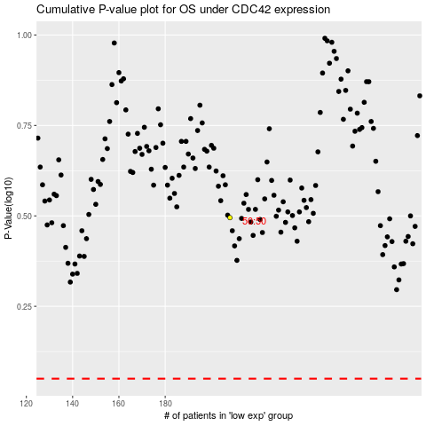

 |  |  |  |  |  | cases_OS | p_OS | rank | exp
 |  |  |  |  |  |  | cases_RFS | p_RFS | rank | exp

