CDC42BPA _multivariate
Reported by Tex Li-Hsing Chi. tex@gate.sinica.edu.tw 2019-08-21

Table 2. The clinicopathological features of HNSCC cohort and CDC42BPA expression. (Chi square test)
Cutoff at -0.129 (50.0%)
 |  | CDC42BPA expression |  | CDC42BPA expression |  | (Optimised)
 | Features | Low | (%) | High | (%) | Case no | P-value | Remark | Matthews
Gender | Female | 153 | 36.9 | 153 | 36.9 | 415 | 1 | 0 | 0
2 | Male | 54 | 13 | 55 | 13.3
Age at diagnosis | <=65y | 141 | 34 | 133 | 32 | 415 | 0.4272 | 0 | 0
4 | >65y | 66 | 15.9 | 75 | 18.1
Clinical T Status | T1+T2 | 76 | 18.3 | 73 | 17.6 | 415 | 0.8092 | 0 | 0
6 | T3+T4 | 131 | 31.6 | 135 | 32.5
Clinical N Status | N0 | 106 | 25.5 | 110 | 26.5 | 415 | 0.8075 | 0 | 0
8 | N1-3 | 101 | 24.3 | 98 | 23.6
Clinical M Status | M0 | 204 | 49.2 | 208 | 50.1 | 415 | 0.1232 | 0 | 0
10 | M1 | 3 | 0.7 | 0 | 0
Clinical Stage | Stage I+II | 52 | 12.5 | 50 | 12 | 415 | 0.8871 | 0 | 0
12 | Stage III+IV | 155 | 37.3 | 158 | 38.1
Surgical Margin status | Negative | 156 | 37.6 | 162 | 39 | 415 | 0.5636 | 0 | 0
14 | Positive | 51 | 12.3 | 46 | 11.1
Tobacco Exposure | Low | 85 | 20.5 | 76 | 18.3 | 415 | 0.3655 | 0 | 0
16 | High | 122 | 29.4 | 132 | 31.8

Table 3. Univariate/Multivariate Cox's proportional hazards regression analyses on OS time of CDC42BPA gene expression in HNSCC

 |  | Univariate |  |  |  | Multivariate
 | Features | HR | CI95%(L) | CI95%(H) | P-value | HR | CI95%(L) | CI95%(H) | P-value
1 | Female | 1 |  |  |  | 1
Gender | Male | 1.157 | 0.843 | 1.587 | 0.367 | 1.211 | 0.867 | 1.691 | 0.262
11 | <=65y | 1 |  |  |  | 1
Age at diagnosis | >65y | 1.329 | 0.99 | 1.784 | 0.058 | 1.383 | 1.018 | 1.879 | 0.038
12 | T1+T2 | 1 |  |  |  | 1
Clinical T Status | T3+T4 | 1.409 | 1.028 | 1.931 | 0.033 | 2.236 | 1.182 | 4.229 | 0.013
13 | N0 | 1 |  |  |  | 1
Clinical N Status | N1-3 | 1.185 | 0.89 | 1.577 | 0.246 | 1.239 | 0.868 | 1.768 | 0.238
14 | M0 | 1 |  |  |  | 1
Clinical M Status | M1 | 4.097 | 1.009 | 16.644 | 0.049 | 10.663 | 2.3 | 49.429 | 0.002
15 | Stage I+II | 1 |  |  |  | 1
Clinical Stage | Stage III+IV | 1.245 | 0.882 | 1.759 | 0.213 | 0.497 | 0.232 | 1.068 | 0.073
16 | Negative | 1 |  |  |  | 1
Surgical Margin status | Positive | 1.591 | 1.155 | 2.191 | 0.004 | 1.706 | 1.233 | 2.36 | 0.001
17 | Low | 1 |  |  |  | 1
Tobacco Exposure | High | 1.364 | 1.008 | 1.844 | 0.044 | 1.428 | 1.037 | 1.968 | 0.029
18 | Low | 1 |  |  |  | 1
RNAseq(z-score) | High | 1.187 | 0.889 | 1.585 | 0.246 | 1.234 | 0.92 | 1.655 | 0.161

Table 4. Univariate/Multivariate Cox's proportional hazards regression analyses on RFS time of CDC42BPA gene expression in HNSCC

 |  | Univariate |  |  |  | Multivariate
 | Features | HR | CI95%(L) | CI95%(H) | P-value | HR | CI95%(L) | CI95%(H) | P-value
1 | Female | 1 |  |  |  | 1
Gender | Male | 1.157 | 0.843 | 1.587 | 0.367 | 1.211 | 0.867 | 1.691 | 0.262
11 | <=65y | 1 |  |  |  | 1
Age at diagnosis | >65y | 1.329 | 0.99 | 1.784 | 0.058 | 1.383 | 1.018 | 1.879 | 0.038
12 | T1+T2 | 1 |  |  |  | 1
Clinical T Status | T3+T4 | 1.409 | 1.028 | 1.931 | 0.033 | 2.236 | 1.182 | 4.229 | 0.013
13 | N0 | 1 |  |  |  | 1
Clinical N Status | N1-3 | 1.185 | 0.89 | 1.577 | 0.246 | 1.239 | 0.868 | 1.768 | 0.238
14 | M0 | 1 |  |  |  | 1
Clinical M Status | M1 | 4.097 | 1.009 | 16.644 | 0.049 | 10.663 | 2.3 | 49.429 | 0.002
15 | Stage I+II | 1 |  |  |  | 1
Clinical Stage | Stage III+IV | 1.245 | 0.882 | 1.759 | 0.213 | 0.497 | 0.232 | 1.068 | 0.073
16 | Negative | 1 |  |  |  | 1
Surgical Margin status | Positive | 1.591 | 1.155 | 2.191 | 0.004 | 1.706 | 1.233 | 2.36 | 0.001
17 | Low | 1 |  |  |  | 1
Tobacco Exposure | High | 1.364 | 1.008 | 1.844 | 0.044 | 1.428 | 1.037 | 1.968 | 0.029
18 | Low | 1 |  |  |  | 1
RNAseq(z-score) | High | 1.187 | 0.889 | 1.585 | 0.246 | 1.234 | 0.92 | 1.655 | 0.161

Kaplan-Meier survival estimate: Cutoff at -0.129 (50.0%)



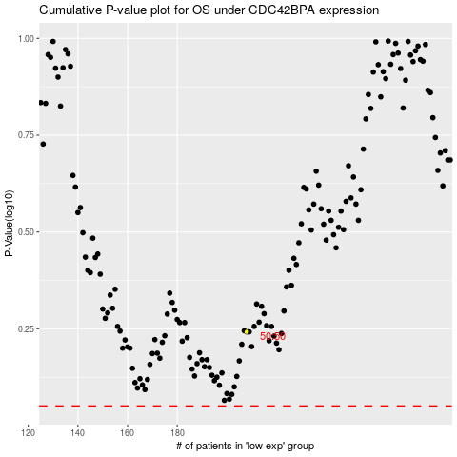

 |  |  |  |  |  | cases_OS | p_OS | rank | exp
 |  |  |  |  |  |  | cases_RFS | p_RFS | rank | exp

