CDC42BPB _multivariate
Reported by Tex Li-Hsing Chi. tex@gate.sinica.edu.tw 2019-08-21

Table 2. The clinicopathological features of HNSCC cohort and CDC42BPB expression. (Chi square test)
Cutoff at -0.018 (49.8%)
 |  | CDC42BPB expression |  | CDC42BPB expression |  | (Optimised)
 | Features | Low | (%) | High | (%) | Case no | P-value | Remark | Matthews
Gender | Female | 164 | 39.5 | 142 | 34.2 | 415 | 0.0153 | 1 | 0
2 | Male | 43 | 10.4 | 66 | 15.9
Age at diagnosis | <=65y | 140 | 33.7 | 134 | 32.3 | 415 | 0.5574 | 0 | 0
4 | >65y | 67 | 16.1 | 74 | 17.8
Clinical T Status | T1+T2 | 83 | 20 | 66 | 15.9 | 415 | 0.0941 | 0 | 0
6 | T3+T4 | 124 | 29.9 | 142 | 34.2
Clinical N Status | N0 | 105 | 25.3 | 111 | 26.7 | 415 | 0.6598 | 0 | 0
8 | N1-3 | 102 | 24.6 | 97 | 23.4
Clinical M Status | M0 | 204 | 49.2 | 208 | 50.1 | 415 | 0.1232 | 0 | 0
10 | M1 | 3 | 0.7 | 0 | 0
Clinical Stage | Stage I+II | 54 | 13 | 48 | 11.6 | 415 | 0.5498 | 0 | 0
12 | Stage III+IV | 153 | 36.9 | 160 | 38.6
Surgical Margin status | Negative | 154 | 37.1 | 164 | 39.5 | 415 | 0.2984 | 0 | 0
14 | Positive | 53 | 12.8 | 44 | 10.6
Tobacco Exposure | Low | 77 | 18.6 | 84 | 20.2 | 415 | 0.5459 | 0 | 0
16 | High | 130 | 31.3 | 124 | 29.9

Table 3. Univariate/Multivariate Cox's proportional hazards regression analyses on OS time of CDC42BPB gene expression in HNSCC

 |  | Univariate |  |  |  | Multivariate
 | Features | HR | CI95%(L) | CI95%(H) | P-value | HR | CI95%(L) | CI95%(H) | P-value
1 | Female | 1 |  |  |  | 1
Gender | Male | 1.157 | 0.843 | 1.587 | 0.367 | 1.208 | 0.863 | 1.69 | 0.271
11 | <=65y | 1 |  |  |  | 1
Age at diagnosis | >65y | 1.329 | 0.99 | 1.784 | 0.058 | 1.395 | 1.026 | 1.898 | 0.034
12 | T1+T2 | 1 |  |  |  | 1
Clinical T Status | T3+T4 | 1.409 | 1.028 | 1.931 | 0.033 | 2.209 | 1.168 | 4.177 | 0.015
13 | N0 | 1 |  |  |  | 1
Clinical N Status | N1-3 | 1.185 | 0.89 | 1.577 | 0.246 | 1.236 | 0.865 | 1.765 | 0.245
14 | M0 | 1 |  |  |  | 1
Clinical M Status | M1 | 4.097 | 1.009 | 16.644 | 0.049 | 9.261 | 2.013 | 42.619 | 0.004
15 | Stage I+II | 1 |  |  |  | 1
Clinical Stage | Stage III+IV | 1.245 | 0.882 | 1.759 | 0.213 | 0.505 | 0.235 | 1.084 | 0.08
16 | Negative | 1 |  |  |  | 1
Surgical Margin status | Positive | 1.591 | 1.155 | 2.191 | 0.004 | 1.665 | 1.204 | 2.303 | 0.002
17 | Low | 1 |  |  |  | 1
Tobacco Exposure | High | 1.364 | 1.008 | 1.844 | 0.044 | 1.452 | 1.054 | 2.001 | 0.022
18 | Low | 1 |  |  |  | 1
RNAseq(z-score) | High | 0.961 | 0.72 | 1.282 | 0.787 | 0.96 | 0.714 | 1.29 | 0.785

Table 4. Univariate/Multivariate Cox's proportional hazards regression analyses on RFS time of CDC42BPB gene expression in HNSCC

 |  | Univariate |  |  |  | Multivariate
 | Features | HR | CI95%(L) | CI95%(H) | P-value | HR | CI95%(L) | CI95%(H) | P-value
1 | Female | 1 |  |  |  | 1
Gender | Male | 1.157 | 0.843 | 1.587 | 0.367 | 1.208 | 0.863 | 1.69 | 0.271
11 | <=65y | 1 |  |  |  | 1
Age at diagnosis | >65y | 1.329 | 0.99 | 1.784 | 0.058 | 1.395 | 1.026 | 1.898 | 0.034
12 | T1+T2 | 1 |  |  |  | 1
Clinical T Status | T3+T4 | 1.409 | 1.028 | 1.931 | 0.033 | 2.209 | 1.168 | 4.177 | 0.015
13 | N0 | 1 |  |  |  | 1
Clinical N Status | N1-3 | 1.185 | 0.89 | 1.577 | 0.246 | 1.236 | 0.865 | 1.765 | 0.245
14 | M0 | 1 |  |  |  | 1
Clinical M Status | M1 | 4.097 | 1.009 | 16.644 | 0.049 | 9.261 | 2.013 | 42.619 | 0.004
15 | Stage I+II | 1 |  |  |  | 1
Clinical Stage | Stage III+IV | 1.245 | 0.882 | 1.759 | 0.213 | 0.505 | 0.235 | 1.084 | 0.08
16 | Negative | 1 |  |  |  | 1
Surgical Margin status | Positive | 1.591 | 1.155 | 2.191 | 0.004 | 1.665 | 1.204 | 2.303 | 0.002
17 | Low | 1 |  |  |  | 1
Tobacco Exposure | High | 1.364 | 1.008 | 1.844 | 0.044 | 1.452 | 1.054 | 2.001 | 0.022
18 | Low | 1 |  |  |  | 1
RNAseq(z-score) | High | 0.961 | 0.72 | 1.282 | 0.787 | 0.96 | 0.714 | 1.29 | 0.785

Kaplan-Meier survival estimate: Cutoff at -0.018 (49.8%)



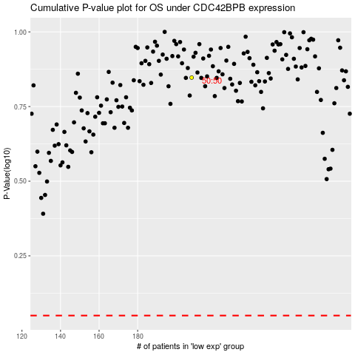

 |  |  |  |  |  | cases_OS | p_OS | rank | exp
 |  |  |  |  |  |  | cases_RFS | p_RFS | rank | exp

