CDC42EP1 _multivariate
Reported by Tex Li-Hsing Chi. tex@gate.sinica.edu.tw 2019-08-21

Table 2. The clinicopathological features of HNSCC cohort and CDC42EP1 expression. (Chi square test)
Cutoff at -0.165 (49.8%)
 |  | CDC42EP1 expression |  | CDC42EP1 expression |  | (Optimised)
 | Features | Low | (%) | High | (%) | Case no | P-value | Remark | Matthews
Gender | Female | 149 | 35.9 | 157 | 37.8 | 415 | 0.4848 | 0 | 0
2 | Male | 58 | 14 | 51 | 12.3
Age at diagnosis | <=65y | 140 | 33.7 | 134 | 32.3 | 415 | 0.5574 | 0 | 0
4 | >65y | 67 | 16.1 | 74 | 17.8
Clinical T Status | T1+T2 | 75 | 18.1 | 74 | 17.8 | 415 | 0.9707 | 0 | 0
6 | T3+T4 | 132 | 31.8 | 134 | 32.3
Clinical N Status | N0 | 113 | 27.2 | 103 | 24.8 | 415 | 0.3495 | 1 | 0
8 | N1-3 | 94 | 22.7 | 105 | 25.3
Clinical M Status | M0 | 207 | 49.9 | 205 | 49.4 | 415 | 0.2482 | 0 | 0
10 | M1 | 0 | 0 | 3 | 0.7
Clinical Stage | Stage I+II | 52 | 12.5 | 50 | 12 | 415 | 0.8871 | 0 | 0
12 | Stage III+IV | 155 | 37.3 | 158 | 38.1
Surgical Margin status | Negative | 160 | 38.6 | 158 | 38.1 | 415 | 0.8167 | 0 | 0
14 | Positive | 47 | 11.3 | 50 | 12
Tobacco Exposure | Low | 85 | 20.5 | 76 | 18.3 | 415 | 0.3655 | 0 | 0
16 | High | 122 | 29.4 | 132 | 31.8

Table 3. Univariate/Multivariate Cox's proportional hazards regression analyses on OS time of CDC42EP1 gene expression in HNSCC

 |  | Univariate |  |  |  | Multivariate
 | Features | HR | CI95%(L) | CI95%(H) | P-value | HR | CI95%(L) | CI95%(H) | P-value
1 | Female | 1 |  |  |  | 1
Gender | Male | 1.157 | 0.843 | 1.587 | 0.367 | 1.187 | 0.849 | 1.659 | 0.316
11 | <=65y | 1 |  |  |  | 1
Age at diagnosis | >65y | 1.329 | 0.99 | 1.784 | 0.058 | 1.407 | 1.035 | 1.913 | 0.029
12 | T1+T2 | 1 |  |  |  | 1
Clinical T Status | T3+T4 | 1.409 | 1.028 | 1.931 | 0.033 | 2.192 | 1.159 | 4.144 | 0.016
13 | N0 | 1 |  |  |  | 1
Clinical N Status | N1-3 | 1.185 | 0.89 | 1.577 | 0.246 | 1.249 | 0.875 | 1.783 | 0.22
14 | M0 | 1 |  |  |  | 1
Clinical M Status | M1 | 4.097 | 1.009 | 16.644 | 0.049 | 10.243 | 2.221 | 47.238 | 0.003
15 | Stage I+II | 1 |  |  |  | 1
Clinical Stage | Stage III+IV | 1.245 | 0.882 | 1.759 | 0.213 | 0.508 | 0.237 | 1.089 | 0.082
16 | Negative | 1 |  |  |  | 1
Surgical Margin status | Positive | 1.591 | 1.155 | 2.191 | 0.004 | 1.677 | 1.214 | 2.318 | 0.002
17 | Low | 1 |  |  |  | 1
Tobacco Exposure | High | 1.364 | 1.008 | 1.844 | 0.044 | 1.466 | 1.064 | 2.019 | 0.019
18 | Low | 1 |  |  |  | 1
RNAseq(z-score) | High | 0.893 | 0.67 | 1.189 | 0.437 | 0.831 | 0.622 | 1.112 | 0.213

Table 4. Univariate/Multivariate Cox's proportional hazards regression analyses on RFS time of CDC42EP1 gene expression in HNSCC

 |  | Univariate |  |  |  | Multivariate
 | Features | HR | CI95%(L) | CI95%(H) | P-value | HR | CI95%(L) | CI95%(H) | P-value
1 | Female | 1 |  |  |  | 1
Gender | Male | 1.157 | 0.843 | 1.587 | 0.367 | 1.187 | 0.849 | 1.659 | 0.316
11 | <=65y | 1 |  |  |  | 1
Age at diagnosis | >65y | 1.329 | 0.99 | 1.784 | 0.058 | 1.407 | 1.035 | 1.913 | 0.029
12 | T1+T2 | 1 |  |  |  | 1
Clinical T Status | T3+T4 | 1.409 | 1.028 | 1.931 | 0.033 | 2.192 | 1.159 | 4.144 | 0.016
13 | N0 | 1 |  |  |  | 1
Clinical N Status | N1-3 | 1.185 | 0.89 | 1.577 | 0.246 | 1.249 | 0.875 | 1.783 | 0.22
14 | M0 | 1 |  |  |  | 1
Clinical M Status | M1 | 4.097 | 1.009 | 16.644 | 0.049 | 10.243 | 2.221 | 47.238 | 0.003
15 | Stage I+II | 1 |  |  |  | 1
Clinical Stage | Stage III+IV | 1.245 | 0.882 | 1.759 | 0.213 | 0.508 | 0.237 | 1.089 | 0.082
16 | Negative | 1 |  |  |  | 1
Surgical Margin status | Positive | 1.591 | 1.155 | 2.191 | 0.004 | 1.677 | 1.214 | 2.318 | 0.002
17 | Low | 1 |  |  |  | 1
Tobacco Exposure | High | 1.364 | 1.008 | 1.844 | 0.044 | 1.466 | 1.064 | 2.019 | 0.019
18 | Low | 1 |  |  |  | 1
RNAseq(z-score) | High | 0.893 | 0.67 | 1.189 | 0.437 | 0.831 | 0.622 | 1.112 | 0.213

Kaplan-Meier survival estimate: Cutoff at -0.165 (49.8%)



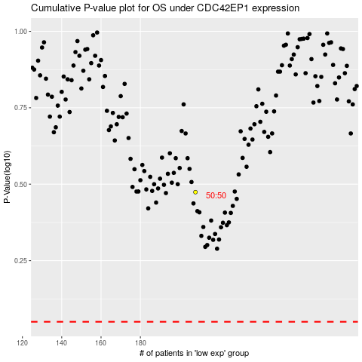

 |  |  |  |  |  | cases_OS | p_OS | rank | exp
 |  |  |  |  |  |  | cases_RFS | p_RFS | rank | exp

