CDC42EP4 _multivariate
Reported by Tex Li-Hsing Chi. tex@gate.sinica.edu.tw 2019-08-21

Table 2. The clinicopathological features of HNSCC cohort and CDC42EP4 expression. (Chi square test)
Cutoff at -0.26 (49.8%)
 |  | CDC42EP4 expression |  | CDC42EP4 expression |  | (Optimised)
 | Features | Low | (%) | High | (%) | Case no | P-value | Remark | Matthews
Gender | Female | 144 | 34.7 | 162 | 39 | 415 | 0.0697 | 0 | 0
2 | Male | 63 | 15.2 | 46 | 11.1
Age at diagnosis | <=65y | 132 | 31.8 | 142 | 34.2 | 415 | 0.3874 | 0 | 0
4 | >65y | 75 | 18.1 | 66 | 15.9
Clinical T Status | T1+T2 | 78 | 18.8 | 71 | 17.1 | 415 | 0.5152 | 0 | 0
6 | T3+T4 | 129 | 31.1 | 137 | 33
Clinical N Status | N0 | 112 | 27 | 104 | 25.1 | 415 | 0.4599 | 0 | 0
8 | N1-3 | 95 | 22.9 | 104 | 25.1
Clinical M Status | M0 | 204 | 49.2 | 208 | 50.1 | 415 | 0.1232 | 0 | 0
10 | M1 | 3 | 0.7 | 0 | 0
Clinical Stage | Stage I+II | 61 | 14.7 | 41 | 9.9 | 415 | 0.0282 | 1 | 0
12 | Stage III+IV | 146 | 35.2 | 167 | 40.2
Surgical Margin status | Negative | 161 | 38.8 | 157 | 37.8 | 415 | 0.6429 | 0 | 0
14 | Positive | 46 | 11.1 | 51 | 12.3
Tobacco Exposure | Low | 86 | 20.7 | 75 | 18.1 | 415 | 0.2687 | 0 | 0
16 | High | 121 | 29.2 | 133 | 32

Table 3. Univariate/Multivariate Cox's proportional hazards regression analyses on OS time of CDC42EP4 gene expression in HNSCC

 |  | Univariate |  |  |  | Multivariate
 | Features | HR | CI95%(L) | CI95%(H) | P-value | HR | CI95%(L) | CI95%(H) | P-value
1 | Female | 1 |  |  |  | 1
Gender | Male | 1.157 | 0.843 | 1.587 | 0.367 | 1.176 | 0.841 | 1.646 | 0.343
11 | <=65y | 1 |  |  |  | 1
Age at diagnosis | >65y | 1.329 | 0.99 | 1.784 | 0.058 | 1.389 | 1.023 | 1.888 | 0.035
12 | T1+T2 | 1 |  |  |  | 1
Clinical T Status | T3+T4 | 1.409 | 1.028 | 1.931 | 0.033 | 2.148 | 1.135 | 4.064 | 0.019
13 | N0 | 1 |  |  |  | 1
Clinical N Status | N1-3 | 1.185 | 0.89 | 1.577 | 0.246 | 1.241 | 0.87 | 1.77 | 0.234
14 | M0 | 1 |  |  |  | 1
Clinical M Status | M1 | 4.097 | 1.009 | 16.644 | 0.049 | 8.339 | 1.796 | 38.734 | 0.007
15 | Stage I+II | 1 |  |  |  | 1
Clinical Stage | Stage III+IV | 1.245 | 0.882 | 1.759 | 0.213 | 0.534 | 0.247 | 1.153 | 0.11
16 | Negative | 1 |  |  |  | 1
Surgical Margin status | Positive | 1.591 | 1.155 | 2.191 | 0.004 | 1.684 | 1.219 | 2.326 | 0.002
17 | Low | 1 |  |  |  | 1
Tobacco Exposure | High | 1.364 | 1.008 | 1.844 | 0.044 | 1.458 | 1.059 | 2.009 | 0.021
18 | Low | 1 |  |  |  | 1
RNAseq(z-score) | High | 0.853 | 0.639 | 1.14 | 0.283 | 0.84 | 0.623 | 1.133 | 0.254

Table 4. Univariate/Multivariate Cox's proportional hazards regression analyses on RFS time of CDC42EP4 gene expression in HNSCC

 |  | Univariate |  |  |  | Multivariate
 | Features | HR | CI95%(L) | CI95%(H) | P-value | HR | CI95%(L) | CI95%(H) | P-value
1 | Female | 1 |  |  |  | 1
Gender | Male | 1.157 | 0.843 | 1.587 | 0.367 | 1.176 | 0.841 | 1.646 | 0.343
11 | <=65y | 1 |  |  |  | 1
Age at diagnosis | >65y | 1.329 | 0.99 | 1.784 | 0.058 | 1.389 | 1.023 | 1.888 | 0.035
12 | T1+T2 | 1 |  |  |  | 1
Clinical T Status | T3+T4 | 1.409 | 1.028 | 1.931 | 0.033 | 2.148 | 1.135 | 4.064 | 0.019
13 | N0 | 1 |  |  |  | 1
Clinical N Status | N1-3 | 1.185 | 0.89 | 1.577 | 0.246 | 1.241 | 0.87 | 1.77 | 0.234
14 | M0 | 1 |  |  |  | 1
Clinical M Status | M1 | 4.097 | 1.009 | 16.644 | 0.049 | 8.339 | 1.796 | 38.734 | 0.007
15 | Stage I+II | 1 |  |  |  | 1
Clinical Stage | Stage III+IV | 1.245 | 0.882 | 1.759 | 0.213 | 0.534 | 0.247 | 1.153 | 0.11
16 | Negative | 1 |  |  |  | 1
Surgical Margin status | Positive | 1.591 | 1.155 | 2.191 | 0.004 | 1.684 | 1.219 | 2.326 | 0.002
17 | Low | 1 |  |  |  | 1
Tobacco Exposure | High | 1.364 | 1.008 | 1.844 | 0.044 | 1.458 | 1.059 | 2.009 | 0.021
18 | Low | 1 |  |  |  | 1
RNAseq(z-score) | High | 0.853 | 0.639 | 1.14 | 0.283 | 0.84 | 0.623 | 1.133 | 0.254

Kaplan-Meier survival estimate: Cutoff at -0.26 (49.8%)



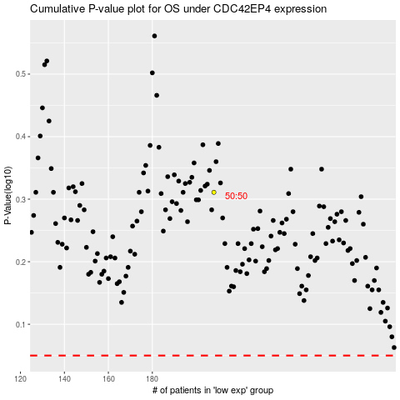

 |  |  |  |  |  | cases_OS | p_OS | rank | exp
 |  |  |  |  |  |  | cases_RFS | p_RFS | rank | exp

