CDC42SE1 _multivariate
Reported by Tex Li-Hsing Chi. tex@gate.sinica.edu.tw 2019-08-21

Table 2. The clinicopathological features of HNSCC cohort and CDC42SE1 expression. (Chi square test)
Cutoff at -0.026 (50.0%)
 |  | CDC42SE1 expression |  | CDC42SE1 expression |  | (Optimised)
 | Features | Low | (%) | High | (%) | Case no | P-value | Remark | Matthews
Gender | Female | 164 | 39.5 | 142 | 34.2 | 415 | 0.0153 | 1 | 0
2 | Male | 43 | 10.4 | 66 | 15.9
Age at diagnosis | <=65y | 141 | 34 | 133 | 32 | 415 | 0.4272 | 0 | 0
4 | >65y | 66 | 15.9 | 75 | 18.1
Clinical T Status | T1+T2 | 79 | 19 | 70 | 16.9 | 415 | 0.3924 | 0 | 0
6 | T3+T4 | 128 | 30.8 | 138 | 33.3
Clinical N Status | N0 | 102 | 24.6 | 114 | 27.5 | 415 | 0.3031 | 0 | 0
8 | N1-3 | 105 | 25.3 | 94 | 22.7
Clinical M Status | M0 | 206 | 49.6 | 206 | 49.6 | 415 | 1 | 0 | 0
10 | M1 | 1 | 0.2 | 2 | 0.5
Clinical Stage | Stage I+II | 55 | 13.3 | 47 | 11.3 | 415 | 0.4087 | 0 | 0
12 | Stage III+IV | 152 | 36.6 | 161 | 38.8
Surgical Margin status | Negative | 159 | 38.3 | 159 | 38.3 | 415 | 1 | 0 | 0
14 | Positive | 48 | 11.6 | 49 | 11.8
Tobacco Exposure | Low | 71 | 17.1 | 90 | 21.7 | 415 | 0.0698 | 0 | 0
16 | High | 136 | 32.8 | 118 | 28.4

Table 3. Univariate/Multivariate Cox's proportional hazards regression analyses on OS time of CDC42SE1 gene expression in HNSCC

 |  | Univariate |  |  |  | Multivariate
 | Features | HR | CI95%(L) | CI95%(H) | P-value | HR | CI95%(L) | CI95%(H) | P-value
1 | Female | 1 |  |  |  | 1
Gender | Male | 1.157 | 0.843 | 1.587 | 0.367 | 1.215 | 0.868 | 1.701 | 0.257
11 | <=65y | 1 |  |  |  | 1
Age at diagnosis | >65y | 1.329 | 0.99 | 1.784 | 0.058 | 1.383 | 1.017 | 1.881 | 0.039
12 | T1+T2 | 1 |  |  |  | 1
Clinical T Status | T3+T4 | 1.409 | 1.028 | 1.931 | 0.033 | 2.204 | 1.165 | 4.167 | 0.015
13 | N0 | 1 |  |  |  | 1
Clinical N Status | N1-3 | 1.185 | 0.89 | 1.577 | 0.246 | 1.223 | 0.855 | 1.749 | 0.27
14 | M0 | 1 |  |  |  | 1
Clinical M Status | M1 | 4.097 | 1.009 | 16.644 | 0.049 | 9.754 | 2.12 | 44.872 | 0.003
15 | Stage I+II | 1 |  |  |  | 1
Clinical Stage | Stage III+IV | 1.245 | 0.882 | 1.759 | 0.213 | 0.512 | 0.238 | 1.101 | 0.087
16 | Negative | 1 |  |  |  | 1
Surgical Margin status | Positive | 1.591 | 1.155 | 2.191 | 0.004 | 1.672 | 1.21 | 2.311 | 0.002
17 | Low | 1 |  |  |  | 1
Tobacco Exposure | High | 1.364 | 1.008 | 1.844 | 0.044 | 1.444 | 1.048 | 1.991 | 0.025
18 | Low | 1 |  |  |  | 1
RNAseq(z-score) | High | 0.902 | 0.677 | 1.202 | 0.482 | 0.904 | 0.675 | 1.21 | 0.497

Table 4. Univariate/Multivariate Cox's proportional hazards regression analyses on RFS time of CDC42SE1 gene expression in HNSCC

 |  | Univariate |  |  |  | Multivariate
 | Features | HR | CI95%(L) | CI95%(H) | P-value | HR | CI95%(L) | CI95%(H) | P-value
1 | Female | 1 |  |  |  | 1
Gender | Male | 1.157 | 0.843 | 1.587 | 0.367 | 1.215 | 0.868 | 1.701 | 0.257
11 | <=65y | 1 |  |  |  | 1
Age at diagnosis | >65y | 1.329 | 0.99 | 1.784 | 0.058 | 1.383 | 1.017 | 1.881 | 0.039
12 | T1+T2 | 1 |  |  |  | 1
Clinical T Status | T3+T4 | 1.409 | 1.028 | 1.931 | 0.033 | 2.204 | 1.165 | 4.167 | 0.015
13 | N0 | 1 |  |  |  | 1
Clinical N Status | N1-3 | 1.185 | 0.89 | 1.577 | 0.246 | 1.223 | 0.855 | 1.749 | 0.27
14 | M0 | 1 |  |  |  | 1
Clinical M Status | M1 | 4.097 | 1.009 | 16.644 | 0.049 | 9.754 | 2.12 | 44.872 | 0.003
15 | Stage I+II | 1 |  |  |  | 1
Clinical Stage | Stage III+IV | 1.245 | 0.882 | 1.759 | 0.213 | 0.512 | 0.238 | 1.101 | 0.087
16 | Negative | 1 |  |  |  | 1
Surgical Margin status | Positive | 1.591 | 1.155 | 2.191 | 0.004 | 1.672 | 1.21 | 2.311 | 0.002
17 | Low | 1 |  |  |  | 1
Tobacco Exposure | High | 1.364 | 1.008 | 1.844 | 0.044 | 1.444 | 1.048 | 1.991 | 0.025
18 | Low | 1 |  |  |  | 1
RNAseq(z-score) | High | 0.902 | 0.677 | 1.202 | 0.482 | 0.904 | 0.675 | 1.21 | 0.497

Kaplan-Meier survival estimate: Cutoff at -0.026 (50.0%)



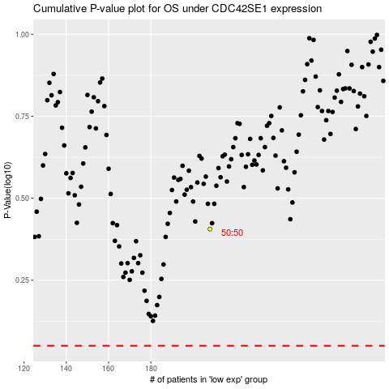

 |  |  |  |  |  | cases_OS | p_OS | rank | exp
 |  |  |  |  |  |  | cases_RFS | p_RFS | rank | exp

