CDC45 _multivariate
Reported by Tex Li-Hsing Chi. tex@gate.sinica.edu.tw 2019-08-21

Table 2. The clinicopathological features of HNSCC cohort and CDC45 expression. (Chi square test)
Cutoff at -0.189 (49.8%)
 |  | CDC45 expression |  | CDC45 expression |  | (Optimised)
 | Features | Low | (%) | High | (%) | Case no | P-value | Remark | Matthews
Gender | Female | 137 | 33 | 169 | 40.7 | 415 | 7e-04 | 1 | 0
2 | Male | 70 | 16.9 | 39 | 9.4
Age at diagnosis | <=65y | 134 | 32.3 | 140 | 33.7 | 415 | 0.6529 | 0 | 0
4 | >65y | 73 | 17.6 | 68 | 16.4
Clinical T Status | T1+T2 | 76 | 18.3 | 73 | 17.6 | 415 | 0.8092 | 0 | 0
6 | T3+T4 | 131 | 31.6 | 135 | 32.5
Clinical N Status | N0 | 118 | 28.4 | 98 | 23.6 | 415 | 0.0551 | 1 | 0
8 | N1-3 | 89 | 21.4 | 110 | 26.5
Clinical M Status | M0 | 207 | 49.9 | 205 | 49.4 | 415 | 0.2482 | 0 | 0
10 | M1 | 0 | 0 | 3 | 0.7
Clinical Stage | Stage I+II | 59 | 14.2 | 43 | 10.4 | 415 | 0.0822 | 0 | 0
12 | Stage III+IV | 148 | 35.7 | 165 | 39.8
Surgical Margin status | Negative | 166 | 40 | 152 | 36.6 | 415 | 0.1042 | 0 | 0
14 | Positive | 41 | 9.9 | 56 | 13.5
Tobacco Exposure | Low | 99 | 23.9 | 62 | 14.9 | 415 | 2e-04 | 1 | 0
16 | High | 108 | 26 | 146 | 35.2

Table 3. Univariate/Multivariate Cox's proportional hazards regression analyses on OS time of CDC45 gene expression in HNSCC

 |  | Univariate |  |  |  | Multivariate
 | Features | HR | CI95%(L) | CI95%(H) | P-value | HR | CI95%(L) | CI95%(H) | P-value
1 | Female | 1 |  |  |  | 1
Gender | Male | 1.157 | 0.843 | 1.587 | 0.367 | 1.194 | 0.852 | 1.674 | 0.303
11 | <=65y | 1 |  |  |  | 1
Age at diagnosis | >65y | 1.329 | 0.99 | 1.784 | 0.058 | 1.395 | 1.025 | 1.897 | 0.034
12 | T1+T2 | 1 |  |  |  | 1
Clinical T Status | T3+T4 | 1.409 | 1.028 | 1.931 | 0.033 | 2.194 | 1.16 | 4.152 | 0.016
13 | N0 | 1 |  |  |  | 1
Clinical N Status | N1-3 | 1.185 | 0.89 | 1.577 | 0.246 | 1.242 | 0.87 | 1.772 | 0.232
14 | M0 | 1 |  |  |  | 1
Clinical M Status | M1 | 4.097 | 1.009 | 16.644 | 0.049 | 9.549 | 2.074 | 43.968 | 0.004
15 | Stage I+II | 1 |  |  |  | 1
Clinical Stage | Stage III+IV | 1.245 | 0.882 | 1.759 | 0.213 | 0.507 | 0.236 | 1.089 | 0.082
16 | Negative | 1 |  |  |  | 1
Surgical Margin status | Positive | 1.591 | 1.155 | 2.191 | 0.004 | 1.682 | 1.213 | 2.331 | 0.002
17 | Low | 1 |  |  |  | 1
Tobacco Exposure | High | 1.364 | 1.008 | 1.844 | 0.044 | 1.465 | 1.057 | 2.03 | 0.022
18 | Low | 1 |  |  |  | 1
RNAseq(z-score) | High | 1.07 | 0.803 | 1.428 | 0.643 | 0.961 | 0.709 | 1.302 | 0.796

Table 4. Univariate/Multivariate Cox's proportional hazards regression analyses on RFS time of CDC45 gene expression in HNSCC

 |  | Univariate |  |  |  | Multivariate
 | Features | HR | CI95%(L) | CI95%(H) | P-value | HR | CI95%(L) | CI95%(H) | P-value
1 | Female | 1 |  |  |  | 1
Gender | Male | 1.157 | 0.843 | 1.587 | 0.367 | 1.194 | 0.852 | 1.674 | 0.303
11 | <=65y | 1 |  |  |  | 1
Age at diagnosis | >65y | 1.329 | 0.99 | 1.784 | 0.058 | 1.395 | 1.025 | 1.897 | 0.034
12 | T1+T2 | 1 |  |  |  | 1
Clinical T Status | T3+T4 | 1.409 | 1.028 | 1.931 | 0.033 | 2.194 | 1.16 | 4.152 | 0.016
13 | N0 | 1 |  |  |  | 1
Clinical N Status | N1-3 | 1.185 | 0.89 | 1.577 | 0.246 | 1.242 | 0.87 | 1.772 | 0.232
14 | M0 | 1 |  |  |  | 1
Clinical M Status | M1 | 4.097 | 1.009 | 16.644 | 0.049 | 9.549 | 2.074 | 43.968 | 0.004
15 | Stage I+II | 1 |  |  |  | 1
Clinical Stage | Stage III+IV | 1.245 | 0.882 | 1.759 | 0.213 | 0.507 | 0.236 | 1.089 | 0.082
16 | Negative | 1 |  |  |  | 1
Surgical Margin status | Positive | 1.591 | 1.155 | 2.191 | 0.004 | 1.682 | 1.213 | 2.331 | 0.002
17 | Low | 1 |  |  |  | 1
Tobacco Exposure | High | 1.364 | 1.008 | 1.844 | 0.044 | 1.465 | 1.057 | 2.03 | 0.022
18 | Low | 1 |  |  |  | 1
RNAseq(z-score) | High | 1.07 | 0.803 | 1.428 | 0.643 | 0.961 | 0.709 | 1.302 | 0.796

Kaplan-Meier survival estimate: Cutoff at -0.189 (49.8%)



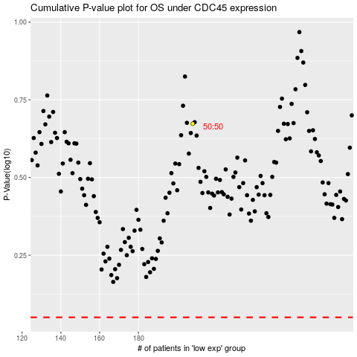

 |  |  |  |  |  | cases_OS | p_OS | rank | exp
 |  |  |  |  |  |  | cases_RFS | p_RFS | rank | exp

