CDC7 _multivariate
Reported by Tex Li-Hsing Chi. tex@gate.sinica.edu.tw 2019-08-21

Table 2. The clinicopathological features of HNSCC cohort and CDC7 expression. (Chi square test)
Cutoff at -0.244 (49.8%)
 |  | CDC7 expression |  | CDC7 expression |  | (Optimised)
 | Features | Low | (%) | High | (%) | Case no | P-value | Remark | Matthews
Gender | Female | 146 | 35.2 | 160 | 38.6 | 415 | 0.1714 | 0 | 0
2 | Male | 61 | 14.7 | 48 | 11.6
Age at diagnosis | <=65y | 135 | 32.5 | 139 | 33.5 | 415 | 0.8084 | 0 | 0
4 | >65y | 72 | 17.3 | 69 | 16.6
Clinical T Status | T1+T2 | 63 | 15.2 | 86 | 20.7 | 415 | 0.0268 | 1 | 0
6 | T3+T4 | 144 | 34.7 | 122 | 29.4
Clinical N Status | N0 | 119 | 28.7 | 97 | 23.4 | 415 | 0.0345 | 1 | 0
8 | N1-3 | 88 | 21.2 | 111 | 26.7
Clinical M Status | M0 | 207 | 49.9 | 205 | 49.4 | 415 | 0.2482 | 0 | 0
10 | M1 | 0 | 0 | 3 | 0.7
Clinical Stage | Stage I+II | 51 | 12.3 | 51 | 12.3 | 415 | 1 | 0 | 0
12 | Stage III+IV | 156 | 37.6 | 157 | 37.8
Surgical Margin status | Negative | 164 | 39.5 | 154 | 37.1 | 415 | 0.2462 | 0 | 0
14 | Positive | 43 | 10.4 | 54 | 13
Tobacco Exposure | Low | 88 | 21.2 | 73 | 17.6 | 415 | 0.1314 | 0 | 0
16 | High | 119 | 28.7 | 135 | 32.5

Table 3. Univariate/Multivariate Cox's proportional hazards regression analyses on OS time of CDC7 gene expression in HNSCC

 |  | Univariate |  |  |  | Multivariate
 | Features | HR | CI95%(L) | CI95%(H) | P-value | HR | CI95%(L) | CI95%(H) | P-value
1 | Female | 1 |  |  |  | 1
Gender | Male | 1.157 | 0.843 | 1.587 | 0.367 | 1.211 | 0.867 | 1.692 | 0.261
11 | <=65y | 1 |  |  |  | 1
Age at diagnosis | >65y | 1.329 | 0.99 | 1.784 | 0.058 | 1.376 | 1.011 | 1.871 | 0.042
12 | T1+T2 | 1 |  |  |  | 1
Clinical T Status | T3+T4 | 1.409 | 1.028 | 1.931 | 0.033 | 2.334 | 1.225 | 4.444 | 0.01
13 | N0 | 1 |  |  |  | 1
Clinical N Status | N1-3 | 1.185 | 0.89 | 1.577 | 0.246 | 1.229 | 0.861 | 1.755 | 0.257
14 | M0 | 1 |  |  |  | 1
Clinical M Status | M1 | 4.097 | 1.009 | 16.644 | 0.049 | 9.087 | 1.98 | 41.705 | 0.005
15 | Stage I+II | 1 |  |  |  | 1
Clinical Stage | Stage III+IV | 1.245 | 0.882 | 1.759 | 0.213 | 0.481 | 0.223 | 1.037 | 0.062
16 | Negative | 1 |  |  |  | 1
Surgical Margin status | Positive | 1.591 | 1.155 | 2.191 | 0.004 | 1.667 | 1.207 | 2.304 | 0.002
17 | Low | 1 |  |  |  | 1
Tobacco Exposure | High | 1.364 | 1.008 | 1.844 | 0.044 | 1.417 | 1.027 | 1.956 | 0.034
18 | Low | 1 |  |  |  | 1
RNAseq(z-score) | High | 1.223 | 0.916 | 1.632 | 0.172 | 1.2 | 0.892 | 1.613 | 0.228

Table 4. Univariate/Multivariate Cox's proportional hazards regression analyses on RFS time of CDC7 gene expression in HNSCC

 |  | Univariate |  |  |  | Multivariate
 | Features | HR | CI95%(L) | CI95%(H) | P-value | HR | CI95%(L) | CI95%(H) | P-value
1 | Female | 1 |  |  |  | 1
Gender | Male | 1.157 | 0.843 | 1.587 | 0.367 | 1.211 | 0.867 | 1.692 | 0.261
11 | <=65y | 1 |  |  |  | 1
Age at diagnosis | >65y | 1.329 | 0.99 | 1.784 | 0.058 | 1.376 | 1.011 | 1.871 | 0.042
12 | T1+T2 | 1 |  |  |  | 1
Clinical T Status | T3+T4 | 1.409 | 1.028 | 1.931 | 0.033 | 2.334 | 1.225 | 4.444 | 0.01
13 | N0 | 1 |  |  |  | 1
Clinical N Status | N1-3 | 1.185 | 0.89 | 1.577 | 0.246 | 1.229 | 0.861 | 1.755 | 0.257
14 | M0 | 1 |  |  |  | 1
Clinical M Status | M1 | 4.097 | 1.009 | 16.644 | 0.049 | 9.087 | 1.98 | 41.705 | 0.005
15 | Stage I+II | 1 |  |  |  | 1
Clinical Stage | Stage III+IV | 1.245 | 0.882 | 1.759 | 0.213 | 0.481 | 0.223 | 1.037 | 0.062
16 | Negative | 1 |  |  |  | 1
Surgical Margin status | Positive | 1.591 | 1.155 | 2.191 | 0.004 | 1.667 | 1.207 | 2.304 | 0.002
17 | Low | 1 |  |  |  | 1
Tobacco Exposure | High | 1.364 | 1.008 | 1.844 | 0.044 | 1.417 | 1.027 | 1.956 | 0.034
18 | Low | 1 |  |  |  | 1
RNAseq(z-score) | High | 1.223 | 0.916 | 1.632 | 0.172 | 1.2 | 0.892 | 1.613 | 0.228

Kaplan-Meier survival estimate: Cutoff at -0.244 (49.8%)



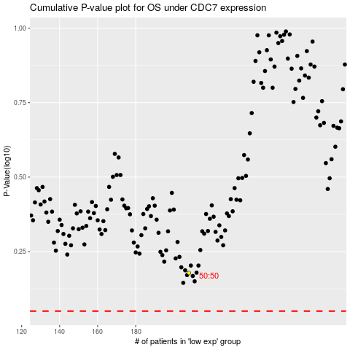

 |  |  |  |  |  | cases_OS | p_OS | rank | exp
 |  |  |  |  |  |  | cases_RFS | p_RFS | rank | exp

